ADI1 _multivariate
Reported by Tex Li-Hsing Chi. tex@gate.sinica.edu.tw 2019-08-22

Table 2. The clinicopathological features of HNSCC cohort and ADI1 expression. (Chi square test)
Cutoff at -0.317 (50.0%)
 |  | ADI1 expression |  | ADI1 expression |  | (Optimised)
 | Features | Low | (%) | High | (%) | Case no | P-value | Remark | Matthews
Gender | Female | 144 | 34.7 | 162 | 39 | 415 | 0.0697 | 0 | 0
2 | Male | 63 | 15.2 | 46 | 11.1
Age at diagnosis | <=65y | 134 | 32.3 | 140 | 33.7 | 415 | 0.6529 | 0 | 0
4 | >65y | 73 | 17.6 | 68 | 16.4
Clinical T Status | T1+T2 | 79 | 19 | 70 | 16.9 | 415 | 0.3924 | 0 | 0
6 | T3+T4 | 128 | 30.8 | 138 | 33.3
Clinical N Status | N0 | 108 | 26 | 108 | 26 | 415 | 1 | 0 | 0
8 | N1-3 | 99 | 23.9 | 100 | 24.1
Clinical M Status | M0 | 206 | 49.6 | 206 | 49.6 | 415 | 1 | 0 | 0
10 | M1 | 1 | 0.2 | 2 | 0.5
Clinical Stage | Stage I+II | 60 | 14.5 | 42 | 10.1 | 415 | 0.0493 | 1 | 0
12 | Stage III+IV | 147 | 35.4 | 166 | 40
Surgical Margin status | Negative | 171 | 41.2 | 147 | 35.4 | 415 | 0.0052 | 1 | 0
14 | Positive | 36 | 8.7 | 61 | 14.7
Tobacco Exposure | Low | 77 | 18.6 | 84 | 20.2 | 415 | 0.5459 | 0 | 0
16 | High | 130 | 31.3 | 124 | 29.9

Table 3. Univariate/Multivariate Cox's proportional hazards regression analyses on OS time of ADI1 gene expression in HNSCC

 |  | Univariate |  |  |  | Multivariate
 | Features | HR | CI95%(L) | CI95%(H) | P-value | HR | CI95%(L) | CI95%(H) | P-value
1 | Female | 1 |  |  |  | 1
Gender | Male | 1.157 | 0.843 | 1.587 | 0.367 | 1.196 | 0.855 | 1.673 | 0.297
11 | <=65y | 1 |  |  |  | 1
Age at diagnosis | >65y | 1.329 | 0.99 | 1.784 | 0.058 | 1.391 | 1.023 | 1.891 | 0.035
12 | T1+T2 | 1 |  |  |  | 1
Clinical T Status | T3+T4 | 1.409 | 1.028 | 1.931 | 0.033 | 2.197 | 1.161 | 4.155 | 0.016
13 | N0 | 1 |  |  |  | 1
Clinical N Status | N1-3 | 1.185 | 0.89 | 1.577 | 0.246 | 1.241 | 0.87 | 1.771 | 0.234
14 | M0 | 1 |  |  |  | 1
Clinical M Status | M1 | 4.097 | 1.009 | 16.644 | 0.049 | 9.48 | 2.067 | 43.491 | 0.004
15 | Stage I+II | 1 |  |  |  | 1
Clinical Stage | Stage III+IV | 1.245 | 0.882 | 1.759 | 0.213 | 0.509 | 0.237 | 1.096 | 0.084
16 | Negative | 1 |  |  |  | 1
Surgical Margin status | Positive | 1.591 | 1.155 | 2.191 | 0.004 | 1.681 | 1.214 | 2.327 | 0.002
17 | Low | 1 |  |  |  | 1
Tobacco Exposure | High | 1.364 | 1.008 | 1.844 | 0.044 | 1.446 | 1.047 | 1.995 | 0.025
18 | Low | 1 |  |  |  | 1
RNAseq(z-score) | High | 0.982 | 0.737 | 1.309 | 0.903 | 0.957 | 0.713 | 1.284 | 0.769

Table 4. Univariate/Multivariate Cox's proportional hazards regression analyses on RFS time of ADI1 gene expression in HNSCC

 |  | Univariate |  |  |  | Multivariate
 | Features | HR | CI95%(L) | CI95%(H) | P-value | HR | CI95%(L) | CI95%(H) | P-value
1 | Female | 1 |  |  |  | 1
Gender | Male | 1.157 | 0.843 | 1.587 | 0.367 | 1.196 | 0.855 | 1.673 | 0.297
11 | <=65y | 1 |  |  |  | 1
Age at diagnosis | >65y | 1.329 | 0.99 | 1.784 | 0.058 | 1.391 | 1.023 | 1.891 | 0.035
12 | T1+T2 | 1 |  |  |  | 1
Clinical T Status | T3+T4 | 1.409 | 1.028 | 1.931 | 0.033 | 2.197 | 1.161 | 4.155 | 0.016
13 | N0 | 1 |  |  |  | 1
Clinical N Status | N1-3 | 1.185 | 0.89 | 1.577 | 0.246 | 1.241 | 0.87 | 1.771 | 0.234
14 | M0 | 1 |  |  |  | 1
Clinical M Status | M1 | 4.097 | 1.009 | 16.644 | 0.049 | 9.48 | 2.067 | 43.491 | 0.004
15 | Stage I+II | 1 |  |  |  | 1
Clinical Stage | Stage III+IV | 1.245 | 0.882 | 1.759 | 0.213 | 0.509 | 0.237 | 1.096 | 0.084
16 | Negative | 1 |  |  |  | 1
Surgical Margin status | Positive | 1.591 | 1.155 | 2.191 | 0.004 | 1.681 | 1.214 | 2.327 | 0.002
17 | Low | 1 |  |  |  | 1
Tobacco Exposure | High | 1.364 | 1.008 | 1.844 | 0.044 | 1.446 | 1.047 | 1.995 | 0.025
18 | Low | 1 |  |  |  | 1
RNAseq(z-score) | High | 0.982 | 0.737 | 1.309 | 0.903 | 0.957 | 0.713 | 1.284 | 0.769

Kaplan-Meier survival estimate: Cutoff at -0.317 (50.0%)



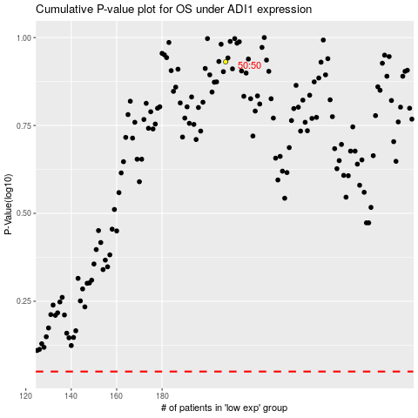

 |  |  |  |  |  | cases_OS | p_OS | rank | exp
 |  |  |  |  |  |  | cases_RFS | p_RFS | rank | exp

