ADIPOR1 _multivariate
Reported by Tex Li-Hsing Chi. tex@gate.sinica.edu.tw 2019-08-22

Table 2. The clinicopathological features of HNSCC cohort and ADIPOR1 expression. (Chi square test)
Cutoff at -0.229 (50.0%)
 |  | ADIPOR1 expression |  | ADIPOR1 expression |  | (Optimised)
 | Features | Low | (%) | High | (%) | Case no | P-value | Remark | Matthews
Gender | Female | 162 | 39 | 144 | 34.7 | 415 | 0.0479 | 1 | 0
2 | Male | 45 | 10.8 | 64 | 15.4
Age at diagnosis | <=65y | 139 | 33.5 | 135 | 32.5 | 415 | 0.7044 | 0 | 0
4 | >65y | 68 | 16.4 | 73 | 17.6
Clinical T Status | T1+T2 | 75 | 18.1 | 74 | 17.8 | 415 | 0.9707 | 0 | 0
6 | T3+T4 | 132 | 31.8 | 134 | 32.3
Clinical N Status | N0 | 106 | 25.5 | 110 | 26.5 | 415 | 0.8075 | 0 | 0
8 | N1-3 | 101 | 24.3 | 98 | 23.6
Clinical M Status | M0 | 206 | 49.6 | 206 | 49.6 | 415 | 1 | 0 | 0
10 | M1 | 1 | 0.2 | 2 | 0.5
Clinical Stage | Stage I+II | 53 | 12.8 | 49 | 11.8 | 415 | 0.7113 | 0 | 0
12 | Stage III+IV | 154 | 37.1 | 159 | 38.3
Surgical Margin status | Negative | 154 | 37.1 | 164 | 39.5 | 415 | 0.2984 | 0 | 0
14 | Positive | 53 | 12.8 | 44 | 10.6
Tobacco Exposure | Low | 72 | 17.3 | 89 | 21.4 | 415 | 0.1071 | 0 | 0
16 | High | 135 | 32.5 | 119 | 28.7

Table 3. Univariate/Multivariate Cox's proportional hazards regression analyses on OS time of ADIPOR1 gene expression in HNSCC

 |  | Univariate |  |  |  | Multivariate
 | Features | HR | CI95%(L) | CI95%(H) | P-value | HR | CI95%(L) | CI95%(H) | P-value
1 | Female | 1 |  |  |  | 1
Gender | Male | 1.157 | 0.843 | 1.587 | 0.367 | 1.189 | 0.85 | 1.662 | 0.312
11 | <=65y | 1 |  |  |  | 1
Age at diagnosis | >65y | 1.329 | 0.99 | 1.784 | 0.058 | 1.401 | 1.031 | 1.906 | 0.031
12 | T1+T2 | 1 |  |  |  | 1
Clinical T Status | T3+T4 | 1.409 | 1.028 | 1.931 | 0.033 | 2.236 | 1.181 | 4.233 | 0.013
13 | N0 | 1 |  |  |  | 1
Clinical N Status | N1-3 | 1.185 | 0.89 | 1.577 | 0.246 | 1.248 | 0.875 | 1.781 | 0.222
14 | M0 | 1 |  |  |  | 1
Clinical M Status | M1 | 4.097 | 1.009 | 16.644 | 0.049 | 9.252 | 2.016 | 42.453 | 0.004
15 | Stage I+II | 1 |  |  |  | 1
Clinical Stage | Stage III+IV | 1.245 | 0.882 | 1.759 | 0.213 | 0.492 | 0.229 | 1.06 | 0.07
16 | Negative | 1 |  |  |  | 1
Surgical Margin status | Positive | 1.591 | 1.155 | 2.191 | 0.004 | 1.689 | 1.221 | 2.338 | 0.002
17 | Low | 1 |  |  |  | 1
Tobacco Exposure | High | 1.364 | 1.008 | 1.844 | 0.044 | 1.469 | 1.064 | 2.027 | 0.019
18 | Low | 1 |  |  |  | 1
RNAseq(z-score) | High | 1.037 | 0.779 | 1.381 | 0.802 | 1.109 | 0.828 | 1.486 | 0.487

Table 4. Univariate/Multivariate Cox's proportional hazards regression analyses on RFS time of ADIPOR1 gene expression in HNSCC

 |  | Univariate |  |  |  | Multivariate
 | Features | HR | CI95%(L) | CI95%(H) | P-value | HR | CI95%(L) | CI95%(H) | P-value
1 | Female | 1 |  |  |  | 1
Gender | Male | 1.157 | 0.843 | 1.587 | 0.367 | 1.189 | 0.85 | 1.662 | 0.312
11 | <=65y | 1 |  |  |  | 1
Age at diagnosis | >65y | 1.329 | 0.99 | 1.784 | 0.058 | 1.401 | 1.031 | 1.906 | 0.031
12 | T1+T2 | 1 |  |  |  | 1
Clinical T Status | T3+T4 | 1.409 | 1.028 | 1.931 | 0.033 | 2.236 | 1.181 | 4.233 | 0.013
13 | N0 | 1 |  |  |  | 1
Clinical N Status | N1-3 | 1.185 | 0.89 | 1.577 | 0.246 | 1.248 | 0.875 | 1.781 | 0.222
14 | M0 | 1 |  |  |  | 1
Clinical M Status | M1 | 4.097 | 1.009 | 16.644 | 0.049 | 9.252 | 2.016 | 42.453 | 0.004
15 | Stage I+II | 1 |  |  |  | 1
Clinical Stage | Stage III+IV | 1.245 | 0.882 | 1.759 | 0.213 | 0.492 | 0.229 | 1.06 | 0.07
16 | Negative | 1 |  |  |  | 1
Surgical Margin status | Positive | 1.591 | 1.155 | 2.191 | 0.004 | 1.689 | 1.221 | 2.338 | 0.002
17 | Low | 1 |  |  |  | 1
Tobacco Exposure | High | 1.364 | 1.008 | 1.844 | 0.044 | 1.469 | 1.064 | 2.027 | 0.019
18 | Low | 1 |  |  |  | 1
RNAseq(z-score) | High | 1.037 | 0.779 | 1.381 | 0.802 | 1.109 | 0.828 | 1.486 | 0.487

Kaplan-Meier survival estimate: Cutoff at -0.229 (50.0%)

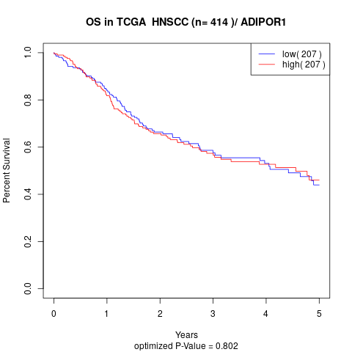

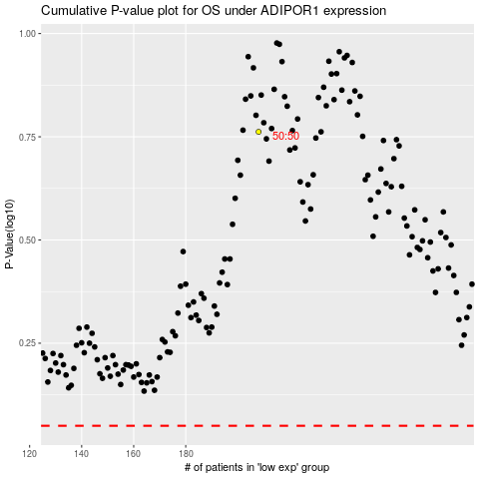

 |  |  |  |  |  | cases_OS | p_OS | rank | exp
 |  |  |  |  |  |  | cases_RFS | p_RFS | rank | exp

