ADM _multivariate
Reported by Tex Li-Hsing Chi. tex@gate.sinica.edu.tw 2019-08-22

Table 2. The clinicopathological features of HNSCC cohort and ADM expression. (Chi square test)
Cutoff at -0.436 (33.8%)
 |  | ADM expression |  | ADM expression |  | (Optimised)
 | Features | Low | (%) | High | (%) | Case no | P-value | Remark | Matthews
Gender | Female | 94 | 22.7 | 212 | 51.1 | 415 | 0.0395 | 1 | 0
2 | Male | 46 | 11.1 | 63 | 15.2
Age at diagnosis | <=65y | 96 | 23.1 | 178 | 42.9 | 415 | 0.5015 | 0 | 0
4 | >65y | 44 | 10.6 | 97 | 23.4
Clinical T Status | T1+T2 | 62 | 14.9 | 87 | 21 | 415 | 0.015 | 1 | 0
6 | T3+T4 | 78 | 18.8 | 188 | 45.3
Clinical N Status | N0 | 69 | 16.6 | 147 | 35.4 | 415 | 0.484 | 0 | 0
8 | N1-3 | 71 | 17.1 | 128 | 30.8
Clinical M Status | M0 | 140 | 33.7 | 272 | 65.5 | 415 | 0.554 | 0 | 0
10 | M1 | 0 | 0 | 3 | 0.7
Clinical Stage | Stage I+II | 38 | 9.2 | 64 | 15.4 | 415 | 0.4561 | 0 | 0
12 | Stage III+IV | 102 | 24.6 | 211 | 50.8
Surgical Margin status | Negative | 108 | 26 | 210 | 50.6 | 415 | 0.9028 | 0 | 0
14 | Positive | 32 | 7.7 | 65 | 15.7
Tobacco Exposure | Low | 68 | 16.4 | 93 | 22.4 | 415 | 0.004 | 1 | 0
16 | High | 72 | 17.3 | 182 | 43.9

Table 3. Univariate/Multivariate Cox's proportional hazards regression analyses on OS time of ADM gene expression in HNSCC

 |  | Univariate |  |  |  | Multivariate
 | Features | HR | CI95%(L) | CI95%(H) | P-value | HR | CI95%(L) | CI95%(H) | P-value
1 | Female | 1 |  |  |  | 1
Gender | Male | 1.157 | 0.843 | 1.587 | 0.367 | 1.236 | 0.883 | 1.73 | 0.216
11 | <=65y | 1 |  |  |  | 1
Age at diagnosis | >65y | 1.329 | 0.99 | 1.784 | 0.058 | 1.362 | 1.003 | 1.85 | 0.048
12 | T1+T2 | 1 |  |  |  | 1
Clinical T Status | T3+T4 | 1.409 | 1.028 | 1.931 | 0.033 | 2.062 | 1.089 | 3.907 | 0.026
13 | N0 | 1 |  |  |  | 1
Clinical N Status | N1-3 | 1.185 | 0.89 | 1.577 | 0.246 | 1.293 | 0.905 | 1.845 | 0.158
14 | M0 | 1 |  |  |  | 1
Clinical M Status | M1 | 4.097 | 1.009 | 16.644 | 0.049 | 7.823 | 1.696 | 36.087 | 0.008
15 | Stage I+II | 1 |  |  |  | 1
Clinical Stage | Stage III+IV | 1.245 | 0.882 | 1.759 | 0.213 | 0.517 | 0.24 | 1.109 | 0.09
16 | Negative | 1 |  |  |  | 1
Surgical Margin status | Positive | 1.591 | 1.155 | 2.191 | 0.004 | 1.638 | 1.186 | 2.263 | 0.003
17 | Low | 1 |  |  |  | 1
Tobacco Exposure | High | 1.364 | 1.008 | 1.844 | 0.044 | 1.39 | 1.007 | 1.919 | 0.045
18 | Low | 1 |  |  |  | 1
RNAseq(z-score) | High | 1.585 | 1.146 | 2.191 | 0.005 | 1.466 | 1.051 | 2.044 | 0.024

Table 4. Univariate/Multivariate Cox's proportional hazards regression analyses on RFS time of ADM gene expression in HNSCC

 |  | Univariate |  |  |  | Multivariate
 | Features | HR | CI95%(L) | CI95%(H) | P-value | HR | CI95%(L) | CI95%(H) | P-value
1 | Female | 1 |  |  |  | 1
Gender | Male | 1.157 | 0.843 | 1.587 | 0.367 | 1.236 | 0.883 | 1.73 | 0.216
11 | <=65y | 1 |  |  |  | 1
Age at diagnosis | >65y | 1.329 | 0.99 | 1.784 | 0.058 | 1.362 | 1.003 | 1.85 | 0.048
12 | T1+T2 | 1 |  |  |  | 1
Clinical T Status | T3+T4 | 1.409 | 1.028 | 1.931 | 0.033 | 2.062 | 1.089 | 3.907 | 0.026
13 | N0 | 1 |  |  |  | 1
Clinical N Status | N1-3 | 1.185 | 0.89 | 1.577 | 0.246 | 1.293 | 0.905 | 1.845 | 0.158
14 | M0 | 1 |  |  |  | 1
Clinical M Status | M1 | 4.097 | 1.009 | 16.644 | 0.049 | 7.823 | 1.696 | 36.087 | 0.008
15 | Stage I+II | 1 |  |  |  | 1
Clinical Stage | Stage III+IV | 1.245 | 0.882 | 1.759 | 0.213 | 0.517 | 0.24 | 1.109 | 0.09
16 | Negative | 1 |  |  |  | 1
Surgical Margin status | Positive | 1.591 | 1.155 | 2.191 | 0.004 | 1.638 | 1.186 | 2.263 | 0.003
17 | Low | 1 |  |  |  | 1
Tobacco Exposure | High | 1.364 | 1.008 | 1.844 | 0.044 | 1.39 | 1.007 | 1.919 | 0.045
18 | Low | 1 |  |  |  | 1
RNAseq(z-score) | High | 1.585 | 1.146 | 2.191 | 0.005 | 1.466 | 1.051 | 2.044 | 0.024

Kaplan-Meier survival estimate: Cutoff at -0.436 (33.8%)

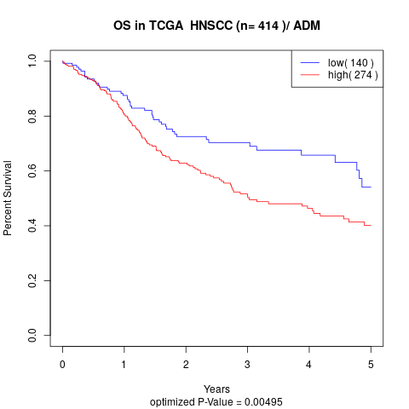

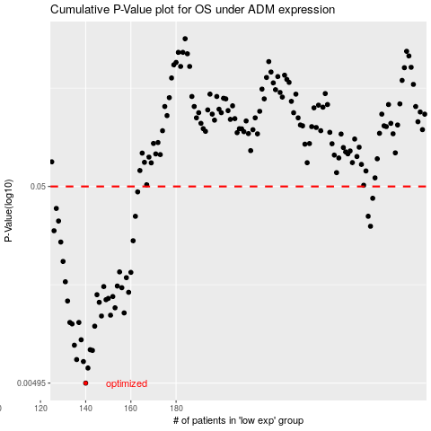

 |  |  |  |  |  | cases_OS | p_OS | rank | exp
 |  |  |  |  |  | 140 | 0.00495 | 278 | -0.4355963219
 |  |  |  |  |  | 141 | 0.00591 | 244 | -0.4303928341
 |  |  |  |  |  | 139 | 0.00638 | 365 | -0.43657374155
 |  |  |  |  |  | 136 | 0.00653 | 99 | -0.44786687531
 |  |  |  |  |  | 143 | 0.00727 | 200 | -0.42574968618
 |  |  |  |  |  | 142 | 0.00733 | 358 | -0.42739489081
 |  |  |  |  |  | 135 | 0.00773 | 292 | -0.4549212403
 |  |  |  |  |  | 138 | 0.00824 | 84 | -0.4381643089
 |  |  |  |  |  | 144 | 0.00967 | 196 | -0.42155521125
 |  |  |  |  |  | 134 | 0.00993 | 327 | -0.456527358
 |  |  |  |  |  | 137 | 0.0101 | 170 | -0.44616615387
 |  |  |  |  |  | 133 | 0.0101 | 291 | -0.46088581511
 |  |  |  |  |  | 147 | 0.0109 | 67 | -0.40746255933
 |  |  |  |  |  | 151 | 0.011 | 82 | -0.39063589768
 |  |  |  |  |  | 157 | 0.0113 | 297 | -0.36159360134
 |  |  |  |  |  | 153 | 0.012 | 265 | -0.37499676114
 |  |  |  |  |  | 146 | 0.0128 | 336 | -0.41543731434
 |  |  |  |  |  | 132 | 0.013 | 116 | -0.4659147662
 |  |  |  |  |  | 149 | 0.0132 | 179 | -0.40640974517
 |  |  |  |  |  | 150 | 0.0134 | 17 | -0.39919512726
 |  |  |  |  |  | 152 | 0.0137 | 360 | -0.3805845393
 |  |  |  |  |  | 145 | 0.014 | 374 | -0.41605609113
 |  |  |  |  |  | 159 | 0.0144 | 203 | -0.35659888211
 |  |  |  |  |  | 156 | 0.0152 | 282 | -0.36292150168
 |  |  |  |  |  | 148 | 0.0154 | 376 | -0.40723985879
 |  |  |  |  |  | 154 | 0.0155 | 142 | -0.3736935584
 |  |  |  |  |  | 131 | 0.0163 | 328 | -0.47137349767
 |  |  |  |  |  | 158 | 0.0171 | 311 | -0.35872899693
 |  |  |  |  |  | 160 | 0.0182 | 217 | -0.355514334
 |  |  |  |  |  | 155 | 0.0183 | 334 | -0.36513749518
 |  |  |  |  |  | 130 | 0.0207 | 128 | -0.47681949334
 |  |  |  |  |  | 129 | 0.026 | 6 | -0.47892512165
 |  |  |  |  |  | 161 | 0.0264 | 186 | -0.35422302269
 |  |  |  |  |  | 126 | 0.0297 | 143 | -0.48339408468
 |  |  |  |  |  | 266 | 0.0313 | 159 | 0.065969725811
 |  |  |  |  |  | 128 | 0.0333 | 399 | -0.47899534445
 |  |  |  |  |  | 162 | 0.0352 | 69 | -0.35251515935
 |  |  |  |  |  | 265 | 0.0352 | 238 | 0.054843916497
 |  |  |  |  |  | 127 | 0.0386 | 96 | -0.48286153838
 |  |  |  |  |  | 267 | 0.0435 | 185 | 0.070822979194
 |  |  |  |  |  | 163 | 0.0469 | 1 | -0.34860776758
 |  |  |  |  |  |  | cases_RFS | p_RFS | rank | exp
 |  |  |  |  |  |  | 139 | 0.00495 | 365 | -0.43657374155
 |  |  |  |  |  |  | 140 | 0.00591 | 278 | -0.4355963219
 |  |  |  |  |  |  | 138 | 0.00638 | 84 | -0.4381643089
 |  |  |  |  |  |  | 135 | 0.00653 | 292 | -0.4549212403
 |  |  |  |  |  |  | 142 | 0.00727 | 358 | -0.42739489081
 |  |  |  |  |  |  | 141 | 0.00733 | 244 | -0.4303928341
 |  |  |  |  |  |  | 134 | 0.00773 | 327 | -0.456527358
 |  |  |  |  |  |  | 137 | 0.00824 | 170 | -0.44616615387
 |  |  |  |  |  |  | 143 | 0.00967 | 200 | -0.42574968618
 |  |  |  |  |  |  | 133 | 0.00993 | 291 | -0.46088581511
 |  |  |  |  |  |  | 136 | 0.0101 | 99 | -0.44786687531
 |  |  |  |  |  |  | 132 | 0.0101 | 116 | -0.4659147662
 |  |  |  |  |  |  | 146 | 0.0109 | 336 | -0.41543731434
 |  |  |  |  |  |  | 150 | 0.011 | 17 | -0.39919512726
 |  |  |  |  |  |  | 156 | 0.0113 | 282 | -0.36292150168
 |  |  |  |  |  |  | 152 | 0.012 | 360 | -0.3805845393
 |  |  |  |  |  |  | 145 | 0.0128 | 374 | -0.41605609113
 |  |  |  |  |  |  | 131 | 0.013 | 328 | -0.47137349767
 |  |  |  |  |  |  | 148 | 0.0132 | 376 | -0.40723985879
 |  |  |  |  |  |  | 149 | 0.0134 | 179 | -0.40640974517
 |  |  |  |  |  |  | 151 | 0.0137 | 82 | -0.39063589768
 |  |  |  |  |  |  | 144 | 0.014 | 196 | -0.42155521125
 |  |  |  |  |  |  | 158 | 0.0144 | 311 | -0.35872899693
 |  |  |  |  |  |  | 155 | 0.0152 | 334 | -0.36513749518
 |  |  |  |  |  |  | 147 | 0.0154 | 67 | -0.40746255933
 |  |  |  |  |  |  | 153 | 0.0155 | 265 | -0.37499676114
 |  |  |  |  |  |  | 130 | 0.0163 | 128 | -0.47681949334
 |  |  |  |  |  |  | 157 | 0.0171 | 297 | -0.36159360134
 |  |  |  |  |  |  | 159 | 0.0182 | 203 | -0.35659888211
 |  |  |  |  |  |  | 154 | 0.0183 | 142 | -0.3736935584
 |  |  |  |  |  |  | 129 | 0.0207 | 6 | -0.47892512165
 |  |  |  |  |  |  | 128 | 0.026 | 399 | -0.47899534445
 |  |  |  |  |  |  | 160 | 0.0264 | 217 | -0.355514334
 |  |  |  |  |  |  | 125 | 0.0297 | 271 | -0.48540169661
 |  |  |  |  |  |  | 265 | 0.0313 | 238 | 0.054843916497
 |  |  |  |  |  |  | 127 | 0.0333 | 96 | -0.48286153838
 |  |  |  |  |  |  | 161 | 0.0352 | 186 | -0.35422302269
 |  |  |  |  |  |  | 264 | 0.0352 | 230 | 0.043680110883
 |  |  |  |  |  |  | 126 | 0.0386 | 143 | -0.48339408468
 |  |  |  |  |  |  | 266 | 0.0435 | 159 | 0.065969725811
 |  |  |  |  |  |  | 162 | 0.0469 | 69 | -0.35251515935

