ADO _multivariate
Reported by Tex Li-Hsing Chi. tex@gate.sinica.edu.tw 2019-08-22

Table 2. The clinicopathological features of HNSCC cohort and ADO expression. (Chi square test)
Cutoff at -0.09 (49.8%)
 |  | ADO expression |  | ADO expression |  | (Optimised)
 | Features | Low | (%) | High | (%) | Case no | P-value | Remark | Matthews
Gender | Female | 146 | 35.2 | 160 | 38.6 | 415 | 0.1714 | 0 | 0
2 | Male | 61 | 14.7 | 48 | 11.6
Age at diagnosis | <=65y | 133 | 32 | 141 | 34 | 415 | 0.5111 | 0 | 0
4 | >65y | 74 | 17.8 | 67 | 16.1
Clinical T Status | T1+T2 | 72 | 17.3 | 77 | 18.6 | 415 | 0.7095 | 0 | 0
6 | T3+T4 | 135 | 32.5 | 131 | 31.6
Clinical N Status | N0 | 113 | 27.2 | 103 | 24.8 | 415 | 0.3495 | 1 | 0
8 | N1-3 | 94 | 22.7 | 105 | 25.3
Clinical M Status | M0 | 205 | 49.4 | 207 | 49.9 | 415 | 0.6232 | 0 | 0
10 | M1 | 2 | 0.5 | 1 | 0.2
Clinical Stage | Stage I+II | 44 | 10.6 | 58 | 14 | 415 | 0.1459 | 0 | 0
12 | Stage III+IV | 163 | 39.3 | 150 | 36.1
Surgical Margin status | Negative | 156 | 37.6 | 162 | 39 | 415 | 0.5636 | 0 | 0
14 | Positive | 51 | 12.3 | 46 | 11.1
Tobacco Exposure | Low | 86 | 20.7 | 75 | 18.1 | 415 | 0.2687 | 0 | 0
16 | High | 121 | 29.2 | 133 | 32

Table 3. Univariate/Multivariate Cox's proportional hazards regression analyses on OS time of ADO gene expression in HNSCC

 |  | Univariate |  |  |  | Multivariate
 | Features | HR | CI95%(L) | CI95%(H) | P-value | HR | CI95%(L) | CI95%(H) | P-value
1 | Female | 1 |  |  |  | 1
Gender | Male | 1.157 | 0.843 | 1.587 | 0.367 | 1.205 | 0.862 | 1.684 | 0.275
11 | <=65y | 1 |  |  |  | 1
Age at diagnosis | >65y | 1.329 | 0.99 | 1.784 | 0.058 | 1.398 | 1.027 | 1.902 | 0.033
12 | T1+T2 | 1 |  |  |  | 1
Clinical T Status | T3+T4 | 1.409 | 1.028 | 1.931 | 0.033 | 2.191 | 1.158 | 4.147 | 0.016
13 | N0 | 1 |  |  |  | 1
Clinical N Status | N1-3 | 1.185 | 0.89 | 1.577 | 0.246 | 1.231 | 0.86 | 1.762 | 0.257
14 | M0 | 1 |  |  |  | 1
Clinical M Status | M1 | 4.097 | 1.009 | 16.644 | 0.049 | 9.532 | 2.075 | 43.78 | 0.004
15 | Stage I+II | 1 |  |  |  | 1
Clinical Stage | Stage III+IV | 1.245 | 0.882 | 1.759 | 0.213 | 0.512 | 0.237 | 1.104 | 0.088
16 | Negative | 1 |  |  |  | 1
Surgical Margin status | Positive | 1.591 | 1.155 | 2.191 | 0.004 | 1.677 | 1.213 | 2.319 | 0.002
17 | Low | 1 |  |  |  | 1
Tobacco Exposure | High | 1.364 | 1.008 | 1.844 | 0.044 | 1.446 | 1.049 | 1.995 | 0.025
18 | Low | 1 |  |  |  | 1
RNAseq(z-score) | High | 1.023 | 0.769 | 1.362 | 0.876 | 1.051 | 0.783 | 1.411 | 0.741

Table 4. Univariate/Multivariate Cox's proportional hazards regression analyses on RFS time of ADO gene expression in HNSCC

 |  | Univariate |  |  |  | Multivariate
 | Features | HR | CI95%(L) | CI95%(H) | P-value | HR | CI95%(L) | CI95%(H) | P-value
1 | Female | 1 |  |  |  | 1
Gender | Male | 1.157 | 0.843 | 1.587 | 0.367 | 1.205 | 0.862 | 1.684 | 0.275
11 | <=65y | 1 |  |  |  | 1
Age at diagnosis | >65y | 1.329 | 0.99 | 1.784 | 0.058 | 1.398 | 1.027 | 1.902 | 0.033
12 | T1+T2 | 1 |  |  |  | 1
Clinical T Status | T3+T4 | 1.409 | 1.028 | 1.931 | 0.033 | 2.191 | 1.158 | 4.147 | 0.016
13 | N0 | 1 |  |  |  | 1
Clinical N Status | N1-3 | 1.185 | 0.89 | 1.577 | 0.246 | 1.231 | 0.86 | 1.762 | 0.257
14 | M0 | 1 |  |  |  | 1
Clinical M Status | M1 | 4.097 | 1.009 | 16.644 | 0.049 | 9.532 | 2.075 | 43.78 | 0.004
15 | Stage I+II | 1 |  |  |  | 1
Clinical Stage | Stage III+IV | 1.245 | 0.882 | 1.759 | 0.213 | 0.512 | 0.237 | 1.104 | 0.088
16 | Negative | 1 |  |  |  | 1
Surgical Margin status | Positive | 1.591 | 1.155 | 2.191 | 0.004 | 1.677 | 1.213 | 2.319 | 0.002
17 | Low | 1 |  |  |  | 1
Tobacco Exposure | High | 1.364 | 1.008 | 1.844 | 0.044 | 1.446 | 1.049 | 1.995 | 0.025
18 | Low | 1 |  |  |  | 1
RNAseq(z-score) | High | 1.023 | 0.769 | 1.362 | 0.876 | 1.051 | 0.783 | 1.411 | 0.741

Kaplan-Meier survival estimate: Cutoff at -0.09 (49.8%)



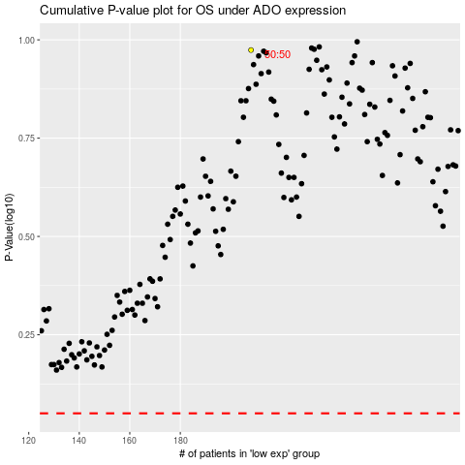

 |  |  |  |  |  | cases_OS | p_OS | rank | exp
 |  |  |  |  |  |  | cases_RFS | p_RFS | rank | exp

