ADORA3 _multivariate
Reported by Tex Li-Hsing Chi. tex@gate.sinica.edu.tw 2019-08-22

Table 2. The clinicopathological features of HNSCC cohort and ADORA3 expression. (Chi square test)
Cutoff at -0.23 (51.0%)
 |  | ADORA3 expression |  | ADORA3 expression |  | (Optimised)
 | Features | Low | (%) | High | (%) | Case no | P-value | Remark | Matthews
Gender | Female | 156 | 37.6 | 150 | 36.1 | 415 | 1 | 0 | 0
2 | Male | 56 | 13.5 | 53 | 12.8
Age at diagnosis | <=65y | 138 | 33.3 | 136 | 32.8 | 415 | 0.7604 | 0 | 0
4 | >65y | 74 | 17.8 | 67 | 16.1
Clinical T Status | T1+T2 | 77 | 18.6 | 72 | 17.3 | 415 | 0.9373 | 0 | 0
6 | T3+T4 | 135 | 32.5 | 131 | 31.6
Clinical N Status | N0 | 116 | 28 | 100 | 24.1 | 415 | 0.3107 | 1 | 0
8 | N1-3 | 96 | 23.1 | 103 | 24.8
Clinical M Status | M0 | 212 | 51.1 | 200 | 48.2 | 415 | 0.1162 | 0 | 0
10 | M1 | 0 | 0 | 3 | 0.7
Clinical Stage | Stage I+II | 54 | 13 | 48 | 11.6 | 415 | 0.7505 | 0 | 0
12 | Stage III+IV | 158 | 38.1 | 155 | 37.3
Surgical Margin status | Negative | 164 | 39.5 | 154 | 37.1 | 415 | 0.7293 | 0 | 0
14 | Positive | 48 | 11.6 | 49 | 11.8
Tobacco Exposure | Low | 89 | 21.4 | 72 | 17.3 | 415 | 0.1907 | 0 | 0
16 | High | 123 | 29.6 | 131 | 31.6

Table 3. Univariate/Multivariate Cox's proportional hazards regression analyses on OS time of ADORA3 gene expression in HNSCC

 |  | Univariate |  |  |  | Multivariate
 | Features | HR | CI95%(L) | CI95%(H) | P-value | HR | CI95%(L) | CI95%(H) | P-value
1 | Female | 1 |  |  |  | 1
Gender | Male | 1.157 | 0.843 | 1.587 | 0.367 | 1.181 | 0.845 | 1.651 | 0.331
11 | <=65y | 1 |  |  |  | 1
Age at diagnosis | >65y | 1.329 | 0.99 | 1.784 | 0.058 | 1.41 | 1.037 | 1.918 | 0.029
12 | T1+T2 | 1 |  |  |  | 1
Clinical T Status | T3+T4 | 1.409 | 1.028 | 1.931 | 0.033 | 2.197 | 1.162 | 4.157 | 0.015
13 | N0 | 1 |  |  |  | 1
Clinical N Status | N1-3 | 1.185 | 0.89 | 1.577 | 0.246 | 1.231 | 0.862 | 1.757 | 0.253
14 | M0 | 1 |  |  |  | 1
Clinical M Status | M1 | 4.097 | 1.009 | 16.644 | 0.049 | 8.274 | 1.793 | 38.179 | 0.007
15 | Stage I+II | 1 |  |  |  | 1
Clinical Stage | Stage III+IV | 1.245 | 0.882 | 1.759 | 0.213 | 0.507 | 0.236 | 1.09 | 0.082
16 | Negative | 1 |  |  |  | 1
Surgical Margin status | Positive | 1.591 | 1.155 | 2.191 | 0.004 | 1.647 | 1.192 | 2.278 | 0.003
17 | Low | 1 |  |  |  | 1
Tobacco Exposure | High | 1.364 | 1.008 | 1.844 | 0.044 | 1.439 | 1.045 | 1.983 | 0.026
18 | Low | 1 |  |  |  | 1
RNAseq(z-score) | High | 1.355 | 1.014 | 1.811 | 0.04 | 1.289 | 0.963 | 1.727 | 0.088

Table 4. Univariate/Multivariate Cox's proportional hazards regression analyses on RFS time of ADORA3 gene expression in HNSCC

 |  | Univariate |  |  |  | Multivariate
 | Features | HR | CI95%(L) | CI95%(H) | P-value | HR | CI95%(L) | CI95%(H) | P-value
1 | Female | 1 |  |  |  | 1
Gender | Male | 1.157 | 0.843 | 1.587 | 0.367 | 1.181 | 0.845 | 1.651 | 0.331
11 | <=65y | 1 |  |  |  | 1
Age at diagnosis | >65y | 1.329 | 0.99 | 1.784 | 0.058 | 1.41 | 1.037 | 1.918 | 0.029
12 | T1+T2 | 1 |  |  |  | 1
Clinical T Status | T3+T4 | 1.409 | 1.028 | 1.931 | 0.033 | 2.197 | 1.162 | 4.157 | 0.015
13 | N0 | 1 |  |  |  | 1
Clinical N Status | N1-3 | 1.185 | 0.89 | 1.577 | 0.246 | 1.231 | 0.862 | 1.757 | 0.253
14 | M0 | 1 |  |  |  | 1
Clinical M Status | M1 | 4.097 | 1.009 | 16.644 | 0.049 | 8.274 | 1.793 | 38.179 | 0.007
15 | Stage I+II | 1 |  |  |  | 1
Clinical Stage | Stage III+IV | 1.245 | 0.882 | 1.759 | 0.213 | 0.507 | 0.236 | 1.09 | 0.082
16 | Negative | 1 |  |  |  | 1
Surgical Margin status | Positive | 1.591 | 1.155 | 2.191 | 0.004 | 1.647 | 1.192 | 2.278 | 0.003
17 | Low | 1 |  |  |  | 1
Tobacco Exposure | High | 1.364 | 1.008 | 1.844 | 0.044 | 1.439 | 1.045 | 1.983 | 0.026
18 | Low | 1 |  |  |  | 1
RNAseq(z-score) | High | 1.355 | 1.014 | 1.811 | 0.04 | 1.289 | 0.963 | 1.727 | 0.088

Kaplan-Meier survival estimate: Cutoff at -0.23 (51.0%)



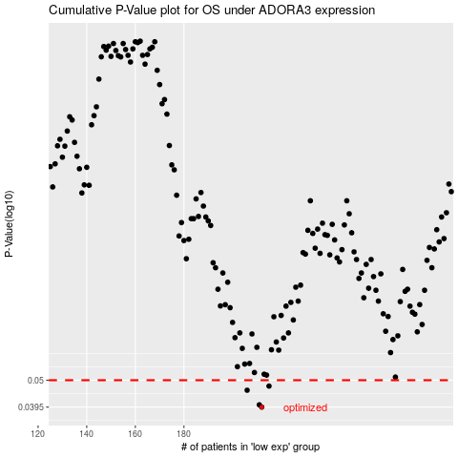

 |  |  |  |  |  | cases_OS | p_OS | rank | exp
 |  |  |  |  |  | 212 | 0.0395 | 133 | -0.23013498209
 |  |  |  |  |  | 211 | 0.0403 | 28 | -0.23447899071
 |  |  |  |  |  | 206 | 0.0458 | 176 | -0.2532694161
 |  |  |  |  |  | 215 | 0.0475 | 210 | -0.22027457998
 |  |  |  |  |  |  | cases_RFS | p_RFS | rank | exp
 |  |  |  |  |  |  | 211 | 0.0395 | 28 | -0.23447899071
 |  |  |  |  |  |  | 210 | 0.0403 | 177 | -0.23528298859
 |  |  |  |  |  |  | 205 | 0.0458 | 40 | -0.25963417524
 |  |  |  |  |  |  | 214 | 0.0475 | 332 | -0.22200895668

