ADPRHL2 _multivariate
Reported by Tex Li-Hsing Chi. tex@gate.sinica.edu.tw 2019-08-22

Table 2. The clinicopathological features of HNSCC cohort and ADPRHL2 expression. (Chi square test)
Cutoff at -0.196 (50.0%)
 |  | ADPRHL2 expression |  | ADPRHL2 expression |  | (Optimised)
 | Features | Low | (%) | High | (%) | Case no | P-value | Remark | Matthews
Gender | Female | 165 | 39.8 | 141 | 34 | 415 | 0.0081 | 1 | 0
2 | Male | 42 | 10.1 | 67 | 16.1
Age at diagnosis | <=65y | 140 | 33.7 | 134 | 32.3 | 415 | 0.5574 | 0 | 0
4 | >65y | 67 | 16.1 | 74 | 17.8
Clinical T Status | T1+T2 | 80 | 19.3 | 69 | 16.6 | 415 | 0.2891 | 0 | 0
6 | T3+T4 | 127 | 30.6 | 139 | 33.5
Clinical N Status | N0 | 116 | 28 | 100 | 24.1 | 415 | 0.1273 | 1 | 0
8 | N1-3 | 91 | 21.9 | 108 | 26
Clinical M Status | M0 | 207 | 49.9 | 205 | 49.4 | 415 | 0.2482 | 0 | 0
10 | M1 | 0 | 0 | 3 | 0.7
Clinical Stage | Stage I+II | 56 | 13.5 | 46 | 11.1 | 415 | 0.2918 | 0 | 0
12 | Stage III+IV | 151 | 36.4 | 162 | 39
Surgical Margin status | Negative | 159 | 38.3 | 159 | 38.3 | 415 | 1 | 0 | 0
14 | Positive | 48 | 11.6 | 49 | 11.8
Tobacco Exposure | Low | 77 | 18.6 | 84 | 20.2 | 415 | 0.5459 | 0 | 0
16 | High | 130 | 31.3 | 124 | 29.9

Table 3. Univariate/Multivariate Cox's proportional hazards regression analyses on OS time of ADPRHL2 gene expression in HNSCC

 |  | Univariate |  |  |  | Multivariate
 | Features | HR | CI95%(L) | CI95%(H) | P-value | HR | CI95%(L) | CI95%(H) | P-value
1 | Female | 1 |  |  |  | 1
Gender | Male | 1.157 | 0.843 | 1.587 | 0.367 | 1.196 | 0.852 | 1.68 | 0.3
11 | <=65y | 1 |  |  |  | 1
Age at diagnosis | >65y | 1.329 | 0.99 | 1.784 | 0.058 | 1.39 | 1.022 | 1.89 | 0.036
12 | T1+T2 | 1 |  |  |  | 1
Clinical T Status | T3+T4 | 1.409 | 1.028 | 1.931 | 0.033 | 2.197 | 1.161 | 4.157 | 0.016
13 | N0 | 1 |  |  |  | 1
Clinical N Status | N1-3 | 1.185 | 0.89 | 1.577 | 0.246 | 1.238 | 0.867 | 1.768 | 0.239
14 | M0 | 1 |  |  |  | 1
Clinical M Status | M1 | 4.097 | 1.009 | 16.644 | 0.049 | 9.275 | 2.002 | 42.976 | 0.004
15 | Stage I+II | 1 |  |  |  | 1
Clinical Stage | Stage III+IV | 1.245 | 0.882 | 1.759 | 0.213 | 0.505 | 0.235 | 1.085 | 0.08
16 | Negative | 1 |  |  |  | 1
Surgical Margin status | Positive | 1.591 | 1.155 | 2.191 | 0.004 | 1.67 | 1.209 | 2.308 | 0.002
17 | Low | 1 |  |  |  | 1
Tobacco Exposure | High | 1.364 | 1.008 | 1.844 | 0.044 | 1.452 | 1.054 | 2.001 | 0.022
18 | Low | 1 |  |  |  | 1
RNAseq(z-score) | High | 1.146 | 0.86 | 1.527 | 0.353 | 1.023 | 0.761 | 1.376 | 0.88

Table 4. Univariate/Multivariate Cox's proportional hazards regression analyses on RFS time of ADPRHL2 gene expression in HNSCC

 |  | Univariate |  |  |  | Multivariate
 | Features | HR | CI95%(L) | CI95%(H) | P-value | HR | CI95%(L) | CI95%(H) | P-value
1 | Female | 1 |  |  |  | 1
Gender | Male | 1.157 | 0.843 | 1.587 | 0.367 | 1.196 | 0.852 | 1.68 | 0.3
11 | <=65y | 1 |  |  |  | 1
Age at diagnosis | >65y | 1.329 | 0.99 | 1.784 | 0.058 | 1.39 | 1.022 | 1.89 | 0.036
12 | T1+T2 | 1 |  |  |  | 1
Clinical T Status | T3+T4 | 1.409 | 1.028 | 1.931 | 0.033 | 2.197 | 1.161 | 4.157 | 0.016
13 | N0 | 1 |  |  |  | 1
Clinical N Status | N1-3 | 1.185 | 0.89 | 1.577 | 0.246 | 1.238 | 0.867 | 1.768 | 0.239
14 | M0 | 1 |  |  |  | 1
Clinical M Status | M1 | 4.097 | 1.009 | 16.644 | 0.049 | 9.275 | 2.002 | 42.976 | 0.004
15 | Stage I+II | 1 |  |  |  | 1
Clinical Stage | Stage III+IV | 1.245 | 0.882 | 1.759 | 0.213 | 0.505 | 0.235 | 1.085 | 0.08
16 | Negative | 1 |  |  |  | 1
Surgical Margin status | Positive | 1.591 | 1.155 | 2.191 | 0.004 | 1.67 | 1.209 | 2.308 | 0.002
17 | Low | 1 |  |  |  | 1
Tobacco Exposure | High | 1.364 | 1.008 | 1.844 | 0.044 | 1.452 | 1.054 | 2.001 | 0.022
18 | Low | 1 |  |  |  | 1
RNAseq(z-score) | High | 1.146 | 0.86 | 1.527 | 0.353 | 1.023 | 0.761 | 1.376 | 0.88

Kaplan-Meier survival estimate: Cutoff at -0.196 (50.0%)

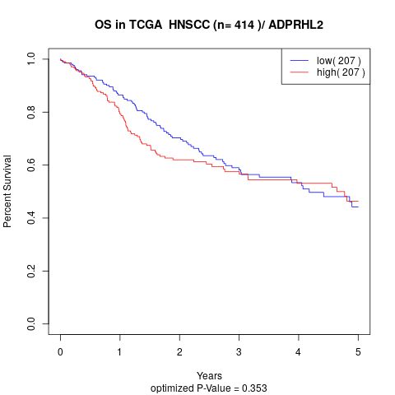

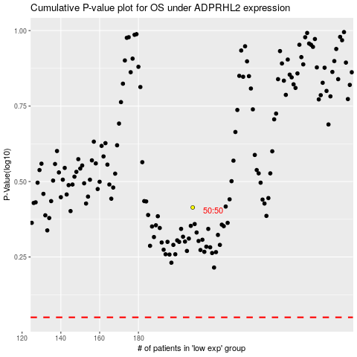

 |  |  |  |  |  | cases_OS | p_OS | rank | exp
 |  |  |  |  |  |  | cases_RFS | p_RFS | rank | exp

