ADRA2A _multivariate
Reported by Tex Li-Hsing Chi. tex@gate.sinica.edu.tw 2019-08-22

Table 2. The clinicopathological features of HNSCC cohort and ADRA2A expression. (Chi square test)
Cutoff at -0.34 (49.8%)
 |  | ADRA2A expression |  | ADRA2A expression |  | (Optimised)
 | Features | Low | (%) | High | (%) | Case no | P-value | Remark | Matthews
Gender | Female | 157 | 37.8 | 149 | 35.9 | 415 | 0.3881 | 0 | 0
2 | Male | 50 | 12 | 59 | 14.2
Age at diagnosis | <=65y | 140 | 33.7 | 134 | 32.3 | 415 | 0.5574 | 0 | 0
4 | >65y | 67 | 16.1 | 74 | 17.8
Clinical T Status | T1+T2 | 80 | 19.3 | 69 | 16.6 | 415 | 0.2891 | 0 | 0
6 | T3+T4 | 127 | 30.6 | 139 | 33.5
Clinical N Status | N0 | 105 | 25.3 | 111 | 26.7 | 415 | 0.6598 | 0 | 0
8 | N1-3 | 102 | 24.6 | 97 | 23.4
Clinical M Status | M0 | 204 | 49.2 | 208 | 50.1 | 415 | 0.1232 | 0 | 0
10 | M1 | 3 | 0.7 | 0 | 0
Clinical Stage | Stage I+II | 53 | 12.8 | 49 | 11.8 | 415 | 0.7113 | 0 | 0
12 | Stage III+IV | 154 | 37.1 | 159 | 38.3
Surgical Margin status | Negative | 155 | 37.3 | 163 | 39.3 | 415 | 0.4187 | 0 | 0
14 | Positive | 52 | 12.5 | 45 | 10.8
Tobacco Exposure | Low | 86 | 20.7 | 75 | 18.1 | 415 | 0.2687 | 0 | 0
16 | High | 121 | 29.2 | 133 | 32

Table 3. Univariate/Multivariate Cox's proportional hazards regression analyses on OS time of ADRA2A gene expression in HNSCC

 |  | Univariate |  |  |  | Multivariate
 | Features | HR | CI95%(L) | CI95%(H) | P-value | HR | CI95%(L) | CI95%(H) | P-value
1 | Female | 1 |  |  |  | 1
Gender | Male | 1.157 | 0.843 | 1.587 | 0.367 | 1.219 | 0.871 | 1.707 | 0.248
11 | <=65y | 1 |  |  |  | 1
Age at diagnosis | >65y | 1.329 | 0.99 | 1.784 | 0.058 | 1.384 | 1.018 | 1.879 | 0.038
12 | T1+T2 | 1 |  |  |  | 1
Clinical T Status | T3+T4 | 1.409 | 1.028 | 1.931 | 0.033 | 2.246 | 1.186 | 4.253 | 0.013
13 | N0 | 1 |  |  |  | 1
Clinical N Status | N1-3 | 1.185 | 0.89 | 1.577 | 0.246 | 1.215 | 0.85 | 1.737 | 0.284
14 | M0 | 1 |  |  |  | 1
Clinical M Status | M1 | 4.097 | 1.009 | 16.644 | 0.049 | 8.868 | 1.928 | 40.781 | 0.005
15 | Stage I+II | 1 |  |  |  | 1
Clinical Stage | Stage III+IV | 1.245 | 0.882 | 1.759 | 0.213 | 0.508 | 0.237 | 1.091 | 0.083
16 | Negative | 1 |  |  |  | 1
Surgical Margin status | Positive | 1.591 | 1.155 | 2.191 | 0.004 | 1.696 | 1.225 | 2.348 | 0.001
17 | Low | 1 |  |  |  | 1
Tobacco Exposure | High | 1.364 | 1.008 | 1.844 | 0.044 | 1.479 | 1.07 | 2.043 | 0.018
18 | Low | 1 |  |  |  | 1
RNAseq(z-score) | High | 0.889 | 0.668 | 1.185 | 0.424 | 0.839 | 0.625 | 1.126 | 0.242

Table 4. Univariate/Multivariate Cox's proportional hazards regression analyses on RFS time of ADRA2A gene expression in HNSCC

 |  | Univariate |  |  |  | Multivariate
 | Features | HR | CI95%(L) | CI95%(H) | P-value | HR | CI95%(L) | CI95%(H) | P-value
1 | Female | 1 |  |  |  | 1
Gender | Male | 1.157 | 0.843 | 1.587 | 0.367 | 1.219 | 0.871 | 1.707 | 0.248
11 | <=65y | 1 |  |  |  | 1
Age at diagnosis | >65y | 1.329 | 0.99 | 1.784 | 0.058 | 1.384 | 1.018 | 1.879 | 0.038
12 | T1+T2 | 1 |  |  |  | 1
Clinical T Status | T3+T4 | 1.409 | 1.028 | 1.931 | 0.033 | 2.246 | 1.186 | 4.253 | 0.013
13 | N0 | 1 |  |  |  | 1
Clinical N Status | N1-3 | 1.185 | 0.89 | 1.577 | 0.246 | 1.215 | 0.85 | 1.737 | 0.284
14 | M0 | 1 |  |  |  | 1
Clinical M Status | M1 | 4.097 | 1.009 | 16.644 | 0.049 | 8.868 | 1.928 | 40.781 | 0.005
15 | Stage I+II | 1 |  |  |  | 1
Clinical Stage | Stage III+IV | 1.245 | 0.882 | 1.759 | 0.213 | 0.508 | 0.237 | 1.091 | 0.083
16 | Negative | 1 |  |  |  | 1
Surgical Margin status | Positive | 1.591 | 1.155 | 2.191 | 0.004 | 1.696 | 1.225 | 2.348 | 0.001
17 | Low | 1 |  |  |  | 1
Tobacco Exposure | High | 1.364 | 1.008 | 1.844 | 0.044 | 1.479 | 1.07 | 2.043 | 0.018
18 | Low | 1 |  |  |  | 1
RNAseq(z-score) | High | 0.889 | 0.668 | 1.185 | 0.424 | 0.839 | 0.625 | 1.126 | 0.242

Kaplan-Meier survival estimate: Cutoff at -0.34 (49.8%)



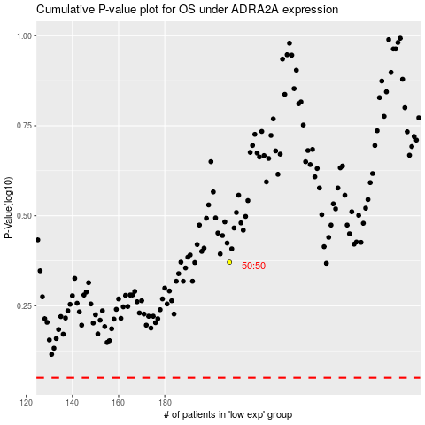

 |  |  |  |  |  | cases_OS | p_OS | rank | exp
 |  |  |  |  |  |  | cases_RFS | p_RFS | rank | exp

