ADRB2 _multivariate
Reported by Tex Li-Hsing Chi. tex@gate.sinica.edu.tw 2019-08-22

Table 2. The clinicopathological features of HNSCC cohort and ADRB2 expression. (Chi square test)
Cutoff at -0.293 (50.0%)
 |  | ADRB2 expression |  | ADRB2 expression |  | (Optimised)
 | Features | Low | (%) | High | (%) | Case no | P-value | Remark | Matthews
Gender | Female | 158 | 38.1 | 148 | 35.7 | 415 | 0.2774 | 0 | 0
2 | Male | 49 | 11.8 | 60 | 14.5
Age at diagnosis | <=65y | 125 | 30.1 | 149 | 35.9 | 415 | 0.0206 | 1 | 0
4 | >65y | 82 | 19.8 | 59 | 14.2
Clinical T Status | T1+T2 | 67 | 16.1 | 82 | 19.8 | 415 | 0.1628 | 0 | 0
6 | T3+T4 | 140 | 33.7 | 126 | 30.4
Clinical N Status | N0 | 109 | 26.3 | 107 | 25.8 | 415 | 0.8812 | 0 | 0
8 | N1-3 | 98 | 23.6 | 101 | 24.3
Clinical M Status | M0 | 206 | 49.6 | 206 | 49.6 | 415 | 1 | 0 | 0
10 | M1 | 1 | 0.2 | 2 | 0.5
Clinical Stage | Stage I+II | 50 | 12 | 52 | 12.5 | 415 | 0.9315 | 0 | 0
12 | Stage III+IV | 157 | 37.8 | 156 | 37.6
Surgical Margin status | Negative | 160 | 38.6 | 158 | 38.1 | 415 | 0.8167 | 0 | 0
14 | Positive | 47 | 11.3 | 50 | 12
Tobacco Exposure | Low | 68 | 16.4 | 93 | 22.4 | 415 | 0.0156 | 1 | 0
16 | High | 139 | 33.5 | 115 | 27.7

Table 3. Univariate/Multivariate Cox's proportional hazards regression analyses on OS time of ADRB2 gene expression in HNSCC

 |  | Univariate |  |  |  | Multivariate
 | Features | HR | CI95%(L) | CI95%(H) | P-value | HR | CI95%(L) | CI95%(H) | P-value
1 | Female | 1 |  |  |  | 1
Gender | Male | 1.157 | 0.843 | 1.587 | 0.367 | 1.168 | 0.834 | 1.634 | 0.366
11 | <=65y | 1 |  |  |  | 1
Age at diagnosis | >65y | 1.329 | 0.99 | 1.784 | 0.058 | 1.434 | 1.053 | 1.952 | 0.022
12 | T1+T2 | 1 |  |  |  | 1
Clinical T Status | T3+T4 | 1.409 | 1.028 | 1.931 | 0.033 | 2.328 | 1.227 | 4.415 | 0.01
13 | N0 | 1 |  |  |  | 1
Clinical N Status | N1-3 | 1.185 | 0.89 | 1.577 | 0.246 | 1.258 | 0.881 | 1.795 | 0.206
14 | M0 | 1 |  |  |  | 1
Clinical M Status | M1 | 4.097 | 1.009 | 16.644 | 0.049 | 9.071 | 1.977 | 41.62 | 0.005
15 | Stage I+II | 1 |  |  |  | 1
Clinical Stage | Stage III+IV | 1.245 | 0.882 | 1.759 | 0.213 | 0.481 | 0.224 | 1.036 | 0.062
16 | Negative | 1 |  |  |  | 1
Surgical Margin status | Positive | 1.591 | 1.155 | 2.191 | 0.004 | 1.645 | 1.19 | 2.273 | 0.003
17 | Low | 1 |  |  |  | 1
Tobacco Exposure | High | 1.364 | 1.008 | 1.844 | 0.044 | 1.497 | 1.085 | 2.066 | 0.014
18 | Low | 1 |  |  |  | 1
RNAseq(z-score) | High | 1.208 | 0.906 | 1.61 | 0.197 | 1.297 | 0.966 | 1.742 | 0.083

Table 4. Univariate/Multivariate Cox's proportional hazards regression analyses on RFS time of ADRB2 gene expression in HNSCC

 |  | Univariate |  |  |  | Multivariate
 | Features | HR | CI95%(L) | CI95%(H) | P-value | HR | CI95%(L) | CI95%(H) | P-value
1 | Female | 1 |  |  |  | 1
Gender | Male | 1.157 | 0.843 | 1.587 | 0.367 | 1.168 | 0.834 | 1.634 | 0.366
11 | <=65y | 1 |  |  |  | 1
Age at diagnosis | >65y | 1.329 | 0.99 | 1.784 | 0.058 | 1.434 | 1.053 | 1.952 | 0.022
12 | T1+T2 | 1 |  |  |  | 1
Clinical T Status | T3+T4 | 1.409 | 1.028 | 1.931 | 0.033 | 2.328 | 1.227 | 4.415 | 0.01
13 | N0 | 1 |  |  |  | 1
Clinical N Status | N1-3 | 1.185 | 0.89 | 1.577 | 0.246 | 1.258 | 0.881 | 1.795 | 0.206
14 | M0 | 1 |  |  |  | 1
Clinical M Status | M1 | 4.097 | 1.009 | 16.644 | 0.049 | 9.071 | 1.977 | 41.62 | 0.005
15 | Stage I+II | 1 |  |  |  | 1
Clinical Stage | Stage III+IV | 1.245 | 0.882 | 1.759 | 0.213 | 0.481 | 0.224 | 1.036 | 0.062
16 | Negative | 1 |  |  |  | 1
Surgical Margin status | Positive | 1.591 | 1.155 | 2.191 | 0.004 | 1.645 | 1.19 | 2.273 | 0.003
17 | Low | 1 |  |  |  | 1
Tobacco Exposure | High | 1.364 | 1.008 | 1.844 | 0.044 | 1.497 | 1.085 | 2.066 | 0.014
18 | Low | 1 |  |  |  | 1
RNAseq(z-score) | High | 1.208 | 0.906 | 1.61 | 0.197 | 1.297 | 0.966 | 1.742 | 0.083

Kaplan-Meier survival estimate: Cutoff at -0.293 (50.0%)



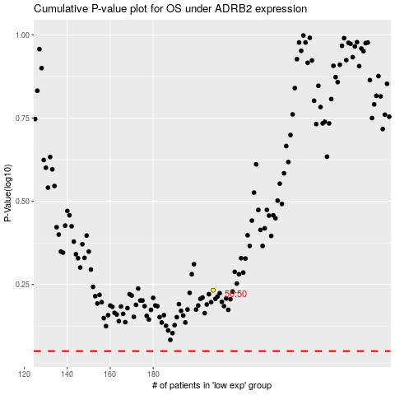

 |  |  |  |  |  | cases_OS | p_OS | rank | exp
 |  |  |  |  |  |  | cases_RFS | p_RFS | rank | exp

