AEBP2 _multivariate
Reported by Tex Li-Hsing Chi. tex@gate.sinica.edu.tw 2019-08-22

Table 2. The clinicopathological features of HNSCC cohort and AEBP2 expression. (Chi square test)
Cutoff at -0.168 (49.8%)
 |  | AEBP2 expression |  | AEBP2 expression |  | (Optimised)
 | Features | Low | (%) | High | (%) | Case no | P-value | Remark | Matthews
Gender | Female | 146 | 35.2 | 160 | 38.6 | 415 | 0.1714 | 0 | 0
2 | Male | 61 | 14.7 | 48 | 11.6
Age at diagnosis | <=65y | 135 | 32.5 | 139 | 33.5 | 415 | 0.8084 | 0 | 0
4 | >65y | 72 | 17.3 | 69 | 16.6
Clinical T Status | T1+T2 | 71 | 17.1 | 78 | 18.8 | 415 | 0.5638 | 0 | 0
6 | T3+T4 | 136 | 32.8 | 130 | 31.3
Clinical N Status | N0 | 100 | 24.1 | 116 | 28 | 415 | 0.1548 | 0 | 0
8 | N1-3 | 107 | 25.8 | 92 | 22.2
Clinical M Status | M0 | 205 | 49.4 | 207 | 49.9 | 415 | 0.6232 | 0 | 0
10 | M1 | 2 | 0.5 | 1 | 0.2
Clinical Stage | Stage I+II | 49 | 11.8 | 53 | 12.8 | 415 | 0.7535 | 0 | 0
12 | Stage III+IV | 158 | 38.1 | 155 | 37.3
Surgical Margin status | Negative | 158 | 38.1 | 160 | 38.6 | 415 | 0.9081 | 0 | 0
14 | Positive | 49 | 11.8 | 48 | 11.6
Tobacco Exposure | Low | 80 | 19.3 | 81 | 19.5 | 415 | 1 | 0 | 0
16 | High | 127 | 30.6 | 127 | 30.6

Table 3. Univariate/Multivariate Cox's proportional hazards regression analyses on OS time of AEBP2 gene expression in HNSCC

 |  | Univariate |  |  |  | Multivariate
 | Features | HR | CI95%(L) | CI95%(H) | P-value | HR | CI95%(L) | CI95%(H) | P-value
1 | Female | 1 |  |  |  | 1
Gender | Male | 1.157 | 0.843 | 1.587 | 0.367 | 1.178 | 0.841 | 1.652 | 0.341
11 | <=65y | 1 |  |  |  | 1
Age at diagnosis | >65y | 1.329 | 0.99 | 1.784 | 0.058 | 1.379 | 1.014 | 1.875 | 0.041
12 | T1+T2 | 1 |  |  |  | 1
Clinical T Status | T3+T4 | 1.409 | 1.028 | 1.931 | 0.033 | 2.173 | 1.149 | 4.11 | 0.017
13 | N0 | 1 |  |  |  | 1
Clinical N Status | N1-3 | 1.185 | 0.89 | 1.577 | 0.246 | 1.231 | 0.863 | 1.757 | 0.251
14 | M0 | 1 |  |  |  | 1
Clinical M Status | M1 | 4.097 | 1.009 | 16.644 | 0.049 | 8.892 | 1.929 | 40.992 | 0.005
15 | Stage I+II | 1 |  |  |  | 1
Clinical Stage | Stage III+IV | 1.245 | 0.882 | 1.759 | 0.213 | 0.518 | 0.241 | 1.115 | 0.092
16 | Negative | 1 |  |  |  | 1
Surgical Margin status | Positive | 1.591 | 1.155 | 2.191 | 0.004 | 1.664 | 1.204 | 2.299 | 0.002
17 | Low | 1 |  |  |  | 1
Tobacco Exposure | High | 1.364 | 1.008 | 1.844 | 0.044 | 1.456 | 1.057 | 2.007 | 0.022
18 | Low | 1 |  |  |  | 1
RNAseq(z-score) | High | 0.839 | 0.629 | 1.118 | 0.23 | 0.883 | 0.658 | 1.185 | 0.408

Table 4. Univariate/Multivariate Cox's proportional hazards regression analyses on RFS time of AEBP2 gene expression in HNSCC

 |  | Univariate |  |  |  | Multivariate
 | Features | HR | CI95%(L) | CI95%(H) | P-value | HR | CI95%(L) | CI95%(H) | P-value
1 | Female | 1 |  |  |  | 1
Gender | Male | 1.157 | 0.843 | 1.587 | 0.367 | 1.178 | 0.841 | 1.652 | 0.341
11 | <=65y | 1 |  |  |  | 1
Age at diagnosis | >65y | 1.329 | 0.99 | 1.784 | 0.058 | 1.379 | 1.014 | 1.875 | 0.041
12 | T1+T2 | 1 |  |  |  | 1
Clinical T Status | T3+T4 | 1.409 | 1.028 | 1.931 | 0.033 | 2.173 | 1.149 | 4.11 | 0.017
13 | N0 | 1 |  |  |  | 1
Clinical N Status | N1-3 | 1.185 | 0.89 | 1.577 | 0.246 | 1.231 | 0.863 | 1.757 | 0.251
14 | M0 | 1 |  |  |  | 1
Clinical M Status | M1 | 4.097 | 1.009 | 16.644 | 0.049 | 8.892 | 1.929 | 40.992 | 0.005
15 | Stage I+II | 1 |  |  |  | 1
Clinical Stage | Stage III+IV | 1.245 | 0.882 | 1.759 | 0.213 | 0.518 | 0.241 | 1.115 | 0.092
16 | Negative | 1 |  |  |  | 1
Surgical Margin status | Positive | 1.591 | 1.155 | 2.191 | 0.004 | 1.664 | 1.204 | 2.299 | 0.002
17 | Low | 1 |  |  |  | 1
Tobacco Exposure | High | 1.364 | 1.008 | 1.844 | 0.044 | 1.456 | 1.057 | 2.007 | 0.022
18 | Low | 1 |  |  |  | 1
RNAseq(z-score) | High | 0.839 | 0.629 | 1.118 | 0.23 | 0.883 | 0.658 | 1.185 | 0.408

Kaplan-Meier survival estimate: Cutoff at -0.168 (49.8%)



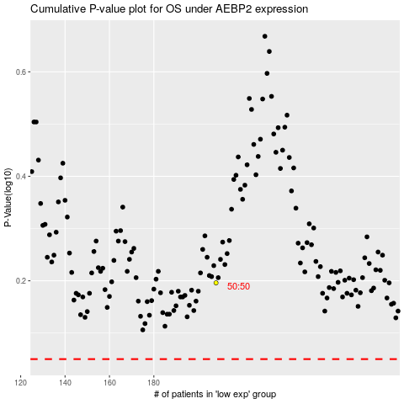

 |  |  |  |  |  | cases_OS | p_OS | rank | exp
 |  |  |  |  |  |  | cases_RFS | p_RFS | rank | exp

