AFAP1L1 _multivariate
Reported by Tex Li-Hsing Chi. tex@gate.sinica.edu.tw 2019-08-22

Table 2. The clinicopathological features of HNSCC cohort and AFAP1L1 expression. (Chi square test)
Cutoff at -0.137 (50.0%)
 |  | AFAP1L1 expression |  | AFAP1L1 expression |  | (Optimised)
 | Features | Low | (%) | High | (%) | Case no | P-value | Remark | Matthews
Gender | Female | 165 | 39.8 | 141 | 34 | 415 | 0.0081 | 1 | 0
2 | Male | 42 | 10.1 | 67 | 16.1
Age at diagnosis | <=65y | 139 | 33.5 | 135 | 32.5 | 415 | 0.7044 | 0 | 0
4 | >65y | 68 | 16.4 | 73 | 17.6
Clinical T Status | T1+T2 | 69 | 16.6 | 80 | 19.3 | 415 | 0.3239 | 0 | 0
6 | T3+T4 | 138 | 33.3 | 128 | 30.8
Clinical N Status | N0 | 104 | 25.1 | 112 | 27 | 415 | 0.5243 | 0 | 0
8 | N1-3 | 103 | 24.8 | 96 | 23.1
Clinical M Status | M0 | 205 | 49.4 | 207 | 49.9 | 415 | 0.6232 | 0 | 0
10 | M1 | 2 | 0.5 | 1 | 0.2
Clinical Stage | Stage I+II | 45 | 10.8 | 57 | 13.7 | 415 | 0.2202 | 0 | 0
12 | Stage III+IV | 162 | 39 | 151 | 36.4
Surgical Margin status | Negative | 160 | 38.6 | 158 | 38.1 | 415 | 0.8167 | 0 | 0
14 | Positive | 47 | 11.3 | 50 | 12
Tobacco Exposure | Low | 66 | 15.9 | 95 | 22.9 | 415 | 0.0048 | 1 | 0
16 | High | 141 | 34 | 113 | 27.2

Table 3. Univariate/Multivariate Cox's proportional hazards regression analyses on OS time of AFAP1L1 gene expression in HNSCC

 |  | Univariate |  |  |  | Multivariate
 | Features | HR | CI95%(L) | CI95%(H) | P-value | HR | CI95%(L) | CI95%(H) | P-value
1 | Female | 1 |  |  |  | 1
Gender | Male | 1.157 | 0.843 | 1.587 | 0.367 | 1.198 | 0.858 | 1.674 | 0.289
11 | <=65y | 1 |  |  |  | 1
Age at diagnosis | >65y | 1.329 | 0.99 | 1.784 | 0.058 | 1.388 | 1.02 | 1.888 | 0.037
12 | T1+T2 | 1 |  |  |  | 1
Clinical T Status | T3+T4 | 1.409 | 1.028 | 1.931 | 0.033 | 2.201 | 1.164 | 4.16 | 0.015
13 | N0 | 1 |  |  |  | 1
Clinical N Status | N1-3 | 1.185 | 0.89 | 1.577 | 0.246 | 1.247 | 0.873 | 1.78 | 0.225
14 | M0 | 1 |  |  |  | 1
Clinical M Status | M1 | 4.097 | 1.009 | 16.644 | 0.049 | 9.528 | 2.076 | 43.734 | 0.004
15 | Stage I+II | 1 |  |  |  | 1
Clinical Stage | Stage III+IV | 1.245 | 0.882 | 1.759 | 0.213 | 0.506 | 0.236 | 1.086 | 0.081
16 | Negative | 1 |  |  |  | 1
Surgical Margin status | Positive | 1.591 | 1.155 | 2.191 | 0.004 | 1.669 | 1.208 | 2.307 | 0.002
17 | Low | 1 |  |  |  | 1
Tobacco Exposure | High | 1.364 | 1.008 | 1.844 | 0.044 | 1.468 | 1.061 | 2.031 | 0.021
18 | Low | 1 |  |  |  | 1
RNAseq(z-score) | High | 0.996 | 0.747 | 1.328 | 0.98 | 1.059 | 0.786 | 1.427 | 0.706

Table 4. Univariate/Multivariate Cox's proportional hazards regression analyses on RFS time of AFAP1L1 gene expression in HNSCC

 |  | Univariate |  |  |  | Multivariate
 | Features | HR | CI95%(L) | CI95%(H) | P-value | HR | CI95%(L) | CI95%(H) | P-value
1 | Female | 1 |  |  |  | 1
Gender | Male | 1.157 | 0.843 | 1.587 | 0.367 | 1.198 | 0.858 | 1.674 | 0.289
11 | <=65y | 1 |  |  |  | 1
Age at diagnosis | >65y | 1.329 | 0.99 | 1.784 | 0.058 | 1.388 | 1.02 | 1.888 | 0.037
12 | T1+T2 | 1 |  |  |  | 1
Clinical T Status | T3+T4 | 1.409 | 1.028 | 1.931 | 0.033 | 2.201 | 1.164 | 4.16 | 0.015
13 | N0 | 1 |  |  |  | 1
Clinical N Status | N1-3 | 1.185 | 0.89 | 1.577 | 0.246 | 1.247 | 0.873 | 1.78 | 0.225
14 | M0 | 1 |  |  |  | 1
Clinical M Status | M1 | 4.097 | 1.009 | 16.644 | 0.049 | 9.528 | 2.076 | 43.734 | 0.004
15 | Stage I+II | 1 |  |  |  | 1
Clinical Stage | Stage III+IV | 1.245 | 0.882 | 1.759 | 0.213 | 0.506 | 0.236 | 1.086 | 0.081
16 | Negative | 1 |  |  |  | 1
Surgical Margin status | Positive | 1.591 | 1.155 | 2.191 | 0.004 | 1.669 | 1.208 | 2.307 | 0.002
17 | Low | 1 |  |  |  | 1
Tobacco Exposure | High | 1.364 | 1.008 | 1.844 | 0.044 | 1.468 | 1.061 | 2.031 | 0.021
18 | Low | 1 |  |  |  | 1
RNAseq(z-score) | High | 0.996 | 0.747 | 1.328 | 0.98 | 1.059 | 0.786 | 1.427 | 0.706

Kaplan-Meier survival estimate: Cutoff at -0.137 (50.0%)



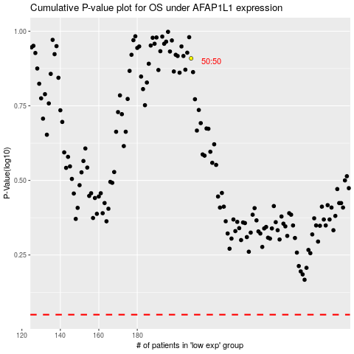

 |  |  |  |  |  | cases_OS | p_OS | rank | exp
 |  |  |  |  |  |  | cases_RFS | p_RFS | rank | exp

