AFAP1L2 _multivariate
Reported by Tex Li-Hsing Chi. tex@gate.sinica.edu.tw 2019-08-22

Table 2. The clinicopathological features of HNSCC cohort and AFAP1L2 expression. (Chi square test)
Cutoff at 0.087 (50.0%)
 |  | AFAP1L2 expression |  | AFAP1L2 expression |  | (Optimised)
 | Features | Low | (%) | High | (%) | Case no | P-value | Remark | Matthews
Gender | Female | 151 | 36.4 | 155 | 37.3 | 415 | 0.8007 | 0 | 0
2 | Male | 56 | 13.5 | 53 | 12.8
Age at diagnosis | <=65y | 130 | 31.3 | 144 | 34.7 | 415 | 0.2009 | 0 | 0
4 | >65y | 77 | 18.6 | 64 | 15.4
Clinical T Status | T1+T2 | 73 | 17.6 | 76 | 18.3 | 415 | 0.8666 | 0 | 0
6 | T3+T4 | 134 | 32.3 | 132 | 31.8
Clinical N Status | N0 | 112 | 27 | 104 | 25.1 | 415 | 0.4599 | 0 | 0
8 | N1-3 | 95 | 22.9 | 104 | 25.1
Clinical M Status | M0 | 207 | 49.9 | 205 | 49.4 | 415 | 0.2482 | 0 | 0
10 | M1 | 0 | 0 | 3 | 0.7
Clinical Stage | Stage I+II | 45 | 10.8 | 57 | 13.7 | 415 | 0.2202 | 0 | 0
12 | Stage III+IV | 162 | 39 | 151 | 36.4
Surgical Margin status | Negative | 148 | 35.7 | 170 | 41 | 415 | 0.015 | 1 | 0
14 | Positive | 59 | 14.2 | 38 | 9.2
Tobacco Exposure | Low | 73 | 17.6 | 88 | 21.2 | 415 | 0.1587 | 0 | 0
16 | High | 134 | 32.3 | 120 | 28.9

Table 3. Univariate/Multivariate Cox's proportional hazards regression analyses on OS time of AFAP1L2 gene expression in HNSCC

 |  | Univariate |  |  |  | Multivariate
 | Features | HR | CI95%(L) | CI95%(H) | P-value | HR | CI95%(L) | CI95%(H) | P-value
1 | Female | 1 |  |  |  | 1
Gender | Male | 1.157 | 0.843 | 1.587 | 0.367 | 1.198 | 0.857 | 1.675 | 0.29
11 | <=65y | 1 |  |  |  | 1
Age at diagnosis | >65y | 1.329 | 0.99 | 1.784 | 0.058 | 1.385 | 1.018 | 1.885 | 0.038
12 | T1+T2 | 1 |  |  |  | 1
Clinical T Status | T3+T4 | 1.409 | 1.028 | 1.931 | 0.033 | 2.226 | 1.174 | 4.223 | 0.014
13 | N0 | 1 |  |  |  | 1
Clinical N Status | N1-3 | 1.185 | 0.89 | 1.577 | 0.246 | 1.251 | 0.874 | 1.792 | 0.221
14 | M0 | 1 |  |  |  | 1
Clinical M Status | M1 | 4.097 | 1.009 | 16.644 | 0.049 | 9.696 | 2.092 | 44.942 | 0.004
15 | Stage I+II | 1 |  |  |  | 1
Clinical Stage | Stage III+IV | 1.245 | 0.882 | 1.759 | 0.213 | 0.495 | 0.228 | 1.071 | 0.074
16 | Negative | 1 |  |  |  | 1
Surgical Margin status | Positive | 1.591 | 1.155 | 2.191 | 0.004 | 1.652 | 1.187 | 2.3 | 0.003
17 | Low | 1 |  |  |  | 1
Tobacco Exposure | High | 1.364 | 1.008 | 1.844 | 0.044 | 1.444 | 1.046 | 1.993 | 0.026
18 | Low | 1 |  |  |  | 1
RNAseq(z-score) | High | 0.879 | 0.66 | 1.17 | 0.376 | 0.951 | 0.703 | 1.287 | 0.745

Table 4. Univariate/Multivariate Cox's proportional hazards regression analyses on RFS time of AFAP1L2 gene expression in HNSCC

 |  | Univariate |  |  |  | Multivariate
 | Features | HR | CI95%(L) | CI95%(H) | P-value | HR | CI95%(L) | CI95%(H) | P-value
1 | Female | 1 |  |  |  | 1
Gender | Male | 1.157 | 0.843 | 1.587 | 0.367 | 1.198 | 0.857 | 1.675 | 0.29
11 | <=65y | 1 |  |  |  | 1
Age at diagnosis | >65y | 1.329 | 0.99 | 1.784 | 0.058 | 1.385 | 1.018 | 1.885 | 0.038
12 | T1+T2 | 1 |  |  |  | 1
Clinical T Status | T3+T4 | 1.409 | 1.028 | 1.931 | 0.033 | 2.226 | 1.174 | 4.223 | 0.014
13 | N0 | 1 |  |  |  | 1
Clinical N Status | N1-3 | 1.185 | 0.89 | 1.577 | 0.246 | 1.251 | 0.874 | 1.792 | 0.221
14 | M0 | 1 |  |  |  | 1
Clinical M Status | M1 | 4.097 | 1.009 | 16.644 | 0.049 | 9.696 | 2.092 | 44.942 | 0.004
15 | Stage I+II | 1 |  |  |  | 1
Clinical Stage | Stage III+IV | 1.245 | 0.882 | 1.759 | 0.213 | 0.495 | 0.228 | 1.071 | 0.074
16 | Negative | 1 |  |  |  | 1
Surgical Margin status | Positive | 1.591 | 1.155 | 2.191 | 0.004 | 1.652 | 1.187 | 2.3 | 0.003
17 | Low | 1 |  |  |  | 1
Tobacco Exposure | High | 1.364 | 1.008 | 1.844 | 0.044 | 1.444 | 1.046 | 1.993 | 0.026
18 | Low | 1 |  |  |  | 1
RNAseq(z-score) | High | 0.879 | 0.66 | 1.17 | 0.376 | 0.951 | 0.703 | 1.287 | 0.745

Kaplan-Meier survival estimate: Cutoff at 0.087 (50.0%)



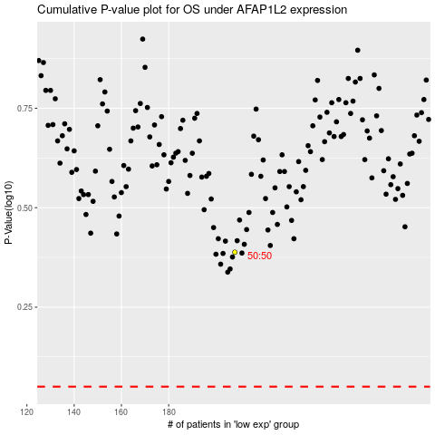

 |  |  |  |  |  | cases_OS | p_OS | rank | exp
 |  |  |  |  |  |  | cases_RFS | p_RFS | rank | exp

