AFF2 _multivariate
Reported by Tex Li-Hsing Chi. tex@gate.sinica.edu.tw 2019-08-22

Table 2. The clinicopathological features of HNSCC cohort and AFF2 expression. (Chi square test)
Cutoff at -0.348 (49.8%)
 |  | AFF2 expression |  | AFF2 expression |  | (Optimised)
 | Features | Low | (%) | High | (%) | Case no | P-value | Remark | Matthews
Gender | Female | 147 | 35.4 | 159 | 38.3 | 415 | 0.2523 | 0 | 0
2 | Male | 60 | 14.5 | 49 | 11.8
Age at diagnosis | <=65y | 143 | 34.5 | 131 | 31.6 | 415 | 0.2269 | 0 | 0
4 | >65y | 64 | 15.4 | 77 | 18.6
Clinical T Status | T1+T2 | 74 | 17.8 | 75 | 18.1 | 415 | 1 | 0 | 0
6 | T3+T4 | 133 | 32 | 133 | 32
Clinical N Status | N0 | 105 | 25.3 | 111 | 26.7 | 415 | 0.6598 | 0 | 0
8 | N1-3 | 102 | 24.6 | 97 | 23.4
Clinical M Status | M0 | 204 | 49.2 | 208 | 50.1 | 415 | 0.1232 | 0 | 0
10 | M1 | 3 | 0.7 | 0 | 0
Clinical Stage | Stage I+II | 51 | 12.3 | 51 | 12.3 | 415 | 1 | 0 | 0
12 | Stage III+IV | 156 | 37.6 | 157 | 37.8
Surgical Margin status | Negative | 154 | 37.1 | 164 | 39.5 | 415 | 0.2984 | 0 | 0
14 | Positive | 53 | 12.8 | 44 | 10.6
Tobacco Exposure | Low | 97 | 23.4 | 64 | 15.4 | 415 | 9e-04 | 1 | 0
16 | High | 110 | 26.5 | 144 | 34.7

Table 3. Univariate/Multivariate Cox's proportional hazards regression analyses on OS time of AFF2 gene expression in HNSCC

 |  | Univariate |  |  |  | Multivariate
 | Features | HR | CI95%(L) | CI95%(H) | P-value | HR | CI95%(L) | CI95%(H) | P-value
1 | Female | 1 |  |  |  | 1
Gender | Male | 1.157 | 0.843 | 1.587 | 0.367 | 1.176 | 0.839 | 1.647 | 0.347
11 | <=65y | 1 |  |  |  | 1
Age at diagnosis | >65y | 1.329 | 0.99 | 1.784 | 0.058 | 1.419 | 1.043 | 1.931 | 0.026
12 | T1+T2 | 1 |  |  |  | 1
Clinical T Status | T3+T4 | 1.409 | 1.028 | 1.931 | 0.033 | 2.206 | 1.167 | 4.171 | 0.015
13 | N0 | 1 |  |  |  | 1
Clinical N Status | N1-3 | 1.185 | 0.89 | 1.577 | 0.246 | 1.238 | 0.868 | 1.766 | 0.238
14 | M0 | 1 |  |  |  | 1
Clinical M Status | M1 | 4.097 | 1.009 | 16.644 | 0.049 | 8.553 | 1.854 | 39.459 | 0.006
15 | Stage I+II | 1 |  |  |  | 1
Clinical Stage | Stage III+IV | 1.245 | 0.882 | 1.759 | 0.213 | 0.505 | 0.235 | 1.084 | 0.08
16 | Negative | 1 |  |  |  | 1
Surgical Margin status | Positive | 1.591 | 1.155 | 2.191 | 0.004 | 1.659 | 1.201 | 2.292 | 0.002
17 | Low | 1 |  |  |  | 1
Tobacco Exposure | High | 1.364 | 1.008 | 1.844 | 0.044 | 1.493 | 1.08 | 2.064 | 0.015
18 | Low | 1 |  |  |  | 1
RNAseq(z-score) | High | 0.848 | 0.636 | 1.13 | 0.259 | 0.825 | 0.614 | 1.109 | 0.202

Table 4. Univariate/Multivariate Cox's proportional hazards regression analyses on RFS time of AFF2 gene expression in HNSCC

 |  | Univariate |  |  |  | Multivariate
 | Features | HR | CI95%(L) | CI95%(H) | P-value | HR | CI95%(L) | CI95%(H) | P-value
1 | Female | 1 |  |  |  | 1
Gender | Male | 1.157 | 0.843 | 1.587 | 0.367 | 1.176 | 0.839 | 1.647 | 0.347
11 | <=65y | 1 |  |  |  | 1
Age at diagnosis | >65y | 1.329 | 0.99 | 1.784 | 0.058 | 1.419 | 1.043 | 1.931 | 0.026
12 | T1+T2 | 1 |  |  |  | 1
Clinical T Status | T3+T4 | 1.409 | 1.028 | 1.931 | 0.033 | 2.206 | 1.167 | 4.171 | 0.015
13 | N0 | 1 |  |  |  | 1
Clinical N Status | N1-3 | 1.185 | 0.89 | 1.577 | 0.246 | 1.238 | 0.868 | 1.766 | 0.238
14 | M0 | 1 |  |  |  | 1
Clinical M Status | M1 | 4.097 | 1.009 | 16.644 | 0.049 | 8.553 | 1.854 | 39.459 | 0.006
15 | Stage I+II | 1 |  |  |  | 1
Clinical Stage | Stage III+IV | 1.245 | 0.882 | 1.759 | 0.213 | 0.505 | 0.235 | 1.084 | 0.08
16 | Negative | 1 |  |  |  | 1
Surgical Margin status | Positive | 1.591 | 1.155 | 2.191 | 0.004 | 1.659 | 1.201 | 2.292 | 0.002
17 | Low | 1 |  |  |  | 1
Tobacco Exposure | High | 1.364 | 1.008 | 1.844 | 0.044 | 1.493 | 1.08 | 2.064 | 0.015
18 | Low | 1 |  |  |  | 1
RNAseq(z-score) | High | 0.848 | 0.636 | 1.13 | 0.259 | 0.825 | 0.614 | 1.109 | 0.202

Kaplan-Meier survival estimate: Cutoff at -0.348 (49.8%)



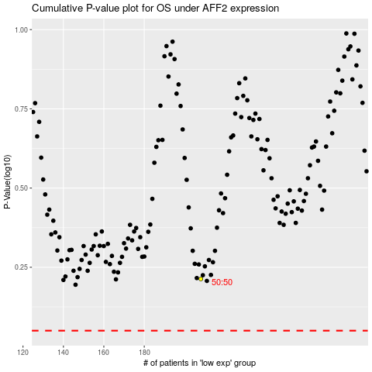

 |  |  |  |  |  | cases_OS | p_OS | rank | exp
 |  |  |  |  |  |  | cases_RFS | p_RFS | rank | exp

