AFG3L1 _multivariate
Reported by Tex Li-Hsing Chi. tex@gate.sinica.edu.tw 2019-08-22

Table 2. The clinicopathological features of HNSCC cohort and AFG3L1 expression. (Chi square test)
Cutoff at -0.159 (49.8%)
 |  | AFG3L1 expression |  | AFG3L1 expression |  | (Optimised)
 | Features | Low | (%) | High | (%) | Case no | P-value | Remark | Matthews
Gender | Female | 152 | 36.6 | 154 | 37.1 | 415 | 0.9766 | 0 | 0
2 | Male | 55 | 13.3 | 54 | 13
Age at diagnosis | <=65y | 137 | 33 | 137 | 33 | 415 | 1 | 0 | 0
4 | >65y | 70 | 16.9 | 71 | 17.1
Clinical T Status | T1+T2 | 70 | 16.9 | 79 | 19 | 415 | 0.4343 | 0 | 0
6 | T3+T4 | 137 | 33 | 129 | 31.1
Clinical N Status | N0 | 101 | 24.3 | 115 | 27.7 | 415 | 0.2201 | 0 | 0
8 | N1-3 | 106 | 25.5 | 93 | 22.4
Clinical M Status | M0 | 206 | 49.6 | 206 | 49.6 | 415 | 1 | 0 | 0
10 | M1 | 1 | 0.2 | 2 | 0.5
Clinical Stage | Stage I+II | 47 | 11.3 | 55 | 13.3 | 415 | 0.4413 | 0 | 0
12 | Stage III+IV | 160 | 38.6 | 153 | 36.9
Surgical Margin status | Negative | 164 | 39.5 | 154 | 37.1 | 415 | 0.2462 | 0 | 0
14 | Positive | 43 | 10.4 | 54 | 13
Tobacco Exposure | Low | 78 | 18.8 | 83 | 20 | 415 | 0.6873 | 0 | 0
16 | High | 129 | 31.1 | 125 | 30.1

Table 3. Univariate/Multivariate Cox's proportional hazards regression analyses on OS time of AFG3L1 gene expression in HNSCC

 |  | Univariate |  |  |  | Multivariate
 | Features | HR | CI95%(L) | CI95%(H) | P-value | HR | CI95%(L) | CI95%(H) | P-value
1 | Female | 1 |  |  |  | 1
Gender | Male | 1.157 | 0.843 | 1.587 | 0.367 | 1.209 | 0.865 | 1.688 | 0.266
11 | <=65y | 1 |  |  |  | 1
Age at diagnosis | >65y | 1.329 | 0.99 | 1.784 | 0.058 | 1.401 | 1.03 | 1.907 | 0.032
12 | T1+T2 | 1 |  |  |  | 1
Clinical T Status | T3+T4 | 1.409 | 1.028 | 1.931 | 0.033 | 2.202 | 1.166 | 4.161 | 0.015
13 | N0 | 1 |  |  |  | 1
Clinical N Status | N1-3 | 1.185 | 0.89 | 1.577 | 0.246 | 1.228 | 0.861 | 1.753 | 0.257
14 | M0 | 1 |  |  |  | 1
Clinical M Status | M1 | 4.097 | 1.009 | 16.644 | 0.049 | 9.72 | 2.119 | 44.6 | 0.003
15 | Stage I+II | 1 |  |  |  | 1
Clinical Stage | Stage III+IV | 1.245 | 0.882 | 1.759 | 0.213 | 0.501 | 0.233 | 1.074 | 0.076
16 | Negative | 1 |  |  |  | 1
Surgical Margin status | Positive | 1.591 | 1.155 | 2.191 | 0.004 | 1.722 | 1.243 | 2.385 | 0.001
17 | Low | 1 |  |  |  | 1
Tobacco Exposure | High | 1.364 | 1.008 | 1.844 | 0.044 | 1.487 | 1.077 | 2.053 | 0.016
18 | Low | 1 |  |  |  | 1
RNAseq(z-score) | High | 0.846 | 0.633 | 1.129 | 0.256 | 0.798 | 0.596 | 1.07 | 0.131

Table 4. Univariate/Multivariate Cox's proportional hazards regression analyses on RFS time of AFG3L1 gene expression in HNSCC

 |  | Univariate |  |  |  | Multivariate
 | Features | HR | CI95%(L) | CI95%(H) | P-value | HR | CI95%(L) | CI95%(H) | P-value
1 | Female | 1 |  |  |  | 1
Gender | Male | 1.157 | 0.843 | 1.587 | 0.367 | 1.209 | 0.865 | 1.688 | 0.266
11 | <=65y | 1 |  |  |  | 1
Age at diagnosis | >65y | 1.329 | 0.99 | 1.784 | 0.058 | 1.401 | 1.03 | 1.907 | 0.032
12 | T1+T2 | 1 |  |  |  | 1
Clinical T Status | T3+T4 | 1.409 | 1.028 | 1.931 | 0.033 | 2.202 | 1.166 | 4.161 | 0.015
13 | N0 | 1 |  |  |  | 1
Clinical N Status | N1-3 | 1.185 | 0.89 | 1.577 | 0.246 | 1.228 | 0.861 | 1.753 | 0.257
14 | M0 | 1 |  |  |  | 1
Clinical M Status | M1 | 4.097 | 1.009 | 16.644 | 0.049 | 9.72 | 2.119 | 44.6 | 0.003
15 | Stage I+II | 1 |  |  |  | 1
Clinical Stage | Stage III+IV | 1.245 | 0.882 | 1.759 | 0.213 | 0.501 | 0.233 | 1.074 | 0.076
16 | Negative | 1 |  |  |  | 1
Surgical Margin status | Positive | 1.591 | 1.155 | 2.191 | 0.004 | 1.722 | 1.243 | 2.385 | 0.001
17 | Low | 1 |  |  |  | 1
Tobacco Exposure | High | 1.364 | 1.008 | 1.844 | 0.044 | 1.487 | 1.077 | 2.053 | 0.016
18 | Low | 1 |  |  |  | 1
RNAseq(z-score) | High | 0.846 | 0.633 | 1.129 | 0.256 | 0.798 | 0.596 | 1.07 | 0.131

Kaplan-Meier survival estimate: Cutoff at -0.159 (49.8%)



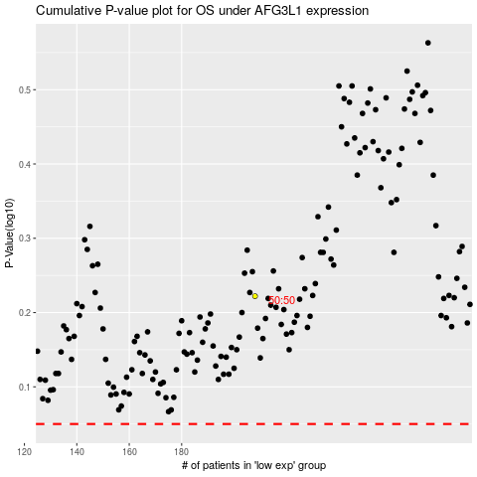

 |  |  |  |  |  | cases_OS | p_OS | rank | exp
 |  |  |  |  |  |  | cases_RFS | p_RFS | rank | exp

