AFMID _multivariate
Reported by Tex Li-Hsing Chi. tex@gate.sinica.edu.tw 2019-08-22

Table 2. The clinicopathological features of HNSCC cohort and AFMID expression. (Chi square test)
Cutoff at -0.244 (49.8%)
 |  | AFMID expression |  | AFMID expression |  | (Optimised)
 | Features | Low | (%) | High | (%) | Case no | P-value | Remark | Matthews
Gender | Female | 139 | 33.5 | 167 | 40.2 | 415 | 0.0034 | 1 | 0
2 | Male | 68 | 16.4 | 41 | 9.9
Age at diagnosis | <=65y | 126 | 30.4 | 148 | 35.7 | 415 | 0.035 | 1 | 0
4 | >65y | 81 | 19.5 | 60 | 14.5
Clinical T Status | T1+T2 | 74 | 17.8 | 75 | 18.1 | 415 | 1 | 0 | 0
6 | T3+T4 | 133 | 32 | 133 | 32
Clinical N Status | N0 | 117 | 28.2 | 99 | 23.9 | 415 | 0.0852 | 1 | 0
8 | N1-3 | 90 | 21.7 | 109 | 26.3
Clinical M Status | M0 | 206 | 49.6 | 206 | 49.6 | 415 | 1 | 0 | 0
10 | M1 | 1 | 0.2 | 2 | 0.5
Clinical Stage | Stage I+II | 55 | 13.3 | 47 | 11.3 | 415 | 0.4087 | 0 | 0
12 | Stage III+IV | 152 | 36.6 | 161 | 38.8
Surgical Margin status | Negative | 167 | 40.2 | 151 | 36.4 | 415 | 0.0632 | 0 | 0
14 | Positive | 40 | 9.6 | 57 | 13.7
Tobacco Exposure | Low | 100 | 24.1 | 61 | 14.7 | 415 | 1e-04 | 1 | 0
16 | High | 107 | 25.8 | 147 | 35.4

Table 3. Univariate/Multivariate Cox's proportional hazards regression analyses on OS time of AFMID gene expression in HNSCC

 |  | Univariate |  |  |  | Multivariate
 | Features | HR | CI95%(L) | CI95%(H) | P-value | HR | CI95%(L) | CI95%(H) | P-value
1 | Female | 1 |  |  |  | 1
Gender | Male | 1.157 | 0.843 | 1.587 | 0.367 | 1.157 | 0.827 | 1.62 | 0.394
11 | <=65y | 1 |  |  |  | 1
Age at diagnosis | >65y | 1.329 | 0.99 | 1.784 | 0.058 | 1.343 | 0.985 | 1.829 | 0.062
12 | T1+T2 | 1 |  |  |  | 1
Clinical T Status | T3+T4 | 1.409 | 1.028 | 1.931 | 0.033 | 2.153 | 1.138 | 4.073 | 0.018
13 | N0 | 1 |  |  |  | 1
Clinical N Status | N1-3 | 1.185 | 0.89 | 1.577 | 0.246 | 1.29 | 0.902 | 1.844 | 0.163
14 | M0 | 1 |  |  |  | 1
Clinical M Status | M1 | 4.097 | 1.009 | 16.644 | 0.049 | 9.204 | 2.008 | 42.19 | 0.004
15 | Stage I+II | 1 |  |  |  | 1
Clinical Stage | Stage III+IV | 1.245 | 0.882 | 1.759 | 0.213 | 0.512 | 0.239 | 1.1 | 0.086
16 | Negative | 1 |  |  |  | 1
Surgical Margin status | Positive | 1.591 | 1.155 | 2.191 | 0.004 | 1.712 | 1.238 | 2.367 | 0.001
17 | Low | 1 |  |  |  | 1
Tobacco Exposure | High | 1.364 | 1.008 | 1.844 | 0.044 | 1.523 | 1.102 | 2.104 | 0.011
18 | Low | 1 |  |  |  | 1
RNAseq(z-score) | High | 0.796 | 0.597 | 1.061 | 0.119 | 0.751 | 0.554 | 1.018 | 0.065

Table 4. Univariate/Multivariate Cox's proportional hazards regression analyses on RFS time of AFMID gene expression in HNSCC

 |  | Univariate |  |  |  | Multivariate
 | Features | HR | CI95%(L) | CI95%(H) | P-value | HR | CI95%(L) | CI95%(H) | P-value
1 | Female | 1 |  |  |  | 1
Gender | Male | 1.157 | 0.843 | 1.587 | 0.367 | 1.157 | 0.827 | 1.62 | 0.394
11 | <=65y | 1 |  |  |  | 1
Age at diagnosis | >65y | 1.329 | 0.99 | 1.784 | 0.058 | 1.343 | 0.985 | 1.829 | 0.062
12 | T1+T2 | 1 |  |  |  | 1
Clinical T Status | T3+T4 | 1.409 | 1.028 | 1.931 | 0.033 | 2.153 | 1.138 | 4.073 | 0.018
13 | N0 | 1 |  |  |  | 1
Clinical N Status | N1-3 | 1.185 | 0.89 | 1.577 | 0.246 | 1.29 | 0.902 | 1.844 | 0.163
14 | M0 | 1 |  |  |  | 1
Clinical M Status | M1 | 4.097 | 1.009 | 16.644 | 0.049 | 9.204 | 2.008 | 42.19 | 0.004
15 | Stage I+II | 1 |  |  |  | 1
Clinical Stage | Stage III+IV | 1.245 | 0.882 | 1.759 | 0.213 | 0.512 | 0.239 | 1.1 | 0.086
16 | Negative | 1 |  |  |  | 1
Surgical Margin status | Positive | 1.591 | 1.155 | 2.191 | 0.004 | 1.712 | 1.238 | 2.367 | 0.001
17 | Low | 1 |  |  |  | 1
Tobacco Exposure | High | 1.364 | 1.008 | 1.844 | 0.044 | 1.523 | 1.102 | 2.104 | 0.011
18 | Low | 1 |  |  |  | 1
RNAseq(z-score) | High | 0.796 | 0.597 | 1.061 | 0.119 | 0.751 | 0.554 | 1.018 | 0.065

Kaplan-Meier survival estimate: Cutoff at -0.244 (49.8%)



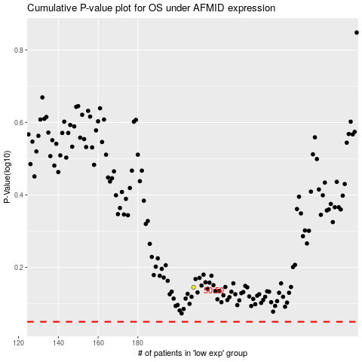

 |  |  |  |  |  | cases_OS | p_OS | rank | exp
 |  |  |  |  |  |  | cases_RFS | p_RFS | rank | exp

