AGAP5 _multivariate
Reported by Tex Li-Hsing Chi. tex@gate.sinica.edu.tw 2019-08-22

Table 2. The clinicopathological features of HNSCC cohort and AGAP5 expression. (Chi square test)
Cutoff at -0.155 (50.5%)
 |  | AGAP5 expression |  | AGAP5 expression |  | (Optimised)
 | Features | Low | (%) | High | (%) | Case no | P-value | Remark | Matthews
Gender | Female | 145 | 34.9 | 161 | 38.8 | 415 | 0.0371 | 1 | 0
2 | Male | 65 | 15.7 | 44 | 10.6
Age at diagnosis | <=65y | 136 | 32.8 | 138 | 33.3 | 415 | 0.6557 | 0 | 0
4 | >65y | 74 | 17.8 | 67 | 16.1
Clinical T Status | T1+T2 | 74 | 17.8 | 75 | 18.1 | 415 | 0.8542 | 0 | 0
6 | T3+T4 | 136 | 32.8 | 130 | 31.3
Clinical N Status | N0 | 114 | 27.5 | 102 | 24.6 | 415 | 0.4093 | 1 | 0
8 | N1-3 | 96 | 23.1 | 103 | 24.8
Clinical M Status | M0 | 209 | 50.4 | 203 | 48.9 | 415 | 0.6196 | 0 | 0
10 | M1 | 1 | 0.2 | 2 | 0.5
Clinical Stage | Stage I+II | 56 | 13.5 | 46 | 11.1 | 415 | 0.3756 | 0 | 0
12 | Stage III+IV | 154 | 37.1 | 159 | 38.3
Surgical Margin status | Negative | 163 | 39.3 | 155 | 37.3 | 415 | 0.6443 | 0 | 0
14 | Positive | 47 | 11.3 | 50 | 12
Tobacco Exposure | Low | 86 | 20.7 | 75 | 18.1 | 415 | 0.3667 | 0 | 0
16 | High | 124 | 29.9 | 130 | 31.3

Table 3. Univariate/Multivariate Cox's proportional hazards regression analyses on OS time of AGAP5 gene expression in HNSCC

 |  | Univariate |  |  |  | Multivariate
 | Features | HR | CI95%(L) | CI95%(H) | P-value | HR | CI95%(L) | CI95%(H) | P-value
1 | Female | 1 |  |  |  | 1
Gender | Male | 1.157 | 0.843 | 1.587 | 0.367 | 1.15 | 0.82 | 1.612 | 0.417
11 | <=65y | 1 |  |  |  | 1
Age at diagnosis | >65y | 1.329 | 0.99 | 1.784 | 0.058 | 1.394 | 1.026 | 1.895 | 0.034
12 | T1+T2 | 1 |  |  |  | 1
Clinical T Status | T3+T4 | 1.409 | 1.028 | 1.931 | 0.033 | 2.098 | 1.107 | 3.976 | 0.023
13 | N0 | 1 |  |  |  | 1
Clinical N Status | N1-3 | 1.185 | 0.89 | 1.577 | 0.246 | 1.218 | 0.854 | 1.738 | 0.277
14 | M0 | 1 |  |  |  | 1
Clinical M Status | M1 | 4.097 | 1.009 | 16.644 | 0.049 | 9.121 | 1.99 | 41.815 | 0.004
15 | Stage I+II | 1 |  |  |  | 1
Clinical Stage | Stage III+IV | 1.245 | 0.882 | 1.759 | 0.213 | 0.542 | 0.251 | 1.169 | 0.119
16 | Negative | 1 |  |  |  | 1
Surgical Margin status | Positive | 1.591 | 1.155 | 2.191 | 0.004 | 1.666 | 1.206 | 2.3 | 0.002
17 | Low | 1 |  |  |  | 1
Tobacco Exposure | High | 1.364 | 1.008 | 1.844 | 0.044 | 1.443 | 1.048 | 1.988 | 0.025
18 | Low | 1 |  |  |  | 1
RNAseq(z-score) | High | 0.747 | 0.559 | 0.999 | 0.049 | 0.78 | 0.579 | 1.049 | 0.1

Table 4. Univariate/Multivariate Cox's proportional hazards regression analyses on RFS time of AGAP5 gene expression in HNSCC

 |  | Univariate |  |  |  | Multivariate
 | Features | HR | CI95%(L) | CI95%(H) | P-value | HR | CI95%(L) | CI95%(H) | P-value
1 | Female | 1 |  |  |  | 1
Gender | Male | 1.157 | 0.843 | 1.587 | 0.367 | 1.15 | 0.82 | 1.612 | 0.417
11 | <=65y | 1 |  |  |  | 1
Age at diagnosis | >65y | 1.329 | 0.99 | 1.784 | 0.058 | 1.394 | 1.026 | 1.895 | 0.034
12 | T1+T2 | 1 |  |  |  | 1
Clinical T Status | T3+T4 | 1.409 | 1.028 | 1.931 | 0.033 | 2.098 | 1.107 | 3.976 | 0.023
13 | N0 | 1 |  |  |  | 1
Clinical N Status | N1-3 | 1.185 | 0.89 | 1.577 | 0.246 | 1.218 | 0.854 | 1.738 | 0.277
14 | M0 | 1 |  |  |  | 1
Clinical M Status | M1 | 4.097 | 1.009 | 16.644 | 0.049 | 9.121 | 1.99 | 41.815 | 0.004
15 | Stage I+II | 1 |  |  |  | 1
Clinical Stage | Stage III+IV | 1.245 | 0.882 | 1.759 | 0.213 | 0.542 | 0.251 | 1.169 | 0.119
16 | Negative | 1 |  |  |  | 1
Surgical Margin status | Positive | 1.591 | 1.155 | 2.191 | 0.004 | 1.666 | 1.206 | 2.3 | 0.002
17 | Low | 1 |  |  |  | 1
Tobacco Exposure | High | 1.364 | 1.008 | 1.844 | 0.044 | 1.443 | 1.048 | 1.988 | 0.025
18 | Low | 1 |  |  |  | 1
RNAseq(z-score) | High | 0.747 | 0.559 | 0.999 | 0.049 | 0.78 | 0.579 | 1.049 | 0.1

Kaplan-Meier survival estimate: Cutoff at -0.155 (50.5%)



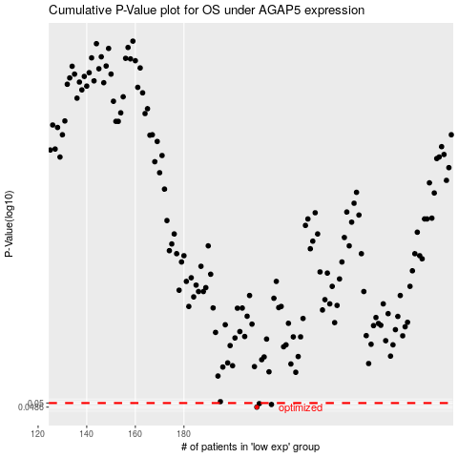

 |  |  |  |  |  | cases_OS | p_OS | rank | exp
 |  |  |  |  |  | 210 | 0.0486 | 173 | -0.15491642006
 |  |  |  |  |  | 216 | 0.0495 | 245 | -0.13900743504
 |  |  |  |  |  | 211 | 0.0498 | 110 | -0.14865395896
 |  |  |  |  |  |  | cases_RFS | p_RFS | rank | exp
 |  |  |  |  |  |  | 209 | 0.0486 | 229 | -0.15872057344
 |  |  |  |  |  |  | 215 | 0.0495 | 92 | -0.14196362786
 |  |  |  |  |  |  | 210 | 0.0498 | 173 | -0.15491642006

