AGAP7 _multivariate
Reported by Tex Li-Hsing Chi. tex@gate.sinica.edu.tw 2019-08-22

Table 2. The clinicopathological features of HNSCC cohort and AGAP7 expression. (Chi square test)
Cutoff at -0.318 (36.5%)
 |  | AGAP7 expression |  | AGAP7 expression |  | (Optimised)
 | Features | Low | (%) | High | (%) | Case no | P-value | Remark | Matthews
Gender | Female | 106 | 25.5 | 200 | 48.2 | 415 | 0.2618 | 0 | 0
2 | Male | 45 | 10.8 | 64 | 15.4
Age at diagnosis | <=65y | 97 | 23.4 | 177 | 42.7 | 415 | 0.6361 | 0 | 0
4 | >65y | 54 | 13 | 87 | 21
Clinical T Status | T1+T2 | 50 | 12 | 99 | 23.9 | 415 | 0.4295 | 0 | 0
6 | T3+T4 | 101 | 24.3 | 165 | 39.8
Clinical N Status | N0 | 78 | 18.8 | 138 | 33.3 | 415 | 0.9849 | 0 | 0
8 | N1-3 | 73 | 17.6 | 126 | 30.4
Clinical M Status | M0 | 151 | 36.4 | 261 | 62.9 | 415 | 0.5567 | 0 | 0
10 | M1 | 0 | 0 | 3 | 0.7
Clinical Stage | Stage I+II | 37 | 8.9 | 65 | 15.7 | 415 | 1 | 0 | 0
12 | Stage III+IV | 114 | 27.5 | 199 | 48
Surgical Margin status | Negative | 118 | 28.4 | 200 | 48.2 | 415 | 0.6305 | 0 | 0
14 | Positive | 33 | 8 | 64 | 15.4
Tobacco Exposure | Low | 64 | 15.4 | 97 | 23.4 | 415 | 0.2951 | 0 | 0
16 | High | 87 | 21 | 167 | 40.2

Table 3. Univariate/Multivariate Cox's proportional hazards regression analyses on OS time of AGAP7 gene expression in HNSCC

 |  | Univariate |  |  |  | Multivariate
 | Features | HR | CI95%(L) | CI95%(H) | P-value | HR | CI95%(L) | CI95%(H) | P-value
1 | Female | 1 |  |  |  | 1
Gender | Male | 1.157 | 0.843 | 1.587 | 0.367 | 1.167 | 0.834 | 1.634 | 0.368
11 | <=65y | 1 |  |  |  | 1
Age at diagnosis | >65y | 1.329 | 0.99 | 1.784 | 0.058 | 1.384 | 1.017 | 1.882 | 0.038
12 | T1+T2 | 1 |  |  |  | 1
Clinical T Status | T3+T4 | 1.409 | 1.028 | 1.931 | 0.033 | 2.135 | 1.129 | 4.036 | 0.02
13 | N0 | 1 |  |  |  | 1
Clinical N Status | N1-3 | 1.185 | 0.89 | 1.577 | 0.246 | 1.255 | 0.88 | 1.79 | 0.209
14 | M0 | 1 |  |  |  | 1
Clinical M Status | M1 | 4.097 | 1.009 | 16.644 | 0.049 | 10.395 | 2.261 | 47.791 | 0.003
15 | Stage I+II | 1 |  |  |  | 1
Clinical Stage | Stage III+IV | 1.245 | 0.882 | 1.759 | 0.213 | 0.513 | 0.239 | 1.101 | 0.087
16 | Negative | 1 |  |  |  | 1
Surgical Margin status | Positive | 1.591 | 1.155 | 2.191 | 0.004 | 1.709 | 1.236 | 2.362 | 0.001
17 | Low | 1 |  |  |  | 1
Tobacco Exposure | High | 1.364 | 1.008 | 1.844 | 0.044 | 1.505 | 1.089 | 2.08 | 0.013
18 | Low | 1 |  |  |  | 1
RNAseq(z-score) | High | 0.734 | 0.55 | 0.98 | 0.036 | 0.713 | 0.531 | 0.958 | 0.025

Table 4. Univariate/Multivariate Cox's proportional hazards regression analyses on RFS time of AGAP7 gene expression in HNSCC

 |  | Univariate |  |  |  | Multivariate
 | Features | HR | CI95%(L) | CI95%(H) | P-value | HR | CI95%(L) | CI95%(H) | P-value
1 | Female | 1 |  |  |  | 1
Gender | Male | 1.157 | 0.843 | 1.587 | 0.367 | 1.167 | 0.834 | 1.634 | 0.368
11 | <=65y | 1 |  |  |  | 1
Age at diagnosis | >65y | 1.329 | 0.99 | 1.784 | 0.058 | 1.384 | 1.017 | 1.882 | 0.038
12 | T1+T2 | 1 |  |  |  | 1
Clinical T Status | T3+T4 | 1.409 | 1.028 | 1.931 | 0.033 | 2.135 | 1.129 | 4.036 | 0.02
13 | N0 | 1 |  |  |  | 1
Clinical N Status | N1-3 | 1.185 | 0.89 | 1.577 | 0.246 | 1.255 | 0.88 | 1.79 | 0.209
14 | M0 | 1 |  |  |  | 1
Clinical M Status | M1 | 4.097 | 1.009 | 16.644 | 0.049 | 10.395 | 2.261 | 47.791 | 0.003
15 | Stage I+II | 1 |  |  |  | 1
Clinical Stage | Stage III+IV | 1.245 | 0.882 | 1.759 | 0.213 | 0.513 | 0.239 | 1.101 | 0.087
16 | Negative | 1 |  |  |  | 1
Surgical Margin status | Positive | 1.591 | 1.155 | 2.191 | 0.004 | 1.709 | 1.236 | 2.362 | 0.001
17 | Low | 1 |  |  |  | 1
Tobacco Exposure | High | 1.364 | 1.008 | 1.844 | 0.044 | 1.505 | 1.089 | 2.08 | 0.013
18 | Low | 1 |  |  |  | 1
RNAseq(z-score) | High | 0.734 | 0.55 | 0.98 | 0.036 | 0.713 | 0.531 | 0.958 | 0.025

Kaplan-Meier survival estimate: Cutoff at -0.318 (36.5%)



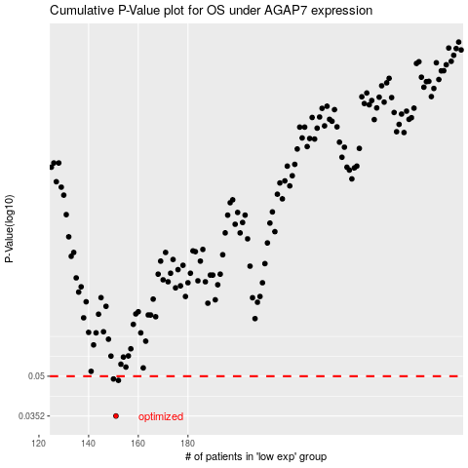

 |  |  |  |  |  | cases_OS | p_OS | rank | exp
 |  |  |  |  |  | 151 | 0.0352 | 396 | -0.3182823207
 |  |  |  |  |  | 152 | 0.0482 | 269 | -0.3178006191
 |  |  |  |  |  | 150 | 0.0488 | 222 | -0.32144549457
 |  |  |  |  |  |  | cases_RFS | p_RFS | rank | exp
 |  |  |  |  |  |  | 150 | 0.0352 | 222 | -0.32144549457
 |  |  |  |  |  |  | 151 | 0.0482 | 396 | -0.3182823207
 |  |  |  |  |  |  | 149 | 0.0488 | 265 | -0.32179874241

