AGAP8 _multivariate
Reported by Tex Li-Hsing Chi. tex@gate.sinica.edu.tw 2019-08-22

Table 2. The clinicopathological features of HNSCC cohort and AGAP8 expression. (Chi square test)
Cutoff at -0.224 (52.9%)
 |  | AGAP8 expression |  | AGAP8 expression |  | (Optimised)
 | Features | Low | (%) | High | (%) | Case no | P-value | Remark | Matthews
Gender | Female | 156 | 37.6 | 150 | 36.1 | 415 | 0.2659 | 0 | 0
2 | Male | 63 | 15.2 | 46 | 11.1
Age at diagnosis | <=65y | 141 | 34 | 133 | 32 | 415 | 0.5208 | 0 | 0
4 | >65y | 78 | 18.8 | 63 | 15.2
Clinical T Status | T1+T2 | 72 | 17.3 | 77 | 18.6 | 415 | 0.209 | 0 | 0
6 | T3+T4 | 147 | 35.4 | 119 | 28.7
Clinical N Status | N0 | 118 | 28.4 | 98 | 23.6 | 415 | 0.4891 | 0 | 0
8 | N1-3 | 101 | 24.3 | 98 | 23.6
Clinical M Status | M0 | 218 | 52.5 | 194 | 46.7 | 415 | 0.6044 | 0 | 0
10 | M1 | 1 | 0.2 | 2 | 0.5
Clinical Stage | Stage I+II | 54 | 13 | 48 | 11.6 | 415 | 1 | 0 | 0
12 | Stage III+IV | 165 | 39.8 | 148 | 35.7
Surgical Margin status | Negative | 172 | 41.4 | 146 | 35.2 | 415 | 0.3539 | 0 | 0
14 | Positive | 47 | 11.3 | 50 | 12
Tobacco Exposure | Low | 84 | 20.2 | 77 | 18.6 | 415 | 0.9197 | 0 | 0
16 | High | 135 | 32.5 | 119 | 28.7

Table 3. Univariate/Multivariate Cox's proportional hazards regression analyses on OS time of AGAP8 gene expression in HNSCC

 |  | Univariate |  |  |  | Multivariate
 | Features | HR | CI95%(L) | CI95%(H) | P-value | HR | CI95%(L) | CI95%(H) | P-value
1 | Female | 1 |  |  |  | 1
Gender | Male | 1.157 | 0.843 | 1.587 | 0.367 | 1.177 | 0.842 | 1.644 | 0.34
11 | <=65y | 1 |  |  |  | 1
Age at diagnosis | >65y | 1.329 | 0.99 | 1.784 | 0.058 | 1.362 | 1.002 | 1.852 | 0.049
12 | T1+T2 | 1 |  |  |  | 1
Clinical T Status | T3+T4 | 1.409 | 1.028 | 1.931 | 0.033 | 2.092 | 1.104 | 3.964 | 0.024
13 | N0 | 1 |  |  |  | 1
Clinical N Status | N1-3 | 1.185 | 0.89 | 1.577 | 0.246 | 1.235 | 0.866 | 1.762 | 0.244
14 | M0 | 1 |  |  |  | 1
Clinical M Status | M1 | 4.097 | 1.009 | 16.644 | 0.049 | 9.336 | 2.037 | 42.795 | 0.004
15 | Stage I+II | 1 |  |  |  | 1
Clinical Stage | Stage III+IV | 1.245 | 0.882 | 1.759 | 0.213 | 0.529 | 0.246 | 1.136 | 0.102
16 | Negative | 1 |  |  |  | 1
Surgical Margin status | Positive | 1.591 | 1.155 | 2.191 | 0.004 | 1.726 | 1.247 | 2.389 | 0.001
17 | Low | 1 |  |  |  | 1
Tobacco Exposure | High | 1.364 | 1.008 | 1.844 | 0.044 | 1.447 | 1.05 | 1.992 | 0.024
18 | Low | 1 |  |  |  | 1
RNAseq(z-score) | High | 0.746 | 0.557 | 0.999 | 0.049 | 0.759 | 0.564 | 1.021 | 0.069

Table 4. Univariate/Multivariate Cox's proportional hazards regression analyses on RFS time of AGAP8 gene expression in HNSCC

 |  | Univariate |  |  |  | Multivariate
 | Features | HR | CI95%(L) | CI95%(H) | P-value | HR | CI95%(L) | CI95%(H) | P-value
1 | Female | 1 |  |  |  | 1
Gender | Male | 1.157 | 0.843 | 1.587 | 0.367 | 1.177 | 0.842 | 1.644 | 0.34
11 | <=65y | 1 |  |  |  | 1
Age at diagnosis | >65y | 1.329 | 0.99 | 1.784 | 0.058 | 1.362 | 1.002 | 1.852 | 0.049
12 | T1+T2 | 1 |  |  |  | 1
Clinical T Status | T3+T4 | 1.409 | 1.028 | 1.931 | 0.033 | 2.092 | 1.104 | 3.964 | 0.024
13 | N0 | 1 |  |  |  | 1
Clinical N Status | N1-3 | 1.185 | 0.89 | 1.577 | 0.246 | 1.235 | 0.866 | 1.762 | 0.244
14 | M0 | 1 |  |  |  | 1
Clinical M Status | M1 | 4.097 | 1.009 | 16.644 | 0.049 | 9.336 | 2.037 | 42.795 | 0.004
15 | Stage I+II | 1 |  |  |  | 1
Clinical Stage | Stage III+IV | 1.245 | 0.882 | 1.759 | 0.213 | 0.529 | 0.246 | 1.136 | 0.102
16 | Negative | 1 |  |  |  | 1
Surgical Margin status | Positive | 1.591 | 1.155 | 2.191 | 0.004 | 1.726 | 1.247 | 2.389 | 0.001
17 | Low | 1 |  |  |  | 1
Tobacco Exposure | High | 1.364 | 1.008 | 1.844 | 0.044 | 1.447 | 1.05 | 1.992 | 0.024
18 | Low | 1 |  |  |  | 1
RNAseq(z-score) | High | 0.746 | 0.557 | 0.999 | 0.049 | 0.759 | 0.564 | 1.021 | 0.069

Kaplan-Meier survival estimate: Cutoff at -0.224 (52.9%)



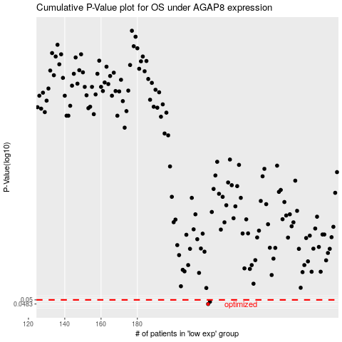

 |  |  |  |  |  | cases_OS | p_OS | rank | exp
 |  |  |  |  |  | 219 | 0.0483 | 28 | -0.22356622073
 |  |  |  |  |  | 220 | 0.0492 | 271 | -0.22185386679
 |  |  |  |  |  |  | cases_RFS | p_RFS | rank | exp
 |  |  |  |  |  |  | 218 | 0.0483 | 55 | -0.2240257662
 |  |  |  |  |  |  | 219 | 0.0492 | 28 | -0.22356622073

