AGBL2 _multivariate
Reported by Tex Li-Hsing Chi. tex@gate.sinica.edu.tw 2019-08-22

Table 2. The clinicopathological features of HNSCC cohort and AGBL2 expression. (Chi square test)
Cutoff at -0.15 (49.8%)
 |  | AGBL2 expression |  | AGBL2 expression |  | (Optimised)
 | Features | Low | (%) | High | (%) | Case no | P-value | Remark | Matthews
Gender | Female | 156 | 37.6 | 150 | 36.1 | 415 | 0.5222 | 0 | 0
2 | Male | 51 | 12.3 | 58 | 14
Age at diagnosis | <=65y | 145 | 34.9 | 129 | 31.1 | 415 | 0.1046 | 0 | 0
4 | >65y | 62 | 14.9 | 79 | 19
Clinical T Status | T1+T2 | 72 | 17.3 | 77 | 18.6 | 415 | 0.7095 | 0 | 0
6 | T3+T4 | 135 | 32.5 | 131 | 31.6
Clinical N Status | N0 | 103 | 24.8 | 113 | 27.2 | 415 | 0.4047 | 0 | 0
8 | N1-3 | 104 | 25.1 | 95 | 22.9
Clinical M Status | M0 | 206 | 49.6 | 206 | 49.6 | 415 | 1 | 0 | 0
10 | M1 | 1 | 0.2 | 2 | 0.5
Clinical Stage | Stage I+II | 47 | 11.3 | 55 | 13.3 | 415 | 0.4413 | 0 | 0
12 | Stage III+IV | 160 | 38.6 | 153 | 36.9
Surgical Margin status | Negative | 159 | 38.3 | 159 | 38.3 | 415 | 1 | 0 | 0
14 | Positive | 48 | 11.6 | 49 | 11.8
Tobacco Exposure | Low | 77 | 18.6 | 84 | 20.2 | 415 | 0.5459 | 0 | 0
16 | High | 130 | 31.3 | 124 | 29.9

Table 3. Univariate/Multivariate Cox's proportional hazards regression analyses on OS time of AGBL2 gene expression in HNSCC

 |  | Univariate |  |  |  | Multivariate
 | Features | HR | CI95%(L) | CI95%(H) | P-value | HR | CI95%(L) | CI95%(H) | P-value
1 | Female | 1 |  |  |  | 1
Gender | Male | 1.157 | 0.843 | 1.587 | 0.367 | 1.204 | 0.862 | 1.682 | 0.277
11 | <=65y | 1 |  |  |  | 1
Age at diagnosis | >65y | 1.329 | 0.99 | 1.784 | 0.058 | 1.405 | 1.031 | 1.915 | 0.031
12 | T1+T2 | 1 |  |  |  | 1
Clinical T Status | T3+T4 | 1.409 | 1.028 | 1.931 | 0.033 | 2.206 | 1.167 | 4.171 | 0.015
13 | N0 | 1 |  |  |  | 1
Clinical N Status | N1-3 | 1.185 | 0.89 | 1.577 | 0.246 | 1.24 | 0.869 | 1.769 | 0.236
14 | M0 | 1 |  |  |  | 1
Clinical M Status | M1 | 4.097 | 1.009 | 16.644 | 0.049 | 9.534 | 2.077 | 43.751 | 0.004
15 | Stage I+II | 1 |  |  |  | 1
Clinical Stage | Stage III+IV | 1.245 | 0.882 | 1.759 | 0.213 | 0.501 | 0.233 | 1.076 | 0.076
16 | Negative | 1 |  |  |  | 1
Surgical Margin status | Positive | 1.591 | 1.155 | 2.191 | 0.004 | 1.674 | 1.212 | 2.314 | 0.002
17 | Low | 1 |  |  |  | 1
Tobacco Exposure | High | 1.364 | 1.008 | 1.844 | 0.044 | 1.459 | 1.058 | 2.011 | 0.021
18 | Low | 1 |  |  |  | 1
RNAseq(z-score) | High | 0.983 | 0.738 | 1.309 | 0.909 | 0.934 | 0.699 | 1.248 | 0.643

Table 4. Univariate/Multivariate Cox's proportional hazards regression analyses on RFS time of AGBL2 gene expression in HNSCC

 |  | Univariate |  |  |  | Multivariate
 | Features | HR | CI95%(L) | CI95%(H) | P-value | HR | CI95%(L) | CI95%(H) | P-value
1 | Female | 1 |  |  |  | 1
Gender | Male | 1.157 | 0.843 | 1.587 | 0.367 | 1.204 | 0.862 | 1.682 | 0.277
11 | <=65y | 1 |  |  |  | 1
Age at diagnosis | >65y | 1.329 | 0.99 | 1.784 | 0.058 | 1.405 | 1.031 | 1.915 | 0.031
12 | T1+T2 | 1 |  |  |  | 1
Clinical T Status | T3+T4 | 1.409 | 1.028 | 1.931 | 0.033 | 2.206 | 1.167 | 4.171 | 0.015
13 | N0 | 1 |  |  |  | 1
Clinical N Status | N1-3 | 1.185 | 0.89 | 1.577 | 0.246 | 1.24 | 0.869 | 1.769 | 0.236
14 | M0 | 1 |  |  |  | 1
Clinical M Status | M1 | 4.097 | 1.009 | 16.644 | 0.049 | 9.534 | 2.077 | 43.751 | 0.004
15 | Stage I+II | 1 |  |  |  | 1
Clinical Stage | Stage III+IV | 1.245 | 0.882 | 1.759 | 0.213 | 0.501 | 0.233 | 1.076 | 0.076
16 | Negative | 1 |  |  |  | 1
Surgical Margin status | Positive | 1.591 | 1.155 | 2.191 | 0.004 | 1.674 | 1.212 | 2.314 | 0.002
17 | Low | 1 |  |  |  | 1
Tobacco Exposure | High | 1.364 | 1.008 | 1.844 | 0.044 | 1.459 | 1.058 | 2.011 | 0.021
18 | Low | 1 |  |  |  | 1
RNAseq(z-score) | High | 0.983 | 0.738 | 1.309 | 0.909 | 0.934 | 0.699 | 1.248 | 0.643

Kaplan-Meier survival estimate: Cutoff at -0.15 (49.8%)



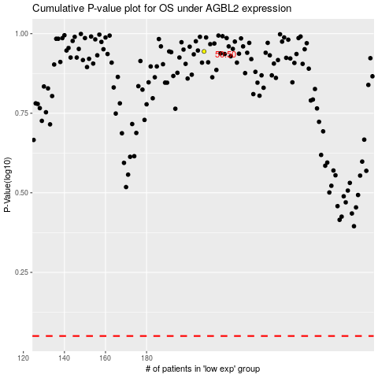

 |  |  |  |  |  | cases_OS | p_OS | rank | exp
 |  |  |  |  |  |  | cases_RFS | p_RFS | rank | exp

