AGBL5 _multivariate
Reported by Tex Li-Hsing Chi. tex@gate.sinica.edu.tw 2019-08-22

Table 2. The clinicopathological features of HNSCC cohort and AGBL5 expression. (Chi square test)
Cutoff at -0.195 (49.8%)
 |  | AGBL5 expression |  | AGBL5 expression |  | (Optimised)
 | Features | Low | (%) | High | (%) | Case no | P-value | Remark | Matthews
Gender | Female | 138 | 33.3 | 168 | 40.5 | 415 | 0.0016 | 1 | 0
2 | Male | 69 | 16.6 | 40 | 9.6
Age at diagnosis | <=65y | 130 | 31.3 | 144 | 34.7 | 415 | 0.2009 | 0 | 0
4 | >65y | 77 | 18.6 | 64 | 15.4
Clinical T Status | T1+T2 | 77 | 18.6 | 72 | 17.3 | 415 | 0.6556 | 0 | 0
6 | T3+T4 | 130 | 31.3 | 136 | 32.8
Clinical N Status | N0 | 112 | 27 | 104 | 25.1 | 415 | 0.4599 | 0 | 0
8 | N1-3 | 95 | 22.9 | 104 | 25.1
Clinical M Status | M0 | 205 | 49.4 | 207 | 49.9 | 415 | 0.6232 | 0 | 0
10 | M1 | 2 | 0.5 | 1 | 0.2
Clinical Stage | Stage I+II | 56 | 13.5 | 46 | 11.1 | 415 | 0.2918 | 0 | 0
12 | Stage III+IV | 151 | 36.4 | 162 | 39
Surgical Margin status | Negative | 158 | 38.1 | 160 | 38.6 | 415 | 0.9081 | 0 | 0
14 | Positive | 49 | 11.8 | 48 | 11.6
Tobacco Exposure | Low | 96 | 23.1 | 65 | 15.7 | 415 | 0.0018 | 1 | 0
16 | High | 111 | 26.7 | 143 | 34.5

Table 3. Univariate/Multivariate Cox's proportional hazards regression analyses on OS time of AGBL5 gene expression in HNSCC

 |  | Univariate |  |  |  | Multivariate
 | Features | HR | CI95%(L) | CI95%(H) | P-value | HR | CI95%(L) | CI95%(H) | P-value
1 | Female | 1 |  |  |  | 1
Gender | Male | 1.157 | 0.843 | 1.587 | 0.367 | 1.221 | 0.873 | 1.709 | 0.244
11 | <=65y | 1 |  |  |  | 1
Age at diagnosis | >65y | 1.329 | 0.99 | 1.784 | 0.058 | 1.399 | 1.029 | 1.902 | 0.032
12 | T1+T2 | 1 |  |  |  | 1
Clinical T Status | T3+T4 | 1.409 | 1.028 | 1.931 | 0.033 | 2.222 | 1.175 | 4.204 | 0.014
13 | N0 | 1 |  |  |  | 1
Clinical N Status | N1-3 | 1.185 | 0.89 | 1.577 | 0.246 | 1.243 | 0.871 | 1.774 | 0.231
14 | M0 | 1 |  |  |  | 1
Clinical M Status | M1 | 4.097 | 1.009 | 16.644 | 0.049 | 9.707 | 2.114 | 44.584 | 0.003
15 | Stage I+II | 1 |  |  |  | 1
Clinical Stage | Stage III+IV | 1.245 | 0.882 | 1.759 | 0.213 | 0.494 | 0.23 | 1.061 | 0.071
16 | Negative | 1 |  |  |  | 1
Surgical Margin status | Positive | 1.591 | 1.155 | 2.191 | 0.004 | 1.68 | 1.215 | 2.322 | 0.002
17 | Low | 1 |  |  |  | 1
Tobacco Exposure | High | 1.364 | 1.008 | 1.844 | 0.044 | 1.423 | 1.029 | 1.966 | 0.033
18 | Low | 1 |  |  |  | 1
RNAseq(z-score) | High | 1.124 | 0.841 | 1.502 | 0.429 | 1.141 | 0.846 | 1.54 | 0.387

Table 4. Univariate/Multivariate Cox's proportional hazards regression analyses on RFS time of AGBL5 gene expression in HNSCC

 |  | Univariate |  |  |  | Multivariate
 | Features | HR | CI95%(L) | CI95%(H) | P-value | HR | CI95%(L) | CI95%(H) | P-value
1 | Female | 1 |  |  |  | 1
Gender | Male | 1.157 | 0.843 | 1.587 | 0.367 | 1.221 | 0.873 | 1.709 | 0.244
11 | <=65y | 1 |  |  |  | 1
Age at diagnosis | >65y | 1.329 | 0.99 | 1.784 | 0.058 | 1.399 | 1.029 | 1.902 | 0.032
12 | T1+T2 | 1 |  |  |  | 1
Clinical T Status | T3+T4 | 1.409 | 1.028 | 1.931 | 0.033 | 2.222 | 1.175 | 4.204 | 0.014
13 | N0 | 1 |  |  |  | 1
Clinical N Status | N1-3 | 1.185 | 0.89 | 1.577 | 0.246 | 1.243 | 0.871 | 1.774 | 0.231
14 | M0 | 1 |  |  |  | 1
Clinical M Status | M1 | 4.097 | 1.009 | 16.644 | 0.049 | 9.707 | 2.114 | 44.584 | 0.003
15 | Stage I+II | 1 |  |  |  | 1
Clinical Stage | Stage III+IV | 1.245 | 0.882 | 1.759 | 0.213 | 0.494 | 0.23 | 1.061 | 0.071
16 | Negative | 1 |  |  |  | 1
Surgical Margin status | Positive | 1.591 | 1.155 | 2.191 | 0.004 | 1.68 | 1.215 | 2.322 | 0.002
17 | Low | 1 |  |  |  | 1
Tobacco Exposure | High | 1.364 | 1.008 | 1.844 | 0.044 | 1.423 | 1.029 | 1.966 | 0.033
18 | Low | 1 |  |  |  | 1
RNAseq(z-score) | High | 1.124 | 0.841 | 1.502 | 0.429 | 1.141 | 0.846 | 1.54 | 0.387

Kaplan-Meier survival estimate: Cutoff at -0.195 (49.8%)



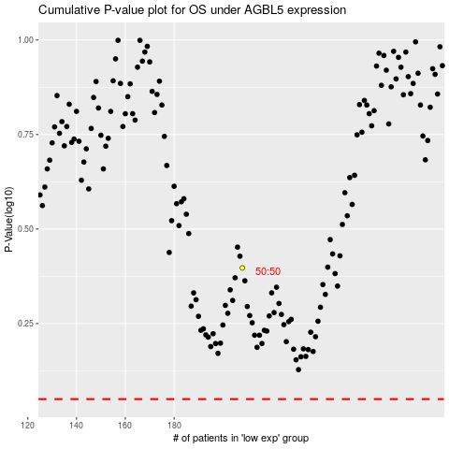

 |  |  |  |  |  | cases_OS | p_OS | rank | exp
 |  |  |  |  |  |  | cases_RFS | p_RFS | rank | exp

