AGK _multivariate
Reported by Tex Li-Hsing Chi. tex@gate.sinica.edu.tw 2019-08-22

Table 2. The clinicopathological features of HNSCC cohort and AGK expression. (Chi square test)
Cutoff at -0.079 (49.8%)
 |  | AGK expression |  | AGK expression |  | (Optimised)
 | Features | Low | (%) | High | (%) | Case no | P-value | Remark | Matthews
Gender | Female | 153 | 36.9 | 153 | 36.9 | 415 | 1 | 0 | 0
2 | Male | 54 | 13 | 55 | 13.3
Age at diagnosis | <=65y | 134 | 32.3 | 140 | 33.7 | 415 | 0.6529 | 0 | 0
4 | >65y | 73 | 17.6 | 68 | 16.4
Clinical T Status | T1+T2 | 78 | 18.8 | 71 | 17.1 | 415 | 0.5152 | 0 | 0
6 | T3+T4 | 129 | 31.1 | 137 | 33
Clinical N Status | N0 | 105 | 25.3 | 111 | 26.7 | 415 | 0.6598 | 0 | 0
8 | N1-3 | 102 | 24.6 | 97 | 23.4
Clinical M Status | M0 | 206 | 49.6 | 206 | 49.6 | 415 | 1 | 0 | 0
10 | M1 | 1 | 0.2 | 2 | 0.5
Clinical Stage | Stage I+II | 53 | 12.8 | 49 | 11.8 | 415 | 0.7113 | 0 | 0
12 | Stage III+IV | 154 | 37.1 | 159 | 38.3
Surgical Margin status | Negative | 157 | 37.8 | 161 | 38.8 | 415 | 0.729 | 0 | 0
14 | Positive | 50 | 12 | 47 | 11.3
Tobacco Exposure | Low | 89 | 21.4 | 72 | 17.3 | 415 | 0.0872 | 0 | 0
16 | High | 118 | 28.4 | 136 | 32.8

Table 3. Univariate/Multivariate Cox's proportional hazards regression analyses on OS time of AGK gene expression in HNSCC

 |  | Univariate |  |  |  | Multivariate
 | Features | HR | CI95%(L) | CI95%(H) | P-value | HR | CI95%(L) | CI95%(H) | P-value
1 | Female | 1 |  |  |  | 1
Gender | Male | 1.157 | 0.843 | 1.587 | 0.367 | 1.195 | 0.856 | 1.67 | 0.296
11 | <=65y | 1 |  |  |  | 1
Age at diagnosis | >65y | 1.329 | 0.99 | 1.784 | 0.058 | 1.385 | 1.019 | 1.884 | 0.038
12 | T1+T2 | 1 |  |  |  | 1
Clinical T Status | T3+T4 | 1.409 | 1.028 | 1.931 | 0.033 | 2.192 | 1.159 | 4.146 | 0.016
13 | N0 | 1 |  |  |  | 1
Clinical N Status | N1-3 | 1.185 | 0.89 | 1.577 | 0.246 | 1.226 | 0.859 | 1.751 | 0.262
14 | M0 | 1 |  |  |  | 1
Clinical M Status | M1 | 4.097 | 1.009 | 16.644 | 0.049 | 9.471 | 2.066 | 43.41 | 0.004
15 | Stage I+II | 1 |  |  |  | 1
Clinical Stage | Stage III+IV | 1.245 | 0.882 | 1.759 | 0.213 | 0.509 | 0.237 | 1.094 | 0.084
16 | Negative | 1 |  |  |  | 1
Surgical Margin status | Positive | 1.591 | 1.155 | 2.191 | 0.004 | 1.651 | 1.194 | 2.285 | 0.002
17 | Low | 1 |  |  |  | 1
Tobacco Exposure | High | 1.364 | 1.008 | 1.844 | 0.044 | 1.461 | 1.06 | 2.014 | 0.02
18 | Low | 1 |  |  |  | 1
RNAseq(z-score) | High | 0.856 | 0.643 | 1.141 | 0.29 | 0.889 | 0.665 | 1.188 | 0.427

Table 4. Univariate/Multivariate Cox's proportional hazards regression analyses on RFS time of AGK gene expression in HNSCC

 |  | Univariate |  |  |  | Multivariate
 | Features | HR | CI95%(L) | CI95%(H) | P-value | HR | CI95%(L) | CI95%(H) | P-value
1 | Female | 1 |  |  |  | 1
Gender | Male | 1.157 | 0.843 | 1.587 | 0.367 | 1.195 | 0.856 | 1.67 | 0.296
11 | <=65y | 1 |  |  |  | 1
Age at diagnosis | >65y | 1.329 | 0.99 | 1.784 | 0.058 | 1.385 | 1.019 | 1.884 | 0.038
12 | T1+T2 | 1 |  |  |  | 1
Clinical T Status | T3+T4 | 1.409 | 1.028 | 1.931 | 0.033 | 2.192 | 1.159 | 4.146 | 0.016
13 | N0 | 1 |  |  |  | 1
Clinical N Status | N1-3 | 1.185 | 0.89 | 1.577 | 0.246 | 1.226 | 0.859 | 1.751 | 0.262
14 | M0 | 1 |  |  |  | 1
Clinical M Status | M1 | 4.097 | 1.009 | 16.644 | 0.049 | 9.471 | 2.066 | 43.41 | 0.004
15 | Stage I+II | 1 |  |  |  | 1
Clinical Stage | Stage III+IV | 1.245 | 0.882 | 1.759 | 0.213 | 0.509 | 0.237 | 1.094 | 0.084
16 | Negative | 1 |  |  |  | 1
Surgical Margin status | Positive | 1.591 | 1.155 | 2.191 | 0.004 | 1.651 | 1.194 | 2.285 | 0.002
17 | Low | 1 |  |  |  | 1
Tobacco Exposure | High | 1.364 | 1.008 | 1.844 | 0.044 | 1.461 | 1.06 | 2.014 | 0.02
18 | Low | 1 |  |  |  | 1
RNAseq(z-score) | High | 0.856 | 0.643 | 1.141 | 0.29 | 0.889 | 0.665 | 1.188 | 0.427

Kaplan-Meier survival estimate: Cutoff at -0.079 (49.8%)



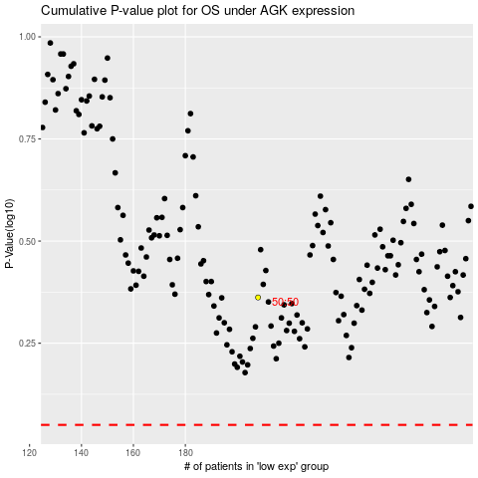

 |  |  |  |  |  | cases_OS | p_OS | rank | exp
 |  |  |  |  |  |  | cases_RFS | p_RFS | rank | exp

