AGL _multivariate
Reported by Tex Li-Hsing Chi. tex@gate.sinica.edu.tw 2019-08-22

Table 2. The clinicopathological features of HNSCC cohort and AGL expression. (Chi square test)
Cutoff at -0.211 (50.0%)
 |  | AGL expression |  | AGL expression |  | (Optimised)
 | Features | Low | (%) | High | (%) | Case no | P-value | Remark | Matthews
Gender | Female | 154 | 37.1 | 152 | 36.6 | 415 | 0.8463 | 0 | 0
2 | Male | 53 | 12.8 | 56 | 13.5
Age at diagnosis | <=65y | 130 | 31.3 | 144 | 34.7 | 415 | 0.2009 | 0 | 0
4 | >65y | 77 | 18.6 | 64 | 15.4
Clinical T Status | T1+T2 | 63 | 15.2 | 86 | 20.7 | 415 | 0.0268 | 1 | 0
6 | T3+T4 | 144 | 34.7 | 122 | 29.4
Clinical N Status | N0 | 109 | 26.3 | 107 | 25.8 | 415 | 0.8812 | 0 | 0
8 | N1-3 | 98 | 23.6 | 101 | 24.3
Clinical M Status | M0 | 204 | 49.2 | 208 | 50.1 | 415 | 0.1232 | 0 | 0
10 | M1 | 3 | 0.7 | 0 | 0
Clinical Stage | Stage I+II | 44 | 10.6 | 58 | 14 | 415 | 0.1459 | 0 | 0
12 | Stage III+IV | 163 | 39.3 | 150 | 36.1
Surgical Margin status | Negative | 157 | 37.8 | 161 | 38.8 | 415 | 0.729 | 0 | 0
14 | Positive | 50 | 12 | 47 | 11.3
Tobacco Exposure | Low | 80 | 19.3 | 81 | 19.5 | 415 | 1 | 0 | 0
16 | High | 127 | 30.6 | 127 | 30.6

Table 3. Univariate/Multivariate Cox's proportional hazards regression analyses on OS time of AGL gene expression in HNSCC

 |  | Univariate |  |  |  | Multivariate
 | Features | HR | CI95%(L) | CI95%(H) | P-value | HR | CI95%(L) | CI95%(H) | P-value
1 | Female | 1 |  |  |  | 1
Gender | Male | 1.157 | 0.843 | 1.587 | 0.367 | 1.211 | 0.867 | 1.692 | 0.262
11 | <=65y | 1 |  |  |  | 1
Age at diagnosis | >65y | 1.329 | 0.99 | 1.784 | 0.058 | 1.423 | 1.045 | 1.938 | 0.025
12 | T1+T2 | 1 |  |  |  | 1
Clinical T Status | T3+T4 | 1.409 | 1.028 | 1.931 | 0.033 | 2.251 | 1.189 | 4.263 | 0.013
13 | N0 | 1 |  |  |  | 1
Clinical N Status | N1-3 | 1.185 | 0.89 | 1.577 | 0.246 | 1.205 | 0.842 | 1.724 | 0.308
14 | M0 | 1 |  |  |  | 1
Clinical M Status | M1 | 4.097 | 1.009 | 16.644 | 0.049 | 10.862 | 2.335 | 50.523 | 0.002
15 | Stage I+II | 1 |  |  |  | 1
Clinical Stage | Stage III+IV | 1.245 | 0.882 | 1.759 | 0.213 | 0.505 | 0.235 | 1.085 | 0.08
16 | Negative | 1 |  |  |  | 1
Surgical Margin status | Positive | 1.591 | 1.155 | 2.191 | 0.004 | 1.702 | 1.23 | 2.356 | 0.001
17 | Low | 1 |  |  |  | 1
Tobacco Exposure | High | 1.364 | 1.008 | 1.844 | 0.044 | 1.444 | 1.049 | 1.988 | 0.024
18 | Low | 1 |  |  |  | 1
RNAseq(z-score) | High | 1.128 | 0.846 | 1.504 | 0.411 | 1.234 | 0.919 | 1.658 | 0.162

Table 4. Univariate/Multivariate Cox's proportional hazards regression analyses on RFS time of AGL gene expression in HNSCC

 |  | Univariate |  |  |  | Multivariate
 | Features | HR | CI95%(L) | CI95%(H) | P-value | HR | CI95%(L) | CI95%(H) | P-value
1 | Female | 1 |  |  |  | 1
Gender | Male | 1.157 | 0.843 | 1.587 | 0.367 | 1.211 | 0.867 | 1.692 | 0.262
11 | <=65y | 1 |  |  |  | 1
Age at diagnosis | >65y | 1.329 | 0.99 | 1.784 | 0.058 | 1.423 | 1.045 | 1.938 | 0.025
12 | T1+T2 | 1 |  |  |  | 1
Clinical T Status | T3+T4 | 1.409 | 1.028 | 1.931 | 0.033 | 2.251 | 1.189 | 4.263 | 0.013
13 | N0 | 1 |  |  |  | 1
Clinical N Status | N1-3 | 1.185 | 0.89 | 1.577 | 0.246 | 1.205 | 0.842 | 1.724 | 0.308
14 | M0 | 1 |  |  |  | 1
Clinical M Status | M1 | 4.097 | 1.009 | 16.644 | 0.049 | 10.862 | 2.335 | 50.523 | 0.002
15 | Stage I+II | 1 |  |  |  | 1
Clinical Stage | Stage III+IV | 1.245 | 0.882 | 1.759 | 0.213 | 0.505 | 0.235 | 1.085 | 0.08
16 | Negative | 1 |  |  |  | 1
Surgical Margin status | Positive | 1.591 | 1.155 | 2.191 | 0.004 | 1.702 | 1.23 | 2.356 | 0.001
17 | Low | 1 |  |  |  | 1
Tobacco Exposure | High | 1.364 | 1.008 | 1.844 | 0.044 | 1.444 | 1.049 | 1.988 | 0.024
18 | Low | 1 |  |  |  | 1
RNAseq(z-score) | High | 1.128 | 0.846 | 1.504 | 0.411 | 1.234 | 0.919 | 1.658 | 0.162

Kaplan-Meier survival estimate: Cutoff at -0.211 (50.0%)



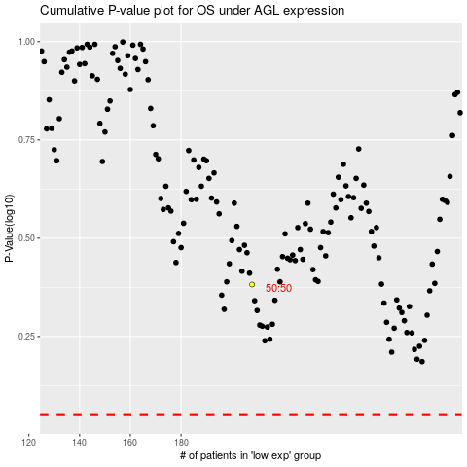

 |  |  |  |  |  | cases_OS | p_OS | rank | exp
 |  |  |  |  |  |  | cases_RFS | p_RFS | rank | exp

