AGMAT _multivariate
Reported by Tex Li-Hsing Chi. tex@gate.sinica.edu.tw 2019-08-22

Table 2. The clinicopathological features of HNSCC cohort and AGMAT expression. (Chi square test)
Cutoff at -0.277 (49.8%)
 |  | AGMAT expression |  | AGMAT expression |  | (Optimised)
 | Features | Low | (%) | High | (%) | Case no | P-value | Remark | Matthews
Gender | Female | 158 | 38.1 | 148 | 35.7 | 415 | 0.2774 | 0 | 0
2 | Male | 49 | 11.8 | 60 | 14.5
Age at diagnosis | <=65y | 133 | 32 | 141 | 34 | 415 | 0.5111 | 0 | 0
4 | >65y | 74 | 17.8 | 67 | 16.1
Clinical T Status | T1+T2 | 78 | 18.8 | 71 | 17.1 | 415 | 0.5152 | 0 | 0
6 | T3+T4 | 129 | 31.1 | 137 | 33
Clinical N Status | N0 | 115 | 27.7 | 101 | 24.3 | 415 | 0.184 | 1 | 0
8 | N1-3 | 92 | 22.2 | 107 | 25.8
Clinical M Status | M0 | 205 | 49.4 | 207 | 49.9 | 415 | 0.6232 | 0 | 0
10 | M1 | 2 | 0.5 | 1 | 0.2
Clinical Stage | Stage I+II | 59 | 14.2 | 43 | 10.4 | 415 | 0.0822 | 0 | 0
12 | Stage III+IV | 148 | 35.7 | 165 | 39.8
Surgical Margin status | Negative | 162 | 39 | 156 | 37.6 | 415 | 0.4867 | 0 | 0
14 | Positive | 45 | 10.8 | 52 | 12.5
Tobacco Exposure | Low | 82 | 19.8 | 79 | 19 | 415 | 0.763 | 0 | 0
16 | High | 125 | 30.1 | 129 | 31.1

Table 3. Univariate/Multivariate Cox's proportional hazards regression analyses on OS time of AGMAT gene expression in HNSCC

 |  | Univariate |  |  |  | Multivariate
 | Features | HR | CI95%(L) | CI95%(H) | P-value | HR | CI95%(L) | CI95%(H) | P-value
1 | Female | 1 |  |  |  | 1
Gender | Male | 1.157 | 0.843 | 1.587 | 0.367 | 1.212 | 0.867 | 1.695 | 0.26
11 | <=65y | 1 |  |  |  | 1
Age at diagnosis | >65y | 1.329 | 0.99 | 1.784 | 0.058 | 1.384 | 1.018 | 1.882 | 0.038
12 | T1+T2 | 1 |  |  |  | 1
Clinical T Status | T3+T4 | 1.409 | 1.028 | 1.931 | 0.033 | 2.18 | 1.152 | 4.125 | 0.017
13 | N0 | 1 |  |  |  | 1
Clinical N Status | N1-3 | 1.185 | 0.89 | 1.577 | 0.246 | 1.246 | 0.873 | 1.777 | 0.225
14 | M0 | 1 |  |  |  | 1
Clinical M Status | M1 | 4.097 | 1.009 | 16.644 | 0.049 | 9.036 | 1.963 | 41.596 | 0.005
15 | Stage I+II | 1 |  |  |  | 1
Clinical Stage | Stage III+IV | 1.245 | 0.882 | 1.759 | 0.213 | 0.51 | 0.237 | 1.095 | 0.084
16 | Negative | 1 |  |  |  | 1
Surgical Margin status | Positive | 1.591 | 1.155 | 2.191 | 0.004 | 1.687 | 1.219 | 2.334 | 0.002
17 | Low | 1 |  |  |  | 1
Tobacco Exposure | High | 1.364 | 1.008 | 1.844 | 0.044 | 1.453 | 1.054 | 2.002 | 0.023
18 | Low | 1 |  |  |  | 1
RNAseq(z-score) | High | 0.902 | 0.677 | 1.201 | 0.479 | 0.901 | 0.674 | 1.205 | 0.482

Table 4. Univariate/Multivariate Cox's proportional hazards regression analyses on RFS time of AGMAT gene expression in HNSCC

 |  | Univariate |  |  |  | Multivariate
 | Features | HR | CI95%(L) | CI95%(H) | P-value | HR | CI95%(L) | CI95%(H) | P-value
1 | Female | 1 |  |  |  | 1
Gender | Male | 1.157 | 0.843 | 1.587 | 0.367 | 1.212 | 0.867 | 1.695 | 0.26
11 | <=65y | 1 |  |  |  | 1
Age at diagnosis | >65y | 1.329 | 0.99 | 1.784 | 0.058 | 1.384 | 1.018 | 1.882 | 0.038
12 | T1+T2 | 1 |  |  |  | 1
Clinical T Status | T3+T4 | 1.409 | 1.028 | 1.931 | 0.033 | 2.18 | 1.152 | 4.125 | 0.017
13 | N0 | 1 |  |  |  | 1
Clinical N Status | N1-3 | 1.185 | 0.89 | 1.577 | 0.246 | 1.246 | 0.873 | 1.777 | 0.225
14 | M0 | 1 |  |  |  | 1
Clinical M Status | M1 | 4.097 | 1.009 | 16.644 | 0.049 | 9.036 | 1.963 | 41.596 | 0.005
15 | Stage I+II | 1 |  |  |  | 1
Clinical Stage | Stage III+IV | 1.245 | 0.882 | 1.759 | 0.213 | 0.51 | 0.237 | 1.095 | 0.084
16 | Negative | 1 |  |  |  | 1
Surgical Margin status | Positive | 1.591 | 1.155 | 2.191 | 0.004 | 1.687 | 1.219 | 2.334 | 0.002
17 | Low | 1 |  |  |  | 1
Tobacco Exposure | High | 1.364 | 1.008 | 1.844 | 0.044 | 1.453 | 1.054 | 2.002 | 0.023
18 | Low | 1 |  |  |  | 1
RNAseq(z-score) | High | 0.902 | 0.677 | 1.201 | 0.479 | 0.901 | 0.674 | 1.205 | 0.482

Kaplan-Meier survival estimate: Cutoff at -0.277 (49.8%)



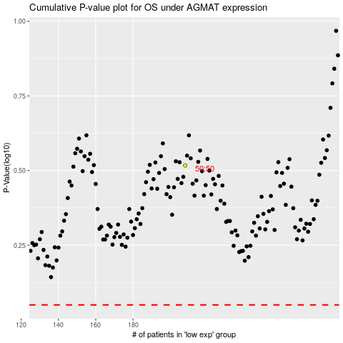

 |  |  |  |  |  | cases_OS | p_OS | rank | exp
 |  |  |  |  |  |  | cases_RFS | p_RFS | rank | exp

