AGPAT3 _multivariate
Reported by Tex Li-Hsing Chi. tex@gate.sinica.edu.tw 2019-08-22

Table 2. The clinicopathological features of HNSCC cohort and AGPAT3 expression. (Chi square test)
Cutoff at -0.202 (49.8%)
 |  | AGPAT3 expression |  | AGPAT3 expression |  | (Optimised)
 | Features | Low | (%) | High | (%) | Case no | P-value | Remark | Matthews
Gender | Female | 157 | 37.8 | 149 | 35.9 | 415 | 0.3881 | 0 | 0
2 | Male | 50 | 12 | 59 | 14.2
Age at diagnosis | <=65y | 139 | 33.5 | 135 | 32.5 | 415 | 0.7044 | 0 | 0
4 | >65y | 68 | 16.4 | 73 | 17.6
Clinical T Status | T1+T2 | 69 | 16.6 | 80 | 19.3 | 415 | 0.3239 | 0 | 0
6 | T3+T4 | 138 | 33.3 | 128 | 30.8
Clinical N Status | N0 | 97 | 23.4 | 119 | 28.7 | 415 | 0.0442 | 1 | 0
8 | N1-3 | 110 | 26.5 | 89 | 21.4
Clinical M Status | M0 | 205 | 49.4 | 207 | 49.9 | 415 | 0.6232 | 0 | 0
10 | M1 | 2 | 0.5 | 1 | 0.2
Clinical Stage | Stage I+II | 47 | 11.3 | 55 | 13.3 | 415 | 0.4413 | 0 | 0
12 | Stage III+IV | 160 | 38.6 | 153 | 36.9
Surgical Margin status | Negative | 158 | 38.1 | 160 | 38.6 | 415 | 0.9081 | 0 | 0
14 | Positive | 49 | 11.8 | 48 | 11.6
Tobacco Exposure | Low | 81 | 19.5 | 80 | 19.3 | 415 | 0.9199 | 0 | 0
16 | High | 126 | 30.4 | 128 | 30.8

Table 3. Univariate/Multivariate Cox's proportional hazards regression analyses on OS time of AGPAT3 gene expression in HNSCC

 |  | Univariate |  |  |  | Multivariate
 | Features | HR | CI95%(L) | CI95%(H) | P-value | HR | CI95%(L) | CI95%(H) | P-value
1 | Female | 1 |  |  |  | 1
Gender | Male | 1.157 | 0.843 | 1.587 | 0.367 | 1.2 | 0.859 | 1.677 | 0.285
11 | <=65y | 1 |  |  |  | 1
Age at diagnosis | >65y | 1.329 | 0.99 | 1.784 | 0.058 | 1.394 | 1.025 | 1.895 | 0.034
12 | T1+T2 | 1 |  |  |  | 1
Clinical T Status | T3+T4 | 1.409 | 1.028 | 1.931 | 0.033 | 2.19 | 1.157 | 4.142 | 0.016
13 | N0 | 1 |  |  |  | 1
Clinical N Status | N1-3 | 1.185 | 0.89 | 1.577 | 0.246 | 1.236 | 0.865 | 1.765 | 0.244
14 | M0 | 1 |  |  |  | 1
Clinical M Status | M1 | 4.097 | 1.009 | 16.644 | 0.049 | 9.231 | 2.007 | 42.452 | 0.004
15 | Stage I+II | 1 |  |  |  | 1
Clinical Stage | Stage III+IV | 1.245 | 0.882 | 1.759 | 0.213 | 0.506 | 0.236 | 1.087 | 0.081
16 | Negative | 1 |  |  |  | 1
Surgical Margin status | Positive | 1.591 | 1.155 | 2.191 | 0.004 | 1.667 | 1.207 | 2.304 | 0.002
17 | Low | 1 |  |  |  | 1
Tobacco Exposure | High | 1.364 | 1.008 | 1.844 | 0.044 | 1.455 | 1.056 | 2.005 | 0.022
18 | Low | 1 |  |  |  | 1
RNAseq(z-score) | High | 0.898 | 0.674 | 1.196 | 0.461 | 0.947 | 0.71 | 1.264 | 0.713

Table 4. Univariate/Multivariate Cox's proportional hazards regression analyses on RFS time of AGPAT3 gene expression in HNSCC

 |  | Univariate |  |  |  | Multivariate
 | Features | HR | CI95%(L) | CI95%(H) | P-value | HR | CI95%(L) | CI95%(H) | P-value
1 | Female | 1 |  |  |  | 1
Gender | Male | 1.157 | 0.843 | 1.587 | 0.367 | 1.2 | 0.859 | 1.677 | 0.285
11 | <=65y | 1 |  |  |  | 1
Age at diagnosis | >65y | 1.329 | 0.99 | 1.784 | 0.058 | 1.394 | 1.025 | 1.895 | 0.034
12 | T1+T2 | 1 |  |  |  | 1
Clinical T Status | T3+T4 | 1.409 | 1.028 | 1.931 | 0.033 | 2.19 | 1.157 | 4.142 | 0.016
13 | N0 | 1 |  |  |  | 1
Clinical N Status | N1-3 | 1.185 | 0.89 | 1.577 | 0.246 | 1.236 | 0.865 | 1.765 | 0.244
14 | M0 | 1 |  |  |  | 1
Clinical M Status | M1 | 4.097 | 1.009 | 16.644 | 0.049 | 9.231 | 2.007 | 42.452 | 0.004
15 | Stage I+II | 1 |  |  |  | 1
Clinical Stage | Stage III+IV | 1.245 | 0.882 | 1.759 | 0.213 | 0.506 | 0.236 | 1.087 | 0.081
16 | Negative | 1 |  |  |  | 1
Surgical Margin status | Positive | 1.591 | 1.155 | 2.191 | 0.004 | 1.667 | 1.207 | 2.304 | 0.002
17 | Low | 1 |  |  |  | 1
Tobacco Exposure | High | 1.364 | 1.008 | 1.844 | 0.044 | 1.455 | 1.056 | 2.005 | 0.022
18 | Low | 1 |  |  |  | 1
RNAseq(z-score) | High | 0.898 | 0.674 | 1.196 | 0.461 | 0.947 | 0.71 | 1.264 | 0.713

Kaplan-Meier survival estimate: Cutoff at -0.202 (49.8%)



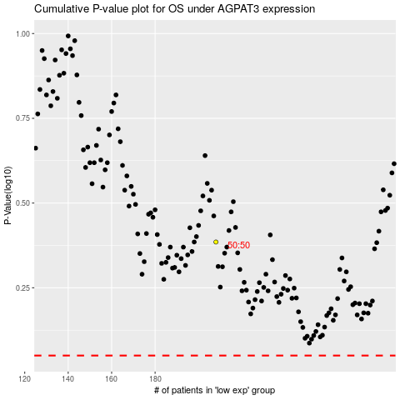

 |  |  |  |  |  | cases_OS | p_OS | rank | exp
 |  |  |  |  |  |  | cases_RFS | p_RFS | rank | exp

