AGPAT9 _multivariate
Reported by Tex Li-Hsing Chi. tex@gate.sinica.edu.tw 2019-08-22

Table 2. The clinicopathological features of HNSCC cohort and AGPAT9 expression. (Chi square test)
Cutoff at -0.325 (50.0%)
 |  | AGPAT9 expression |  | AGPAT9 expression |  | (Optimised)
 | Features | Low | (%) | High | (%) | Case no | P-value | Remark | Matthews
Gender | Female | 157 | 37.8 | 149 | 35.9 | 415 | 0.3881 | 0 | 0
2 | Male | 50 | 12 | 59 | 14.2
Age at diagnosis | <=65y | 141 | 34 | 133 | 32 | 415 | 0.4272 | 0 | 0
4 | >65y | 66 | 15.9 | 75 | 18.1
Clinical T Status | T1+T2 | 86 | 20.7 | 63 | 15.2 | 415 | 0.0221 | 1 | 0
6 | T3+T4 | 121 | 29.2 | 145 | 34.9
Clinical N Status | N0 | 114 | 27.5 | 102 | 24.6 | 415 | 0.2576 | 1 | 0
8 | N1-3 | 93 | 22.4 | 106 | 25.5
Clinical M Status | M0 | 205 | 49.4 | 207 | 49.9 | 415 | 0.6232 | 0 | 0
10 | M1 | 2 | 0.5 | 1 | 0.2
Clinical Stage | Stage I+II | 59 | 14.2 | 43 | 10.4 | 415 | 0.0822 | 0 | 0
12 | Stage III+IV | 148 | 35.7 | 165 | 39.8
Surgical Margin status | Negative | 156 | 37.6 | 162 | 39 | 415 | 0.5636 | 0 | 0
14 | Positive | 51 | 12.3 | 46 | 11.1
Tobacco Exposure | Low | 85 | 20.5 | 76 | 18.3 | 415 | 0.3655 | 0 | 0
16 | High | 122 | 29.4 | 132 | 31.8

Table 3. Univariate/Multivariate Cox's proportional hazards regression analyses on OS time of AGPAT9 gene expression in HNSCC

 |  | Univariate |  |  |  | Multivariate
 | Features | HR | CI95%(L) | CI95%(H) | P-value | HR | CI95%(L) | CI95%(H) | P-value
1 | Female | 1 |  |  |  | 1
Gender | Male | 1.157 | 0.843 | 1.587 | 0.367 | 1.205 | 0.863 | 1.684 | 0.274
11 | <=65y | 1 |  |  |  | 1
Age at diagnosis | >65y | 1.329 | 0.99 | 1.784 | 0.058 | 1.379 | 1.013 | 1.877 | 0.041
12 | T1+T2 | 1 |  |  |  | 1
Clinical T Status | T3+T4 | 1.409 | 1.028 | 1.931 | 0.033 | 2.17 | 1.146 | 4.109 | 0.017
13 | N0 | 1 |  |  |  | 1
Clinical N Status | N1-3 | 1.185 | 0.89 | 1.577 | 0.246 | 1.242 | 0.87 | 1.772 | 0.233
14 | M0 | 1 |  |  |  | 1
Clinical M Status | M1 | 4.097 | 1.009 | 16.644 | 0.049 | 9.408 | 2.052 | 43.123 | 0.004
15 | Stage I+II | 1 |  |  |  | 1
Clinical Stage | Stage III+IV | 1.245 | 0.882 | 1.759 | 0.213 | 0.504 | 0.235 | 1.081 | 0.078
16 | Negative | 1 |  |  |  | 1
Surgical Margin status | Positive | 1.591 | 1.155 | 2.191 | 0.004 | 1.697 | 1.225 | 2.351 | 0.001
17 | Low | 1 |  |  |  | 1
Tobacco Exposure | High | 1.364 | 1.008 | 1.844 | 0.044 | 1.445 | 1.048 | 1.991 | 0.025
18 | Low | 1 |  |  |  | 1
RNAseq(z-score) | High | 1.146 | 0.86 | 1.526 | 0.354 | 1.114 | 0.83 | 1.495 | 0.472

Table 4. Univariate/Multivariate Cox's proportional hazards regression analyses on RFS time of AGPAT9 gene expression in HNSCC

 |  | Univariate |  |  |  | Multivariate
 | Features | HR | CI95%(L) | CI95%(H) | P-value | HR | CI95%(L) | CI95%(H) | P-value
1 | Female | 1 |  |  |  | 1
Gender | Male | 1.157 | 0.843 | 1.587 | 0.367 | 1.205 | 0.863 | 1.684 | 0.274
11 | <=65y | 1 |  |  |  | 1
Age at diagnosis | >65y | 1.329 | 0.99 | 1.784 | 0.058 | 1.379 | 1.013 | 1.877 | 0.041
12 | T1+T2 | 1 |  |  |  | 1
Clinical T Status | T3+T4 | 1.409 | 1.028 | 1.931 | 0.033 | 2.17 | 1.146 | 4.109 | 0.017
13 | N0 | 1 |  |  |  | 1
Clinical N Status | N1-3 | 1.185 | 0.89 | 1.577 | 0.246 | 1.242 | 0.87 | 1.772 | 0.233
14 | M0 | 1 |  |  |  | 1
Clinical M Status | M1 | 4.097 | 1.009 | 16.644 | 0.049 | 9.408 | 2.052 | 43.123 | 0.004
15 | Stage I+II | 1 |  |  |  | 1
Clinical Stage | Stage III+IV | 1.245 | 0.882 | 1.759 | 0.213 | 0.504 | 0.235 | 1.081 | 0.078
16 | Negative | 1 |  |  |  | 1
Surgical Margin status | Positive | 1.591 | 1.155 | 2.191 | 0.004 | 1.697 | 1.225 | 2.351 | 0.001
17 | Low | 1 |  |  |  | 1
Tobacco Exposure | High | 1.364 | 1.008 | 1.844 | 0.044 | 1.445 | 1.048 | 1.991 | 0.025
18 | Low | 1 |  |  |  | 1
RNAseq(z-score) | High | 1.146 | 0.86 | 1.526 | 0.354 | 1.114 | 0.83 | 1.495 | 0.472

Kaplan-Meier survival estimate: Cutoff at -0.325 (50.0%)



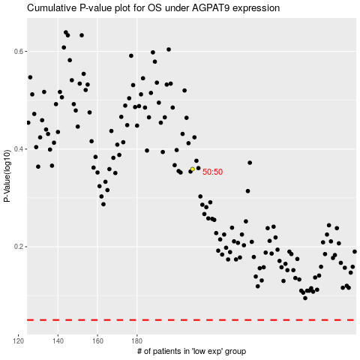

 |  |  |  |  |  | cases_OS | p_OS | rank | exp
 |  |  |  |  |  |  | cases_RFS | p_RFS | rank | exp

