AGPHD1 _multivariate
Reported by Tex Li-Hsing Chi. tex@gate.sinica.edu.tw 2019-08-22

Table 2. The clinicopathological features of HNSCC cohort and AGPHD1 expression. (Chi square test)
Cutoff at -0.359 (49.5%)
 |  | AGPHD1 expression |  | AGPHD1 expression |  | (Optimised)
 | Features | Low | (%) | High | (%) | Case no | P-value | Remark | Matthews
Gender | Female | 141 | 34 | 165 | 39.8 | 415 | 0.0204 | 1 | 0
2 | Male | 65 | 15.7 | 44 | 10.6
Age at diagnosis | <=65y | 126 | 30.4 | 148 | 35.7 | 415 | 0.0487 | 1 | 0
4 | >65y | 80 | 19.3 | 61 | 14.7
Clinical T Status | T1+T2 | 70 | 16.9 | 79 | 19 | 415 | 0.4787 | 0 | 0
6 | T3+T4 | 136 | 32.8 | 130 | 31.3
Clinical N Status | N0 | 100 | 24.1 | 116 | 28 | 415 | 0.1867 | 0 | 0
8 | N1-3 | 106 | 25.5 | 93 | 22.4
Clinical M Status | M0 | 205 | 49.4 | 207 | 49.9 | 415 | 1 | 0 | 0
10 | M1 | 1 | 0.2 | 2 | 0.5
Clinical Stage | Stage I+II | 51 | 12.3 | 51 | 12.3 | 415 | 1 | 0 | 0
12 | Stage III+IV | 155 | 37.3 | 158 | 38.1
Surgical Margin status | Negative | 162 | 39 | 156 | 37.6 | 415 | 0.3551 | 0 | 0
14 | Positive | 44 | 10.6 | 53 | 12.8
Tobacco Exposure | Low | 84 | 20.2 | 77 | 18.6 | 415 | 0.422 | 0 | 0
16 | High | 122 | 29.4 | 132 | 31.8

Table 3. Univariate/Multivariate Cox's proportional hazards regression analyses on OS time of AGPHD1 gene expression in HNSCC

 |  | Univariate |  |  |  | Multivariate
 | Features | HR | CI95%(L) | CI95%(H) | P-value | HR | CI95%(L) | CI95%(H) | P-value
1 | Female | 1 |  |  |  | 1
Gender | Male | 1.157 | 0.843 | 1.587 | 0.367 | 1.152 | 0.819 | 1.619 | 0.416
11 | <=65y | 1 |  |  |  | 1
Age at diagnosis | >65y | 1.329 | 0.99 | 1.784 | 0.058 | 1.35 | 0.99 | 1.841 | 0.058
12 | T1+T2 | 1 |  |  |  | 1
Clinical T Status | T3+T4 | 1.409 | 1.028 | 1.931 | 0.033 | 2.117 | 1.118 | 4.008 | 0.021
13 | N0 | 1 |  |  |  | 1
Clinical N Status | N1-3 | 1.185 | 0.89 | 1.577 | 0.246 | 1.204 | 0.843 | 1.719 | 0.309
14 | M0 | 1 |  |  |  | 1
Clinical M Status | M1 | 4.097 | 1.009 | 16.644 | 0.049 | 9.772 | 2.131 | 44.807 | 0.003
15 | Stage I+II | 1 |  |  |  | 1
Clinical Stage | Stage III+IV | 1.245 | 0.882 | 1.759 | 0.213 | 0.537 | 0.249 | 1.158 | 0.113
16 | Negative | 1 |  |  |  | 1
Surgical Margin status | Positive | 1.591 | 1.155 | 2.191 | 0.004 | 1.683 | 1.219 | 2.324 | 0.002
17 | Low | 1 |  |  |  | 1
Tobacco Exposure | High | 1.364 | 1.008 | 1.844 | 0.044 | 1.461 | 1.059 | 2.014 | 0.021
18 | Low | 1 |  |  |  | 1
RNAseq(z-score) | High | 0.743 | 0.556 | 0.992 | 0.044 | 0.778 | 0.577 | 1.048 | 0.099

Table 4. Univariate/Multivariate Cox's proportional hazards regression analyses on RFS time of AGPHD1 gene expression in HNSCC

 |  | Univariate |  |  |  | Multivariate
 | Features | HR | CI95%(L) | CI95%(H) | P-value | HR | CI95%(L) | CI95%(H) | P-value
1 | Female | 1 |  |  |  | 1
Gender | Male | 1.157 | 0.843 | 1.587 | 0.367 | 1.152 | 0.819 | 1.619 | 0.416
11 | <=65y | 1 |  |  |  | 1
Age at diagnosis | >65y | 1.329 | 0.99 | 1.784 | 0.058 | 1.35 | 0.99 | 1.841 | 0.058
12 | T1+T2 | 1 |  |  |  | 1
Clinical T Status | T3+T4 | 1.409 | 1.028 | 1.931 | 0.033 | 2.117 | 1.118 | 4.008 | 0.021
13 | N0 | 1 |  |  |  | 1
Clinical N Status | N1-3 | 1.185 | 0.89 | 1.577 | 0.246 | 1.204 | 0.843 | 1.719 | 0.309
14 | M0 | 1 |  |  |  | 1
Clinical M Status | M1 | 4.097 | 1.009 | 16.644 | 0.049 | 9.772 | 2.131 | 44.807 | 0.003
15 | Stage I+II | 1 |  |  |  | 1
Clinical Stage | Stage III+IV | 1.245 | 0.882 | 1.759 | 0.213 | 0.537 | 0.249 | 1.158 | 0.113
16 | Negative | 1 |  |  |  | 1
Surgical Margin status | Positive | 1.591 | 1.155 | 2.191 | 0.004 | 1.683 | 1.219 | 2.324 | 0.002
17 | Low | 1 |  |  |  | 1
Tobacco Exposure | High | 1.364 | 1.008 | 1.844 | 0.044 | 1.461 | 1.059 | 2.014 | 0.021
18 | Low | 1 |  |  |  | 1
RNAseq(z-score) | High | 0.743 | 0.556 | 0.992 | 0.044 | 0.778 | 0.577 | 1.048 | 0.099

Kaplan-Meier survival estimate: Cutoff at -0.359 (49.5%)



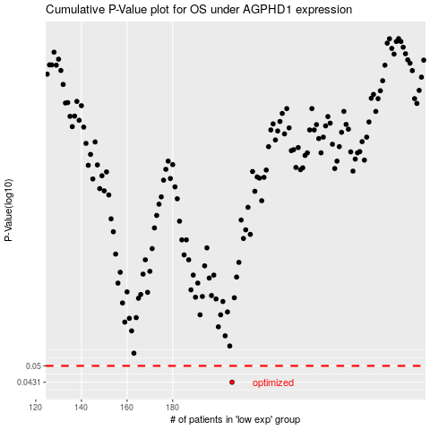

 |  |  |  |  |  | cases_OS | p_OS | rank | exp
 |  |  |  |  |  | 206 | 0.0431 | 271 | -0.35876861673
 |  |  |  |  |  |  | cases_RFS | p_RFS | rank | exp
 |  |  |  |  |  |  | 205 | 0.0431 | 108 | -0.36058022866

