AGPS _multivariate
Reported by Tex Li-Hsing Chi. tex@gate.sinica.edu.tw 2019-08-22

Table 2. The clinicopathological features of HNSCC cohort and AGPS expression. (Chi square test)
Cutoff at -0.395 (30.2%)
 |  | AGPS expression |  | AGPS expression |  | (Optimised)
 | Features | Low | (%) | High | (%) | Case no | P-value | Remark | Matthews
Gender | Female | 101 | 24.3 | 205 | 49.4 | 415 | 0.0428 | 1 | 0
2 | Male | 24 | 5.8 | 85 | 20.5
Age at diagnosis | <=65y | 91 | 21.9 | 183 | 44.1 | 415 | 0.0718 | 0 | 0
4 | >65y | 34 | 8.2 | 107 | 25.8
Clinical T Status | T1+T2 | 45 | 10.8 | 104 | 25.1 | 415 | 1 | 0 | 0
6 | T3+T4 | 80 | 19.3 | 186 | 44.8
Clinical N Status | N0 | 58 | 14 | 158 | 38.1 | 415 | 0.16 | 0 | 0
8 | N1-3 | 67 | 16.1 | 132 | 31.8
Clinical M Status | M0 | 123 | 29.6 | 289 | 69.6 | 415 | 0.2169 | 0 | 0
10 | M1 | 2 | 0.5 | 1 | 0.2
Clinical Stage | Stage I+II | 24 | 5.8 | 78 | 18.8 | 415 | 0.122 | 0 | 0
12 | Stage III+IV | 101 | 24.3 | 212 | 51.1
Surgical Margin status | Negative | 89 | 21.4 | 229 | 55.2 | 415 | 0.1003 | 0 | 0
14 | Positive | 36 | 8.7 | 61 | 14.7
Tobacco Exposure | Low | 45 | 10.8 | 116 | 28 | 415 | 0.5102 | 0 | 0
16 | High | 80 | 19.3 | 174 | 41.9

Table 3. Univariate/Multivariate Cox's proportional hazards regression analyses on OS time of AGPS gene expression in HNSCC

 |  | Univariate |  |  |  | Multivariate
 | Features | HR | CI95%(L) | CI95%(H) | P-value | HR | CI95%(L) | CI95%(H) | P-value
1 | Female | 1 |  |  |  | 1
Gender | Male | 1.157 | 0.843 | 1.587 | 0.367 | 1.17 | 0.838 | 1.633 | 0.357
11 | <=65y | 1 |  |  |  | 1
Age at diagnosis | >65y | 1.329 | 0.99 | 1.784 | 0.058 | 1.366 | 1.004 | 1.857 | 0.047
12 | T1+T2 | 1 |  |  |  | 1
Clinical T Status | T3+T4 | 1.409 | 1.028 | 1.931 | 0.033 | 2.067 | 1.091 | 3.917 | 0.026
13 | N0 | 1 |  |  |  | 1
Clinical N Status | N1-3 | 1.185 | 0.89 | 1.577 | 0.246 | 1.255 | 0.879 | 1.791 | 0.212
14 | M0 | 1 |  |  |  | 1
Clinical M Status | M1 | 4.097 | 1.009 | 16.644 | 0.049 | 9.913 | 2.161 | 45.486 | 0.003
15 | Stage I+II | 1 |  |  |  | 1
Clinical Stage | Stage III+IV | 1.245 | 0.882 | 1.759 | 0.213 | 0.55 | 0.255 | 1.184 | 0.127
16 | Negative | 1 |  |  |  | 1
Surgical Margin status | Positive | 1.591 | 1.155 | 2.191 | 0.004 | 1.794 | 1.292 | 2.49 | 0
17 | Low | 1 |  |  |  | 1
Tobacco Exposure | High | 1.364 | 1.008 | 1.844 | 0.044 | 1.475 | 1.07 | 2.034 | 0.018
18 | Low | 1 |  |  |  | 1
RNAseq(z-score) | High | 1.459 | 1.043 | 2.041 | 0.027 | 1.556 | 1.102 | 2.199 | 0.012

Table 4. Univariate/Multivariate Cox's proportional hazards regression analyses on RFS time of AGPS gene expression in HNSCC

 |  | Univariate |  |  |  | Multivariate
 | Features | HR | CI95%(L) | CI95%(H) | P-value | HR | CI95%(L) | CI95%(H) | P-value
1 | Female | 1 |  |  |  | 1
Gender | Male | 1.157 | 0.843 | 1.587 | 0.367 | 1.17 | 0.838 | 1.633 | 0.357
11 | <=65y | 1 |  |  |  | 1
Age at diagnosis | >65y | 1.329 | 0.99 | 1.784 | 0.058 | 1.366 | 1.004 | 1.857 | 0.047
12 | T1+T2 | 1 |  |  |  | 1
Clinical T Status | T3+T4 | 1.409 | 1.028 | 1.931 | 0.033 | 2.067 | 1.091 | 3.917 | 0.026
13 | N0 | 1 |  |  |  | 1
Clinical N Status | N1-3 | 1.185 | 0.89 | 1.577 | 0.246 | 1.255 | 0.879 | 1.791 | 0.212
14 | M0 | 1 |  |  |  | 1
Clinical M Status | M1 | 4.097 | 1.009 | 16.644 | 0.049 | 9.913 | 2.161 | 45.486 | 0.003
15 | Stage I+II | 1 |  |  |  | 1
Clinical Stage | Stage III+IV | 1.245 | 0.882 | 1.759 | 0.213 | 0.55 | 0.255 | 1.184 | 0.127
16 | Negative | 1 |  |  |  | 1
Surgical Margin status | Positive | 1.591 | 1.155 | 2.191 | 0.004 | 1.794 | 1.292 | 2.49 | 0
17 | Low | 1 |  |  |  | 1
Tobacco Exposure | High | 1.364 | 1.008 | 1.844 | 0.044 | 1.475 | 1.07 | 2.034 | 0.018
18 | Low | 1 |  |  |  | 1
RNAseq(z-score) | High | 1.459 | 1.043 | 2.041 | 0.027 | 1.556 | 1.102 | 2.199 | 0.012

Kaplan-Meier survival estimate: Cutoff at -0.395 (30.2%)

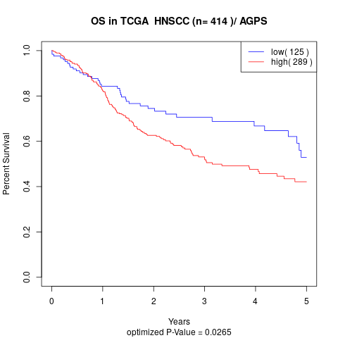

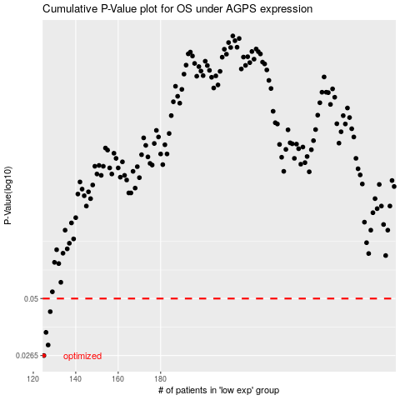

 |  |  |  |  |  | cases_OS | p_OS | rank | exp
 |  |  |  |  |  | 125 | 0.0265 | 200 | -0.39499390709
 |  |  |  |  |  | 127 | 0.0298 | 413 | -0.38497651278
 |  |  |  |  |  | 126 | 0.0343 | 36 | -0.38554492603
 |  |  |  |  |  | 128 | 0.0432 | 405 | -0.3828596746
 |  |  |  |  |  |  | cases_RFS | p_RFS | rank | exp
 |  |  |  |  |  |  |  | 0.0265 | 26 | -0.39561049643
 |  |  |  |  |  |  | 126 | 0.0298 | 36 | -0.38554492603
 |  |  |  |  |  |  | 125 | 0.0343 | 200 | -0.39499390709
 |  |  |  |  |  |  | 127 | 0.0432 | 413 | -0.38497651278

