AGTPBP1 _multivariate
Reported by Tex Li-Hsing Chi. tex@gate.sinica.edu.tw 2019-08-22

Table 2. The clinicopathological features of HNSCC cohort and AGTPBP1 expression. (Chi square test)
Cutoff at -0.194 (49.8%)
 |  | AGTPBP1 expression |  | AGTPBP1 expression |  | (Optimised)
 | Features | Low | (%) | High | (%) | Case no | P-value | Remark | Matthews
Gender | Female | 149 | 35.9 | 157 | 37.8 | 415 | 0.4848 | 0 | 0
2 | Male | 58 | 14 | 51 | 12.3
Age at diagnosis | <=65y | 134 | 32.3 | 140 | 33.7 | 415 | 0.6529 | 0 | 0
4 | >65y | 73 | 17.6 | 68 | 16.4
Clinical T Status | T1+T2 | 75 | 18.1 | 74 | 17.8 | 415 | 0.9707 | 0 | 0
6 | T3+T4 | 132 | 31.8 | 134 | 32.3
Clinical N Status | N0 | 114 | 27.5 | 102 | 24.6 | 415 | 0.2576 | 1 | 0
8 | N1-3 | 93 | 22.4 | 106 | 25.5
Clinical M Status | M0 | 205 | 49.4 | 207 | 49.9 | 415 | 0.6232 | 0 | 0
10 | M1 | 2 | 0.5 | 1 | 0.2
Clinical Stage | Stage I+II | 55 | 13.3 | 47 | 11.3 | 415 | 0.4087 | 0 | 0
12 | Stage III+IV | 152 | 36.6 | 161 | 38.8
Surgical Margin status | Negative | 164 | 39.5 | 154 | 37.1 | 415 | 0.2462 | 0 | 0
14 | Positive | 43 | 10.4 | 54 | 13
Tobacco Exposure | Low | 87 | 21 | 74 | 17.8 | 415 | 0.1911 | 0 | 0
16 | High | 120 | 28.9 | 134 | 32.3

Table 3. Univariate/Multivariate Cox's proportional hazards regression analyses on OS time of AGTPBP1 gene expression in HNSCC

 |  | Univariate |  |  |  | Multivariate
 | Features | HR | CI95%(L) | CI95%(H) | P-value | HR | CI95%(L) | CI95%(H) | P-value
1 | Female | 1 |  |  |  | 1
Gender | Male | 1.157 | 0.843 | 1.587 | 0.367 | 1.195 | 0.855 | 1.67 | 0.297
11 | <=65y | 1 |  |  |  | 1
Age at diagnosis | >65y | 1.329 | 0.99 | 1.784 | 0.058 | 1.39 | 1.022 | 1.889 | 0.036
12 | T1+T2 | 1 |  |  |  | 1
Clinical T Status | T3+T4 | 1.409 | 1.028 | 1.931 | 0.033 | 2.161 | 1.141 | 4.094 | 0.018
13 | N0 | 1 |  |  |  | 1
Clinical N Status | N1-3 | 1.185 | 0.89 | 1.577 | 0.246 | 1.252 | 0.877 | 1.787 | 0.217
14 | M0 | 1 |  |  |  | 1
Clinical M Status | M1 | 4.097 | 1.009 | 16.644 | 0.049 | 8.924 | 1.934 | 41.178 | 0.005
15 | Stage I+II | 1 |  |  |  | 1
Clinical Stage | Stage III+IV | 1.245 | 0.882 | 1.759 | 0.213 | 0.51 | 0.238 | 1.095 | 0.084
16 | Negative | 1 |  |  |  | 1
Surgical Margin status | Positive | 1.591 | 1.155 | 2.191 | 0.004 | 1.685 | 1.218 | 2.33 | 0.002
17 | Low | 1 |  |  |  | 1
Tobacco Exposure | High | 1.364 | 1.008 | 1.844 | 0.044 | 1.462 | 1.061 | 2.016 | 0.02
18 | Low | 1 |  |  |  | 1
RNAseq(z-score) | High | 0.907 | 0.681 | 1.208 | 0.504 | 0.899 | 0.671 | 1.203 | 0.473

Table 4. Univariate/Multivariate Cox's proportional hazards regression analyses on RFS time of AGTPBP1 gene expression in HNSCC

 |  | Univariate |  |  |  | Multivariate
 | Features | HR | CI95%(L) | CI95%(H) | P-value | HR | CI95%(L) | CI95%(H) | P-value
1 | Female | 1 |  |  |  | 1
Gender | Male | 1.157 | 0.843 | 1.587 | 0.367 | 1.195 | 0.855 | 1.67 | 0.297
11 | <=65y | 1 |  |  |  | 1
Age at diagnosis | >65y | 1.329 | 0.99 | 1.784 | 0.058 | 1.39 | 1.022 | 1.889 | 0.036
12 | T1+T2 | 1 |  |  |  | 1
Clinical T Status | T3+T4 | 1.409 | 1.028 | 1.931 | 0.033 | 2.161 | 1.141 | 4.094 | 0.018
13 | N0 | 1 |  |  |  | 1
Clinical N Status | N1-3 | 1.185 | 0.89 | 1.577 | 0.246 | 1.252 | 0.877 | 1.787 | 0.217
14 | M0 | 1 |  |  |  | 1
Clinical M Status | M1 | 4.097 | 1.009 | 16.644 | 0.049 | 8.924 | 1.934 | 41.178 | 0.005
15 | Stage I+II | 1 |  |  |  | 1
Clinical Stage | Stage III+IV | 1.245 | 0.882 | 1.759 | 0.213 | 0.51 | 0.238 | 1.095 | 0.084
16 | Negative | 1 |  |  |  | 1
Surgical Margin status | Positive | 1.591 | 1.155 | 2.191 | 0.004 | 1.685 | 1.218 | 2.33 | 0.002
17 | Low | 1 |  |  |  | 1
Tobacco Exposure | High | 1.364 | 1.008 | 1.844 | 0.044 | 1.462 | 1.061 | 2.016 | 0.02
18 | Low | 1 |  |  |  | 1
RNAseq(z-score) | High | 0.907 | 0.681 | 1.208 | 0.504 | 0.899 | 0.671 | 1.203 | 0.473

Kaplan-Meier survival estimate: Cutoff at -0.194 (49.8%)



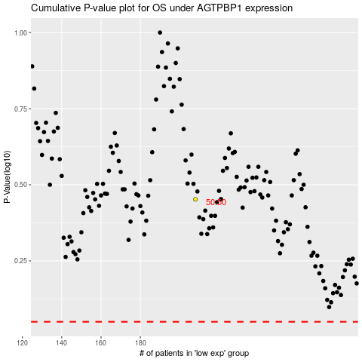

 |  |  |  |  |  | cases_OS | p_OS | rank | exp
 |  |  |  |  |  |  | cases_RFS | p_RFS | rank | exp

