AGTR1 _multivariate
Reported by Tex Li-Hsing Chi. tex@gate.sinica.edu.tw 2019-08-22

Table 2. The clinicopathological features of HNSCC cohort and AGTR1 expression. (Chi square test)
Cutoff at -0.26 (49.8%)
 |  | AGTR1 expression |  | AGTR1 expression |  | (Optimised)
 | Features | Low | (%) | High | (%) | Case no | P-value | Remark | Matthews
Gender | Female | 158 | 38.1 | 148 | 35.7 | 415 | 0.2774 | 0 | 0
2 | Male | 49 | 11.8 | 60 | 14.5
Age at diagnosis | <=65y | 137 | 33 | 137 | 33 | 415 | 1 | 0 | 0
4 | >65y | 70 | 16.9 | 71 | 17.1
Clinical T Status | T1+T2 | 70 | 16.9 | 79 | 19 | 415 | 0.4343 | 0 | 0
6 | T3+T4 | 137 | 33 | 129 | 31.1
Clinical N Status | N0 | 109 | 26.3 | 107 | 25.8 | 415 | 0.8812 | 0 | 0
8 | N1-3 | 98 | 23.6 | 101 | 24.3
Clinical M Status | M0 | 204 | 49.2 | 208 | 50.1 | 415 | 0.1232 | 0 | 0
10 | M1 | 3 | 0.7 | 0 | 0
Clinical Stage | Stage I+II | 43 | 10.4 | 59 | 14.2 | 415 | 0.0925 | 0 | 0
12 | Stage III+IV | 164 | 39.5 | 149 | 35.9
Surgical Margin status | Negative | 159 | 38.3 | 159 | 38.3 | 415 | 1 | 0 | 0
14 | Positive | 48 | 11.6 | 49 | 11.8
Tobacco Exposure | Low | 88 | 21.2 | 73 | 17.6 | 415 | 0.1314 | 0 | 0
16 | High | 119 | 28.7 | 135 | 32.5

Table 3. Univariate/Multivariate Cox's proportional hazards regression analyses on OS time of AGTR1 gene expression in HNSCC

 |  | Univariate |  |  |  | Multivariate
 | Features | HR | CI95%(L) | CI95%(H) | P-value | HR | CI95%(L) | CI95%(H) | P-value
1 | Female | 1 |  |  |  | 1
Gender | Male | 1.157 | 0.843 | 1.587 | 0.367 | 1.198 | 0.857 | 1.675 | 0.291
11 | <=65y | 1 |  |  |  | 1
Age at diagnosis | >65y | 1.329 | 0.99 | 1.784 | 0.058 | 1.394 | 1.025 | 1.895 | 0.034
12 | T1+T2 | 1 |  |  |  | 1
Clinical T Status | T3+T4 | 1.409 | 1.028 | 1.931 | 0.033 | 2.194 | 1.16 | 4.151 | 0.016
13 | N0 | 1 |  |  |  | 1
Clinical N Status | N1-3 | 1.185 | 0.89 | 1.577 | 0.246 | 1.237 | 0.867 | 1.767 | 0.241
14 | M0 | 1 |  |  |  | 1
Clinical M Status | M1 | 4.097 | 1.009 | 16.644 | 0.049 | 9.54 | 2.072 | 43.916 | 0.004
15 | Stage I+II | 1 |  |  |  | 1
Clinical Stage | Stage III+IV | 1.245 | 0.882 | 1.759 | 0.213 | 0.511 | 0.236 | 1.103 | 0.087
16 | Negative | 1 |  |  |  | 1
Surgical Margin status | Positive | 1.591 | 1.155 | 2.191 | 0.004 | 1.669 | 1.207 | 2.306 | 0.002
17 | Low | 1 |  |  |  | 1
Tobacco Exposure | High | 1.364 | 1.008 | 1.844 | 0.044 | 1.446 | 1.048 | 1.997 | 0.025
18 | Low | 1 |  |  |  | 1
RNAseq(z-score) | High | 1.061 | 0.796 | 1.413 | 0.688 | 1.037 | 0.772 | 1.394 | 0.808

Table 4. Univariate/Multivariate Cox's proportional hazards regression analyses on RFS time of AGTR1 gene expression in HNSCC

 |  | Univariate |  |  |  | Multivariate
 | Features | HR | CI95%(L) | CI95%(H) | P-value | HR | CI95%(L) | CI95%(H) | P-value
1 | Female | 1 |  |  |  | 1
Gender | Male | 1.157 | 0.843 | 1.587 | 0.367 | 1.198 | 0.857 | 1.675 | 0.291
11 | <=65y | 1 |  |  |  | 1
Age at diagnosis | >65y | 1.329 | 0.99 | 1.784 | 0.058 | 1.394 | 1.025 | 1.895 | 0.034
12 | T1+T2 | 1 |  |  |  | 1
Clinical T Status | T3+T4 | 1.409 | 1.028 | 1.931 | 0.033 | 2.194 | 1.16 | 4.151 | 0.016
13 | N0 | 1 |  |  |  | 1
Clinical N Status | N1-3 | 1.185 | 0.89 | 1.577 | 0.246 | 1.237 | 0.867 | 1.767 | 0.241
14 | M0 | 1 |  |  |  | 1
Clinical M Status | M1 | 4.097 | 1.009 | 16.644 | 0.049 | 9.54 | 2.072 | 43.916 | 0.004
15 | Stage I+II | 1 |  |  |  | 1
Clinical Stage | Stage III+IV | 1.245 | 0.882 | 1.759 | 0.213 | 0.511 | 0.236 | 1.103 | 0.087
16 | Negative | 1 |  |  |  | 1
Surgical Margin status | Positive | 1.591 | 1.155 | 2.191 | 0.004 | 1.669 | 1.207 | 2.306 | 0.002
17 | Low | 1 |  |  |  | 1
Tobacco Exposure | High | 1.364 | 1.008 | 1.844 | 0.044 | 1.446 | 1.048 | 1.997 | 0.025
18 | Low | 1 |  |  |  | 1
RNAseq(z-score) | High | 1.061 | 0.796 | 1.413 | 0.688 | 1.037 | 0.772 | 1.394 | 0.808

Kaplan-Meier survival estimate: Cutoff at -0.26 (49.8%)



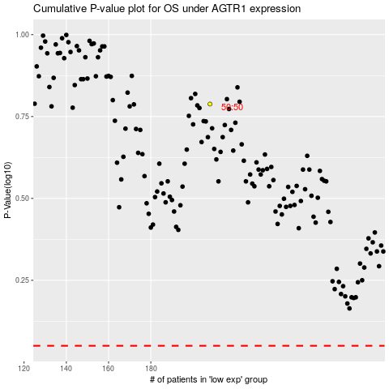

 |  |  |  |  |  | cases_OS | p_OS | rank | exp
 |  |  |  |  |  |  | cases_RFS | p_RFS | rank | exp

