AHCTF1 _multivariate
Reported by Tex Li-Hsing Chi. tex@gate.sinica.edu.tw 2019-08-22

Table 2. The clinicopathological features of HNSCC cohort and AHCTF1 expression. (Chi square test)
Cutoff at -0.11 (49.8%)
 |  | AHCTF1 expression |  | AHCTF1 expression |  | (Optimised)
 | Features | Low | (%) | High | (%) | Case no | P-value | Remark | Matthews
Gender | Female | 150 | 36.1 | 156 | 37.6 | 415 | 0.6344 | 0 | 0
2 | Male | 57 | 13.7 | 52 | 12.5
Age at diagnosis | <=65y | 138 | 33.3 | 136 | 32.8 | 415 | 0.8634 | 0 | 0
4 | >65y | 69 | 16.6 | 72 | 17.3
Clinical T Status | T1+T2 | 92 | 22.2 | 57 | 13.7 | 415 | 4e-04 | 1 | 0
6 | T3+T4 | 115 | 27.7 | 151 | 36.4
Clinical N Status | N0 | 112 | 27 | 104 | 25.1 | 415 | 0.4599 | 0 | 0
8 | N1-3 | 95 | 22.9 | 104 | 25.1
Clinical M Status | M0 | 205 | 49.4 | 207 | 49.9 | 415 | 0.6232 | 0 | 0
10 | M1 | 2 | 0.5 | 1 | 0.2
Clinical Stage | Stage I+II | 63 | 15.2 | 39 | 9.4 | 415 | 0.008 | 1 | 0
12 | Stage III+IV | 144 | 34.7 | 169 | 40.7
Surgical Margin status | Negative | 156 | 37.6 | 162 | 39 | 415 | 0.5636 | 0 | 0
14 | Positive | 51 | 12.3 | 46 | 11.1
Tobacco Exposure | Low | 97 | 23.4 | 64 | 15.4 | 415 | 9e-04 | 1 | 0
16 | High | 110 | 26.5 | 144 | 34.7

Table 3. Univariate/Multivariate Cox's proportional hazards regression analyses on OS time of AHCTF1 gene expression in HNSCC

 |  | Univariate |  |  |  | Multivariate
 | Features | HR | CI95%(L) | CI95%(H) | P-value | HR | CI95%(L) | CI95%(H) | P-value
1 | Female | 1 |  |  |  | 1
Gender | Male | 1.157 | 0.843 | 1.587 | 0.367 | 1.201 | 0.859 | 1.678 | 0.285
11 | <=65y | 1 |  |  |  | 1
Age at diagnosis | >65y | 1.329 | 0.99 | 1.784 | 0.058 | 1.392 | 1.024 | 1.892 | 0.035
12 | T1+T2 | 1 |  |  |  | 1
Clinical T Status | T3+T4 | 1.409 | 1.028 | 1.931 | 0.033 | 2.204 | 1.165 | 4.168 | 0.015
13 | N0 | 1 |  |  |  | 1
Clinical N Status | N1-3 | 1.185 | 0.89 | 1.577 | 0.246 | 1.24 | 0.868 | 1.769 | 0.237
14 | M0 | 1 |  |  |  | 1
Clinical M Status | M1 | 4.097 | 1.009 | 16.644 | 0.049 | 9.39 | 2.048 | 43.06 | 0.004
15 | Stage I+II | 1 |  |  |  | 1
Clinical Stage | Stage III+IV | 1.245 | 0.882 | 1.759 | 0.213 | 0.506 | 0.235 | 1.086 | 0.08
16 | Negative | 1 |  |  |  | 1
Surgical Margin status | Positive | 1.591 | 1.155 | 2.191 | 0.004 | 1.67 | 1.208 | 2.309 | 0.002
17 | Low | 1 |  |  |  | 1
Tobacco Exposure | High | 1.364 | 1.008 | 1.844 | 0.044 | 1.455 | 1.054 | 2.009 | 0.022
18 | Low | 1 |  |  |  | 1
RNAseq(z-score) | High | 1.027 | 0.77 | 1.372 | 0.854 | 0.985 | 0.733 | 1.324 | 0.922

Table 4. Univariate/Multivariate Cox's proportional hazards regression analyses on RFS time of AHCTF1 gene expression in HNSCC

 |  | Univariate |  |  |  | Multivariate
 | Features | HR | CI95%(L) | CI95%(H) | P-value | HR | CI95%(L) | CI95%(H) | P-value
1 | Female | 1 |  |  |  | 1
Gender | Male | 1.157 | 0.843 | 1.587 | 0.367 | 1.201 | 0.859 | 1.678 | 0.285
11 | <=65y | 1 |  |  |  | 1
Age at diagnosis | >65y | 1.329 | 0.99 | 1.784 | 0.058 | 1.392 | 1.024 | 1.892 | 0.035
12 | T1+T2 | 1 |  |  |  | 1
Clinical T Status | T3+T4 | 1.409 | 1.028 | 1.931 | 0.033 | 2.204 | 1.165 | 4.168 | 0.015
13 | N0 | 1 |  |  |  | 1
Clinical N Status | N1-3 | 1.185 | 0.89 | 1.577 | 0.246 | 1.24 | 0.868 | 1.769 | 0.237
14 | M0 | 1 |  |  |  | 1
Clinical M Status | M1 | 4.097 | 1.009 | 16.644 | 0.049 | 9.39 | 2.048 | 43.06 | 0.004
15 | Stage I+II | 1 |  |  |  | 1
Clinical Stage | Stage III+IV | 1.245 | 0.882 | 1.759 | 0.213 | 0.506 | 0.235 | 1.086 | 0.08
16 | Negative | 1 |  |  |  | 1
Surgical Margin status | Positive | 1.591 | 1.155 | 2.191 | 0.004 | 1.67 | 1.208 | 2.309 | 0.002
17 | Low | 1 |  |  |  | 1
Tobacco Exposure | High | 1.364 | 1.008 | 1.844 | 0.044 | 1.455 | 1.054 | 2.009 | 0.022
18 | Low | 1 |  |  |  | 1
RNAseq(z-score) | High | 1.027 | 0.77 | 1.372 | 0.854 | 0.985 | 0.733 | 1.324 | 0.922

Kaplan-Meier survival estimate: Cutoff at -0.11 (49.8%)



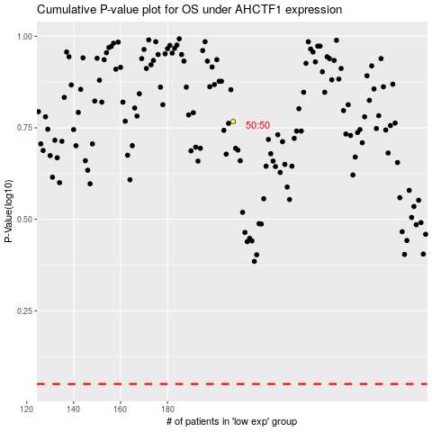

 |  |  |  |  |  | cases_OS | p_OS | rank | exp
 |  |  |  |  |  |  | cases_RFS | p_RFS | rank | exp

