AHCY _multivariate
Reported by Tex Li-Hsing Chi. tex@gate.sinica.edu.tw 2019-08-22

Table 2. The clinicopathological features of HNSCC cohort and AHCY expression. (Chi square test)
Cutoff at -0.188 (49.8%)
 |  | AHCY expression |  | AHCY expression |  | (Optimised)
 | Features | Low | (%) | High | (%) | Case no | P-value | Remark | Matthews
Gender | Female | 141 | 34 | 165 | 39.8 | 415 | 0.013 | 1 | 0
2 | Male | 66 | 15.9 | 43 | 10.4
Age at diagnosis | <=65y | 137 | 33 | 137 | 33 | 415 | 1 | 0 | 0
4 | >65y | 70 | 16.9 | 71 | 17.1
Clinical T Status | T1+T2 | 84 | 20.2 | 65 | 15.7 | 415 | 0.0603 | 0 | 0
6 | T3+T4 | 123 | 29.6 | 143 | 34.5
Clinical N Status | N0 | 117 | 28.2 | 99 | 23.9 | 415 | 0.0852 | 1 | 0
8 | N1-3 | 90 | 21.7 | 109 | 26.3
Clinical M Status | M0 | 207 | 49.9 | 205 | 49.4 | 415 | 0.2482 | 0 | 0
10 | M1 | 0 | 0 | 3 | 0.7
Clinical Stage | Stage I+II | 61 | 14.7 | 41 | 9.9 | 415 | 0.0282 | 1 | 0
12 | Stage III+IV | 146 | 35.2 | 167 | 40.2
Surgical Margin status | Negative | 158 | 38.1 | 160 | 38.6 | 415 | 0.9081 | 0 | 0
14 | Positive | 49 | 11.8 | 48 | 11.6
Tobacco Exposure | Low | 88 | 21.2 | 73 | 17.6 | 415 | 0.1314 | 0 | 0
16 | High | 119 | 28.7 | 135 | 32.5

Table 3. Univariate/Multivariate Cox's proportional hazards regression analyses on OS time of AHCY gene expression in HNSCC

 |  | Univariate |  |  |  | Multivariate
 | Features | HR | CI95%(L) | CI95%(H) | P-value | HR | CI95%(L) | CI95%(H) | P-value
1 | Female | 1 |  |  |  | 1
Gender | Male | 1.157 | 0.843 | 1.587 | 0.367 | 1.194 | 0.852 | 1.673 | 0.302
11 | <=65y | 1 |  |  |  | 1
Age at diagnosis | >65y | 1.329 | 0.99 | 1.784 | 0.058 | 1.394 | 1.025 | 1.896 | 0.034
12 | T1+T2 | 1 |  |  |  | 1
Clinical T Status | T3+T4 | 1.409 | 1.028 | 1.931 | 0.033 | 2.205 | 1.166 | 4.17 | 0.015
13 | N0 | 1 |  |  |  | 1
Clinical N Status | N1-3 | 1.185 | 0.89 | 1.577 | 0.246 | 1.246 | 0.872 | 1.781 | 0.226
14 | M0 | 1 |  |  |  | 1
Clinical M Status | M1 | 4.097 | 1.009 | 16.644 | 0.049 | 9.569 | 2.077 | 44.08 | 0.004
15 | Stage I+II | 1 |  |  |  | 1
Clinical Stage | Stage III+IV | 1.245 | 0.882 | 1.759 | 0.213 | 0.505 | 0.235 | 1.084 | 0.08
16 | Negative | 1 |  |  |  | 1
Surgical Margin status | Positive | 1.591 | 1.155 | 2.191 | 0.004 | 1.668 | 1.206 | 2.305 | 0.002
17 | Low | 1 |  |  |  | 1
Tobacco Exposure | High | 1.364 | 1.008 | 1.844 | 0.044 | 1.452 | 1.054 | 2.001 | 0.023
18 | Low | 1 |  |  |  | 1
RNAseq(z-score) | High | 0.988 | 0.74 | 1.32 | 0.936 | 0.96 | 0.713 | 1.291 | 0.785

Table 4. Univariate/Multivariate Cox's proportional hazards regression analyses on RFS time of AHCY gene expression in HNSCC

 |  | Univariate |  |  |  | Multivariate
 | Features | HR | CI95%(L) | CI95%(H) | P-value | HR | CI95%(L) | CI95%(H) | P-value
1 | Female | 1 |  |  |  | 1
Gender | Male | 1.157 | 0.843 | 1.587 | 0.367 | 1.194 | 0.852 | 1.673 | 0.302
11 | <=65y | 1 |  |  |  | 1
Age at diagnosis | >65y | 1.329 | 0.99 | 1.784 | 0.058 | 1.394 | 1.025 | 1.896 | 0.034
12 | T1+T2 | 1 |  |  |  | 1
Clinical T Status | T3+T4 | 1.409 | 1.028 | 1.931 | 0.033 | 2.205 | 1.166 | 4.17 | 0.015
13 | N0 | 1 |  |  |  | 1
Clinical N Status | N1-3 | 1.185 | 0.89 | 1.577 | 0.246 | 1.246 | 0.872 | 1.781 | 0.226
14 | M0 | 1 |  |  |  | 1
Clinical M Status | M1 | 4.097 | 1.009 | 16.644 | 0.049 | 9.569 | 2.077 | 44.08 | 0.004
15 | Stage I+II | 1 |  |  |  | 1
Clinical Stage | Stage III+IV | 1.245 | 0.882 | 1.759 | 0.213 | 0.505 | 0.235 | 1.084 | 0.08
16 | Negative | 1 |  |  |  | 1
Surgical Margin status | Positive | 1.591 | 1.155 | 2.191 | 0.004 | 1.668 | 1.206 | 2.305 | 0.002
17 | Low | 1 |  |  |  | 1
Tobacco Exposure | High | 1.364 | 1.008 | 1.844 | 0.044 | 1.452 | 1.054 | 2.001 | 0.023
18 | Low | 1 |  |  |  | 1
RNAseq(z-score) | High | 0.988 | 0.74 | 1.32 | 0.936 | 0.96 | 0.713 | 1.291 | 0.785

Kaplan-Meier survival estimate: Cutoff at -0.188 (49.8%)



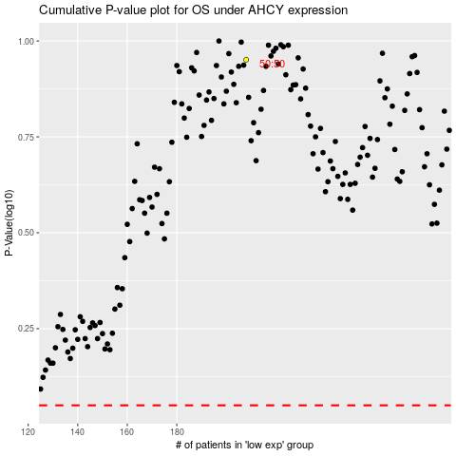

 |  |  |  |  |  | cases_OS | p_OS | rank | exp
 |  |  |  |  |  |  | cases_RFS | p_RFS | rank | exp

