AHSA1 _multivariate
Reported by Tex Li-Hsing Chi. tex@gate.sinica.edu.tw 2019-08-22

Table 2. The clinicopathological features of HNSCC cohort and AHSA1 expression. (Chi square test)
Cutoff at 0.277 (65.9%)
 |  | AHSA1 expression |  | AHSA1 expression |  | (Optimised)
 | Features | Low | (%) | High | (%) | Case no | P-value | Remark | Matthews
Gender | Female | 200 | 48.2 | 106 | 25.5 | 415 | 0.7179 | 0 | 0
2 | Male | 74 | 17.8 | 35 | 8.4
Age at diagnosis | <=65y | 173 | 41.7 | 101 | 24.3 | 415 | 0.1051 | 0 | 0
4 | >65y | 101 | 24.3 | 40 | 9.6
Clinical T Status | T1+T2 | 105 | 25.3 | 44 | 10.6 | 415 | 0.1858 | 0 | 0
6 | T3+T4 | 169 | 40.7 | 97 | 23.4
Clinical N Status | N0 | 150 | 36.1 | 66 | 15.9 | 415 | 0.153 | 0 | 0
8 | N1-3 | 124 | 29.9 | 75 | 18.1
Clinical M Status | M0 | 274 | 66 | 138 | 33.3 | 415 | 0.0387 | 1 | 0
10 | M1 | 0 | 0 | 3 | 0.7
Clinical Stage | Stage I+II | 71 | 17.1 | 31 | 7.5 | 415 | 0.4475 | 0 | 0
12 | Stage III+IV | 203 | 48.9 | 110 | 26.5
Surgical Margin status | Negative | 219 | 52.8 | 99 | 23.9 | 415 | 0.0369 | 1 | 0
14 | Positive | 55 | 13.3 | 42 | 10.1
Tobacco Exposure | Low | 115 | 27.7 | 46 | 11.1 | 415 | 0.071 | 0 | 0
16 | High | 159 | 38.3 | 95 | 22.9

Table 3. Univariate/Multivariate Cox's proportional hazards regression analyses on OS time of AHSA1 gene expression in HNSCC

 |  | Univariate |  |  |  | Multivariate
 | Features | HR | CI95%(L) | CI95%(H) | P-value | HR | CI95%(L) | CI95%(H) | P-value
1 | Female | 1 |  |  |  | 1
Gender | Male | 1.157 | 0.843 | 1.587 | 0.367 | 1.189 | 0.849 | 1.666 | 0.314
11 | <=65y | 1 |  |  |  | 1
Age at diagnosis | >65y | 1.329 | 0.99 | 1.784 | 0.058 | 1.386 | 1.02 | 1.882 | 0.037
12 | T1+T2 | 1 |  |  |  | 1
Clinical T Status | T3+T4 | 1.409 | 1.028 | 1.931 | 0.033 | 2.081 | 1.095 | 3.955 | 0.025
13 | N0 | 1 |  |  |  | 1
Clinical N Status | N1-3 | 1.185 | 0.89 | 1.577 | 0.246 | 1.224 | 0.858 | 1.748 | 0.265
14 | M0 | 1 |  |  |  | 1
Clinical M Status | M1 | 4.097 | 1.009 | 16.644 | 0.049 | 7.847 | 1.676 | 36.753 | 0.009
15 | Stage I+II | 1 |  |  |  | 1
Clinical Stage | Stage III+IV | 1.245 | 0.882 | 1.759 | 0.213 | 0.529 | 0.246 | 1.139 | 0.104
16 | Negative | 1 |  |  |  | 1
Surgical Margin status | Positive | 1.591 | 1.155 | 2.191 | 0.004 | 1.628 | 1.175 | 2.255 | 0.003
17 | Low | 1 |  |  |  | 1
Tobacco Exposure | High | 1.364 | 1.008 | 1.844 | 0.044 | 1.437 | 1.042 | 1.983 | 0.027
18 | Low | 1 |  |  |  | 1
RNAseq(z-score) | High | 1.428 | 1.062 | 1.919 | 0.018 | 1.233 | 0.91 | 1.672 | 0.176

Table 4. Univariate/Multivariate Cox's proportional hazards regression analyses on RFS time of AHSA1 gene expression in HNSCC

 |  | Univariate |  |  |  | Multivariate
 | Features | HR | CI95%(L) | CI95%(H) | P-value | HR | CI95%(L) | CI95%(H) | P-value
1 | Female | 1 |  |  |  | 1
Gender | Male | 1.157 | 0.843 | 1.587 | 0.367 | 1.189 | 0.849 | 1.666 | 0.314
11 | <=65y | 1 |  |  |  | 1
Age at diagnosis | >65y | 1.329 | 0.99 | 1.784 | 0.058 | 1.386 | 1.02 | 1.882 | 0.037
12 | T1+T2 | 1 |  |  |  | 1
Clinical T Status | T3+T4 | 1.409 | 1.028 | 1.931 | 0.033 | 2.081 | 1.095 | 3.955 | 0.025
13 | N0 | 1 |  |  |  | 1
Clinical N Status | N1-3 | 1.185 | 0.89 | 1.577 | 0.246 | 1.224 | 0.858 | 1.748 | 0.265
14 | M0 | 1 |  |  |  | 1
Clinical M Status | M1 | 4.097 | 1.009 | 16.644 | 0.049 | 7.847 | 1.676 | 36.753 | 0.009
15 | Stage I+II | 1 |  |  |  | 1
Clinical Stage | Stage III+IV | 1.245 | 0.882 | 1.759 | 0.213 | 0.529 | 0.246 | 1.139 | 0.104
16 | Negative | 1 |  |  |  | 1
Surgical Margin status | Positive | 1.591 | 1.155 | 2.191 | 0.004 | 1.628 | 1.175 | 2.255 | 0.003
17 | Low | 1 |  |  |  | 1
Tobacco Exposure | High | 1.364 | 1.008 | 1.844 | 0.044 | 1.437 | 1.042 | 1.983 | 0.027
18 | Low | 1 |  |  |  | 1
RNAseq(z-score) | High | 1.428 | 1.062 | 1.919 | 0.018 | 1.233 | 0.91 | 1.672 | 0.176

Kaplan-Meier survival estimate: Cutoff at 0.277 (65.9%)

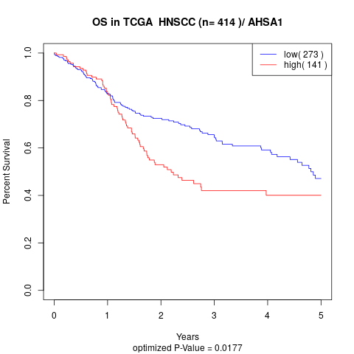

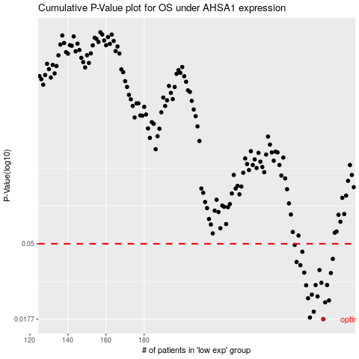

 |  |  |  |  |  | cases_OS | p_OS | rank | exp
 |  |  |  |  |  | 274 | 0.0177 | 248 | 0.27714984098
 |  |  |  |  |  | 267 | 0.0181 | 372 | 0.24727345551
 |  |  |  |  |  | 269 | 0.0196 | 213 | 0.25536279374
 |  |  |  |  |  | 275 | 0.0223 | 375 | 0.27729892341
 |  |  |  |  |  | 277 | 0.0229 | 21 | 0.30030848461
 |  |  |  |  |  | 266 | 0.0236 | 6 | 0.2273441389
 |  |  |  |  |  | 271 | 0.0242 | 389 | 0.25962400319
 |  |  |  |  |  | 268 | 0.0248 | 350 | 0.24958499382
 |  |  |  |  |  | 265 | 0.0282 | 91 | 0.20742471041
 |  |  |  |  |  | 276 | 0.0283 | 136 | 0.29785347348
 |  |  |  |  |  | 270 | 0.0283 | 354 | 0.25910440147
 |  |  |  |  |  | 273 | 0.0292 | 232 | 0.27526349185
 |  |  |  |  |  | 278 | 0.0334 | 215 | 0.30212542675
 |  |  |  |  |  | 264 | 0.0336 | 33 | 0.19725648994
 |  |  |  |  |  | 272 | 0.0348 | 295 | 0.26328945337
 |  |  |  |  |  | 262 | 0.0372 | 371 | 0.1951723784
 |  |  |  |  |  | 260 | 0.0389 | 250 | 0.18491297804
 |  |  |  |  |  | 279 | 0.0406 | 394 | 0.31880012556
 |  |  |  |  |  | 263 | 0.0448 | 50 | 0.19608208548
 |  |  |  |  |  | 259 | 0.0492 | 14 | 0.18265192619
 |  |  |  |  |  |  | cases_RFS | p_RFS | rank | exp
 |  |  |  |  |  |  | 273 | 0.0177 | 232 | 0.27526349185
 |  |  |  |  |  |  | 266 | 0.0181 | 6 | 0.2273441389
 |  |  |  |  |  |  | 268 | 0.0196 | 350 | 0.24958499382
 |  |  |  |  |  |  | 274 | 0.0223 | 248 | 0.27714984098
 |  |  |  |  |  |  | 276 | 0.0229 | 136 | 0.29785347348
 |  |  |  |  |  |  | 265 | 0.0236 | 91 | 0.20742471041
 |  |  |  |  |  |  | 270 | 0.0242 | 354 | 0.25910440147
 |  |  |  |  |  |  | 267 | 0.0248 | 372 | 0.24727345551
 |  |  |  |  |  |  | 264 | 0.0282 | 33 | 0.19725648994
 |  |  |  |  |  |  | 269 | 0.0283 | 213 | 0.25536279374
 |  |  |  |  |  |  | 275 | 0.0283 | 375 | 0.27729892341
 |  |  |  |  |  |  | 272 | 0.0292 | 295 | 0.26328945337
 |  |  |  |  |  |  | 277 | 0.0334 | 21 | 0.30030848461
 |  |  |  |  |  |  | 263 | 0.0336 | 50 | 0.19608208548
 |  |  |  |  |  |  | 271 | 0.0348 | 389 | 0.25962400319
 |  |  |  |  |  |  | 261 | 0.0372 | 272 | 0.19405986977
 |  |  |  |  |  |  | 259 | 0.0389 | 14 | 0.18265192619
 |  |  |  |  |  |  | 278 | 0.0406 | 215 | 0.30212542675
 |  |  |  |  |  |  | 262 | 0.0448 | 371 | 0.1951723784
 |  |  |  |  |  |  | 258 | 0.0492 | 134 | 0.17464492558

