AIF1 _multivariate
Reported by Tex Li-Hsing Chi. tex@gate.sinica.edu.tw 2019-08-22

Table 2. The clinicopathological features of HNSCC cohort and AIF1 expression. (Chi square test)
Cutoff at -0.268 (49.8%)
 |  | AIF1 expression |  | AIF1 expression |  | (Optimised)
 | Features | Low | (%) | High | (%) | Case no | P-value | Remark | Matthews
Gender | Female | 164 | 39.5 | 142 | 34.2 | 415 | 0.0153 | 1 | 0
2 | Male | 43 | 10.4 | 66 | 15.9
Age at diagnosis | <=65y | 146 | 35.2 | 128 | 30.8 | 415 | 0.0672 | 0 | 0
4 | >65y | 61 | 14.7 | 80 | 19.3
Clinical T Status | T1+T2 | 73 | 17.6 | 76 | 18.3 | 415 | 0.8666 | 0 | 0
6 | T3+T4 | 134 | 32.3 | 132 | 31.8
Clinical N Status | N0 | 116 | 28 | 100 | 24.1 | 415 | 0.1273 | 1 | 0
8 | N1-3 | 91 | 21.9 | 108 | 26
Clinical M Status | M0 | 207 | 49.9 | 205 | 49.4 | 415 | 0.2482 | 0 | 0
10 | M1 | 0 | 0 | 3 | 0.7
Clinical Stage | Stage I+II | 52 | 12.5 | 50 | 12 | 415 | 0.8871 | 0 | 0
12 | Stage III+IV | 155 | 37.3 | 158 | 38.1
Surgical Margin status | Negative | 158 | 38.1 | 160 | 38.6 | 415 | 0.9081 | 0 | 0
14 | Positive | 49 | 11.8 | 48 | 11.6
Tobacco Exposure | Low | 68 | 16.4 | 93 | 22.4 | 415 | 0.0156 | 1 | 0
16 | High | 139 | 33.5 | 115 | 27.7

Table 3. Univariate/Multivariate Cox's proportional hazards regression analyses on OS time of AIF1 gene expression in HNSCC

 |  | Univariate |  |  |  | Multivariate
 | Features | HR | CI95%(L) | CI95%(H) | P-value | HR | CI95%(L) | CI95%(H) | P-value
1 | Female | 1 |  |  |  | 1
Gender | Male | 1.157 | 0.843 | 1.587 | 0.367 | 1.22 | 0.873 | 1.706 | 0.244
11 | <=65y | 1 |  |  |  | 1
Age at diagnosis | >65y | 1.329 | 0.99 | 1.784 | 0.058 | 1.407 | 1.035 | 1.913 | 0.029
12 | T1+T2 | 1 |  |  |  | 1
Clinical T Status | T3+T4 | 1.409 | 1.028 | 1.931 | 0.033 | 2.25 | 1.188 | 4.261 | 0.013
13 | N0 | 1 |  |  |  | 1
Clinical N Status | N1-3 | 1.185 | 0.89 | 1.577 | 0.246 | 1.266 | 0.886 | 1.809 | 0.196
14 | M0 | 1 |  |  |  | 1
Clinical M Status | M1 | 4.097 | 1.009 | 16.644 | 0.049 | 10.413 | 2.244 | 48.306 | 0.003
15 | Stage I+II | 1 |  |  |  | 1
Clinical Stage | Stage III+IV | 1.245 | 0.882 | 1.759 | 0.213 | 0.495 | 0.23 | 1.063 | 0.071
16 | Negative | 1 |  |  |  | 1
Surgical Margin status | Positive | 1.591 | 1.155 | 2.191 | 0.004 | 1.695 | 1.225 | 2.345 | 0.001
17 | Low | 1 |  |  |  | 1
Tobacco Exposure | High | 1.364 | 1.008 | 1.844 | 0.044 | 1.411 | 1.019 | 1.952 | 0.038
18 | Low | 1 |  |  |  | 1
RNAseq(z-score) | High | 0.907 | 0.679 | 1.211 | 0.508 | 0.846 | 0.625 | 1.144 | 0.277

Table 4. Univariate/Multivariate Cox's proportional hazards regression analyses on RFS time of AIF1 gene expression in HNSCC

 |  | Univariate |  |  |  | Multivariate
 | Features | HR | CI95%(L) | CI95%(H) | P-value | HR | CI95%(L) | CI95%(H) | P-value
1 | Female | 1 |  |  |  | 1
Gender | Male | 1.157 | 0.843 | 1.587 | 0.367 | 1.22 | 0.873 | 1.706 | 0.244
11 | <=65y | 1 |  |  |  | 1
Age at diagnosis | >65y | 1.329 | 0.99 | 1.784 | 0.058 | 1.407 | 1.035 | 1.913 | 0.029
12 | T1+T2 | 1 |  |  |  | 1
Clinical T Status | T3+T4 | 1.409 | 1.028 | 1.931 | 0.033 | 2.25 | 1.188 | 4.261 | 0.013
13 | N0 | 1 |  |  |  | 1
Clinical N Status | N1-3 | 1.185 | 0.89 | 1.577 | 0.246 | 1.266 | 0.886 | 1.809 | 0.196
14 | M0 | 1 |  |  |  | 1
Clinical M Status | M1 | 4.097 | 1.009 | 16.644 | 0.049 | 10.413 | 2.244 | 48.306 | 0.003
15 | Stage I+II | 1 |  |  |  | 1
Clinical Stage | Stage III+IV | 1.245 | 0.882 | 1.759 | 0.213 | 0.495 | 0.23 | 1.063 | 0.071
16 | Negative | 1 |  |  |  | 1
Surgical Margin status | Positive | 1.591 | 1.155 | 2.191 | 0.004 | 1.695 | 1.225 | 2.345 | 0.001
17 | Low | 1 |  |  |  | 1
Tobacco Exposure | High | 1.364 | 1.008 | 1.844 | 0.044 | 1.411 | 1.019 | 1.952 | 0.038
18 | Low | 1 |  |  |  | 1
RNAseq(z-score) | High | 0.907 | 0.679 | 1.211 | 0.508 | 0.846 | 0.625 | 1.144 | 0.277

Kaplan-Meier survival estimate: Cutoff at -0.268 (49.8%)



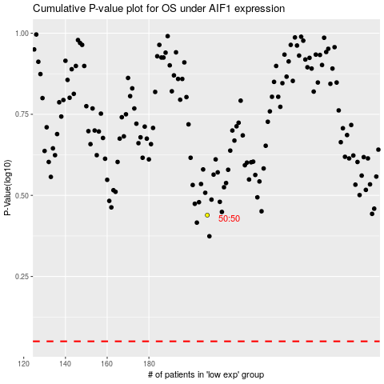

 |  |  |  |  |  | cases_OS | p_OS | rank | exp
 |  |  |  |  |  |  | cases_RFS | p_RFS | rank | exp

