AIFM1 _multivariate
Reported by Tex Li-Hsing Chi. tex@gate.sinica.edu.tw 2019-08-22

Table 2. The clinicopathological features of HNSCC cohort and AIFM1 expression. (Chi square test)
Cutoff at -0.557 (30.9%)
 |  | AIFM1 expression |  | AIFM1 expression |  | (Optimised)
 | Features | Low | (%) | High | (%) | Case no | P-value | Remark | Matthews
Gender | Female | 87 | 21 | 219 | 52.8 | 415 | 0.0965 | 0 | 0
2 | Male | 41 | 9.9 | 68 | 16.4
Age at diagnosis | <=65y | 82 | 19.8 | 192 | 46.3 | 415 | 0.6518 | 0 | 0
4 | >65y | 46 | 11.1 | 95 | 22.9
Clinical T Status | T1+T2 | 52 | 12.5 | 97 | 23.4 | 415 | 0.2194 | 0 | 0
6 | T3+T4 | 76 | 18.3 | 190 | 45.8
Clinical N Status | N0 | 68 | 16.4 | 148 | 35.7 | 415 | 0.8518 | 0 | 0
8 | N1-3 | 60 | 14.5 | 139 | 33.5
Clinical M Status | M0 | 128 | 30.8 | 284 | 68.4 | 415 | 0.5558 | 0 | 0
10 | M1 | 0 | 0 | 3 | 0.7
Clinical Stage | Stage I+II | 36 | 8.7 | 66 | 15.9 | 415 | 0.3186 | 0 | 0
12 | Stage III+IV | 92 | 22.2 | 221 | 53.3
Surgical Margin status | Negative | 100 | 24.1 | 218 | 52.5 | 415 | 0.7068 | 0 | 0
14 | Positive | 28 | 6.7 | 69 | 16.6
Tobacco Exposure | Low | 59 | 14.2 | 102 | 24.6 | 415 | 0.0495 | 1 | 0
16 | High | 69 | 16.6 | 185 | 44.6

Table 3. Univariate/Multivariate Cox's proportional hazards regression analyses on OS time of AIFM1 gene expression in HNSCC

 |  | Univariate |  |  |  | Multivariate
 | Features | HR | CI95%(L) | CI95%(H) | P-value | HR | CI95%(L) | CI95%(H) | P-value
1 | Female | 1 |  |  |  | 1
Gender | Male | 1.157 | 0.843 | 1.587 | 0.367 | 1.289 | 0.918 | 1.81 | 0.142
11 | <=65y | 1 |  |  |  | 1
Age at diagnosis | >65y | 1.329 | 0.99 | 1.784 | 0.058 | 1.414 | 1.04 | 1.921 | 0.027
12 | T1+T2 | 1 |  |  |  | 1
Clinical T Status | T3+T4 | 1.409 | 1.028 | 1.931 | 0.033 | 2.085 | 1.103 | 3.939 | 0.024
13 | N0 | 1 |  |  |  | 1
Clinical N Status | N1-3 | 1.185 | 0.89 | 1.577 | 0.246 | 1.283 | 0.898 | 1.832 | 0.171
14 | M0 | 1 |  |  |  | 1
Clinical M Status | M1 | 4.097 | 1.009 | 16.644 | 0.049 | 7.925 | 1.724 | 36.426 | 0.008
15 | Stage I+II | 1 |  |  |  | 1
Clinical Stage | Stage III+IV | 1.245 | 0.882 | 1.759 | 0.213 | 0.517 | 0.241 | 1.109 | 0.09
16 | Negative | 1 |  |  |  | 1
Surgical Margin status | Positive | 1.591 | 1.155 | 2.191 | 0.004 | 1.567 | 1.131 | 2.169 | 0.007
17 | Low | 1 |  |  |  | 1
Tobacco Exposure | High | 1.364 | 1.008 | 1.844 | 0.044 | 1.404 | 1.018 | 1.938 | 0.039
18 | Low | 1 |  |  |  | 1
RNAseq(z-score) | High | 1.657 | 1.195 | 2.299 | 0.002 | 1.573 | 1.121 | 2.208 | 0.009

Table 4. Univariate/Multivariate Cox's proportional hazards regression analyses on RFS time of AIFM1 gene expression in HNSCC

 |  | Univariate |  |  |  | Multivariate
 | Features | HR | CI95%(L) | CI95%(H) | P-value | HR | CI95%(L) | CI95%(H) | P-value
1 | Female | 1 |  |  |  | 1
Gender | Male | 1.157 | 0.843 | 1.587 | 0.367 | 1.289 | 0.918 | 1.81 | 0.142
11 | <=65y | 1 |  |  |  | 1
Age at diagnosis | >65y | 1.329 | 0.99 | 1.784 | 0.058 | 1.414 | 1.04 | 1.921 | 0.027
12 | T1+T2 | 1 |  |  |  | 1
Clinical T Status | T3+T4 | 1.409 | 1.028 | 1.931 | 0.033 | 2.085 | 1.103 | 3.939 | 0.024
13 | N0 | 1 |  |  |  | 1
Clinical N Status | N1-3 | 1.185 | 0.89 | 1.577 | 0.246 | 1.283 | 0.898 | 1.832 | 0.171
14 | M0 | 1 |  |  |  | 1
Clinical M Status | M1 | 4.097 | 1.009 | 16.644 | 0.049 | 7.925 | 1.724 | 36.426 | 0.008
15 | Stage I+II | 1 |  |  |  | 1
Clinical Stage | Stage III+IV | 1.245 | 0.882 | 1.759 | 0.213 | 0.517 | 0.241 | 1.109 | 0.09
16 | Negative | 1 |  |  |  | 1
Surgical Margin status | Positive | 1.591 | 1.155 | 2.191 | 0.004 | 1.567 | 1.131 | 2.169 | 0.007
17 | Low | 1 |  |  |  | 1
Tobacco Exposure | High | 1.364 | 1.008 | 1.844 | 0.044 | 1.404 | 1.018 | 1.938 | 0.039
18 | Low | 1 |  |  |  | 1
RNAseq(z-score) | High | 1.657 | 1.195 | 2.299 | 0.002 | 1.573 | 1.121 | 2.208 | 0.009

Kaplan-Meier survival estimate: Cutoff at -0.557 (30.9%)

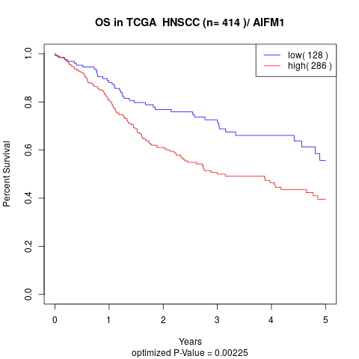

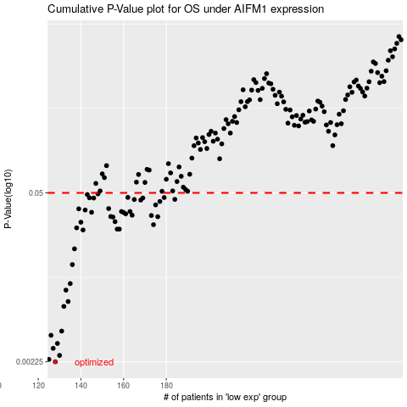

 |  |  |  |  |  | cases_OS | p_OS | rank | exp
 |  |  |  |  |  | 128 | 0.00225 | 220 | -0.5567691342
 |  |  |  |  |  | 125 | 0.00235 | 223 | -0.57259585753
 |  |  |  |  |  | 130 | 0.00253 | 261 | -0.5527637375
 |  |  |  |  |  | 127 | 0.00288 | 164 | -0.56356122507
 |  |  |  |  |  | 129 | 0.00315 | 334 | -0.55424206264
 |  |  |  |  |  | 126 | 0.00366 | 262 | -0.56421672821
 |  |  |  |  |  | 131 | 0.00395 | 413 | -0.54879643442
 |  |  |  |  |  | 132 | 0.00622 | 180 | -0.53439763545
 |  |  |  |  |  | 134 | 0.0068 | 284 | -0.52844477614
 |  |  |  |  |  | 133 | 0.00839 | 170 | -0.53378755162
 |  |  |  |  |  | 135 | 0.00946 | 387 | -0.52760114917
 |  |  |  |  |  | 136 | 0.0134 | 163 | -0.52456538138
 |  |  |  |  |  | 137 | 0.0179 | 108 | -0.52330741313
 |  |  |  |  |  | 141 | 0.0253 | 155 | -0.48786599639
 |  |  |  |  |  | 158 | 0.0257 | 199 | -0.45485583113
 |  |  |  |  |  | 157 | 0.0257 | 333 | -0.45760941316
 |  |  |  |  |  | 138 | 0.0263 | 264 | -0.50718824808
 |  |  |  |  |  | 174 | 0.0279 | 274 | -0.41640531213
 |  |  |  |  |  | 140 | 0.0292 | 269 | -0.48858479353
 |  |  |  |  |  | 156 | 0.0295 | 294 | -0.46230840661
 |  |  |  |  |  | 155 | 0.0321 | 238 | -0.46470859714
 |  |  |  |  |  | 176 | 0.0323 | 186 | -0.4000394177
 |  |  |  |  |  | 154 | 0.0324 | 306 | -0.46546079945
 |  |  |  |  |  | 173 | 0.033 | 290 | -0.41825226622
 |  |  |  |  |  | 164 | 0.0332 | 12 | -0.44334159761
 |  |  |  |  |  | 161 | 0.034 | 364 | -0.45294118763
 |  |  |  |  |  | 160 | 0.0349 | 25 | -0.4532447644
 |  |  |  |  |  | 145 | 0.035 | 373 | -0.47829307191
 |  |  |  |  |  | 159 | 0.0355 | 13 | -0.45367727341
 |  |  |  |  |  | 163 | 0.0355 | 313 | -0.44959451737
 |  |  |  |  |  | 142 | 0.0365 | 227 | -0.48691013978
 |  |  |  |  |  | 139 | 0.0373 | 242 | -0.50182056524
 |  |  |  |  |  | 153 | 0.0375 | 96 | -0.46574034795
 |  |  |  |  |  | 175 | 0.0401 | 14 | -0.40133635864
 |  |  |  |  |  | 177 | 0.0427 | 76 | -0.39835421495
 |  |  |  |  |  | 168 | 0.0438 | 280 | -0.43101802138
 |  |  |  |  |  | 165 | 0.0443 | 285 | -0.44307054692
 |  |  |  |  |  | 184 | 0.0444 | 394 | -0.37342077433
 |  |  |  |  |  | 169 | 0.0455 | 114 | -0.42860405854
 |  |  |  |  |  | 146 | 0.0455 | 302 | -0.47710074188
 |  |  |  |  |  | 144 | 0.0457 | 51 | -0.4803099821
 |  |  |  |  |  | 179 | 0.0459 | 225 | -0.39254171594
 |  |  |  |  |  | 162 | 0.046 | 282 | -0.45228099604
 |  |  |  |  |  | 143 | 0.0485 | 19 | -0.48360039103
 |  |  |  |  |  | 148 | 0.0491 | 212 | -0.4746240711
 |  |  |  |  |  |  | cases_RFS | p_RFS | rank | exp
 |  |  |  |  |  |  | 127 | 0.00225 | 164 | -0.56356122507
 |  |  |  |  |  |  |  | 0.00235 | 350 | -0.5815399444
 |  |  |  |  |  |  | 129 | 0.00253 | 334 | -0.55424206264
 |  |  |  |  |  |  | 126 | 0.00288 | 262 | -0.56421672821
 |  |  |  |  |  |  | 128 | 0.00315 | 220 | -0.5567691342
 |  |  |  |  |  |  | 125 | 0.00366 | 223 | -0.57259585753
 |  |  |  |  |  |  | 130 | 0.00395 | 261 | -0.5527637375
 |  |  |  |  |  |  | 131 | 0.00622 | 413 | -0.54879643442
 |  |  |  |  |  |  | 133 | 0.0068 | 170 | -0.53378755162
 |  |  |  |  |  |  | 132 | 0.00839 | 180 | -0.53439763545
 |  |  |  |  |  |  | 134 | 0.00946 | 284 | -0.52844477614
 |  |  |  |  |  |  | 135 | 0.0134 | 387 | -0.52760114917
 |  |  |  |  |  |  | 136 | 0.0179 | 163 | -0.52456538138
 |  |  |  |  |  |  | 140 | 0.0253 | 269 | -0.48858479353
 |  |  |  |  |  |  | 156 | 0.0257 | 294 | -0.46230840661
 |  |  |  |  |  |  | 157 | 0.0257 | 333 | -0.45760941316
 |  |  |  |  |  |  | 137 | 0.0263 | 108 | -0.52330741313
 |  |  |  |  |  |  | 173 | 0.0279 | 290 | -0.41825226622
 |  |  |  |  |  |  | 139 | 0.0292 | 242 | -0.50182056524
 |  |  |  |  |  |  | 155 | 0.0295 | 238 | -0.46470859714
 |  |  |  |  |  |  | 154 | 0.0321 | 306 | -0.46546079945
 |  |  |  |  |  |  | 175 | 0.0323 | 14 | -0.40133635864
 |  |  |  |  |  |  | 153 | 0.0324 | 96 | -0.46574034795
 |  |  |  |  |  |  | 172 | 0.033 | 245 | -0.41966055772
 |  |  |  |  |  |  | 163 | 0.0332 | 313 | -0.44959451737
 |  |  |  |  |  |  | 160 | 0.034 | 25 | -0.4532447644
 |  |  |  |  |  |  | 159 | 0.0349 | 13 | -0.45367727341
 |  |  |  |  |  |  | 144 | 0.035 | 51 | -0.4803099821
 |  |  |  |  |  |  | 158 | 0.0355 | 199 | -0.45485583113
 |  |  |  |  |  |  | 162 | 0.0355 | 282 | -0.45228099604
 |  |  |  |  |  |  | 141 | 0.0365 | 155 | -0.48786599639
 |  |  |  |  |  |  | 138 | 0.0373 | 264 | -0.50718824808
 |  |  |  |  |  |  | 152 | 0.0375 | 271 | -0.46593169509
 |  |  |  |  |  |  | 174 | 0.0401 | 274 | -0.41640531213
 |  |  |  |  |  |  | 176 | 0.0427 | 186 | -0.4000394177
 |  |  |  |  |  |  | 167 | 0.0438 | 177 | -0.4391556958
 |  |  |  |  |  |  | 164 | 0.0443 | 12 | -0.44334159761
 |  |  |  |  |  |  | 183 | 0.0444 | 47 | -0.373965806
 |  |  |  |  |  |  | 168 | 0.0455 | 280 | -0.43101802138
 |  |  |  |  |  |  | 145 | 0.0455 | 373 | -0.47829307191
 |  |  |  |  |  |  | 143 | 0.0457 | 19 | -0.48360039103
 |  |  |  |  |  |  | 178 | 0.0459 | 408 | -0.3942248675
 |  |  |  |  |  |  | 161 | 0.046 | 364 | -0.45294118763
 |  |  |  |  |  |  | 142 | 0.0485 | 227 | -0.48691013978
 |  |  |  |  |  |  | 147 | 0.0491 | 233 | -0.47524206668

