AIM1L _multivariate
Reported by Tex Li-Hsing Chi. tex@gate.sinica.edu.tw 2019-08-22

Table 2. The clinicopathological features of HNSCC cohort and AIM1L expression. (Chi square test)
Cutoff at -0.398 (42.0%)
 |  | AIM1L expression |  | AIM1L expression |  | (Optimised)
 | Features | Low | (%) | High | (%) | Case no | P-value | Remark | Matthews
Gender | Female | 137 | 33 | 169 | 40.7 | 415 | 0.0637 | 0 | 0
2 | Male | 37 | 8.9 | 72 | 17.3
Age at diagnosis | <=65y | 112 | 27 | 162 | 39 | 415 | 0.6169 | 0 | 0
4 | >65y | 62 | 14.9 | 79 | 19
Clinical T Status | T1+T2 | 67 | 16.1 | 82 | 19.8 | 415 | 0.4036 | 0 | 0
6 | T3+T4 | 107 | 25.8 | 159 | 38.3
Clinical N Status | N0 | 84 | 20.2 | 132 | 31.8 | 415 | 0.2272 | 0 | 0
8 | N1-3 | 90 | 21.7 | 109 | 26.3
Clinical M Status | M0 | 174 | 41.9 | 238 | 57.3 | 415 | 0.2678 | 0 | 0
10 | M1 | 0 | 0 | 3 | 0.7
Clinical Stage | Stage I+II | 43 | 10.4 | 59 | 14.2 | 415 | 1 | 0 | 0
12 | Stage III+IV | 131 | 31.6 | 182 | 43.9
Surgical Margin status | Negative | 129 | 31.1 | 189 | 45.5 | 415 | 0.3474 | 0 | 0
14 | Positive | 45 | 10.8 | 52 | 12.5
Tobacco Exposure | Low | 57 | 13.7 | 104 | 25.1 | 415 | 0.0327 | 1 | 0
16 | High | 117 | 28.2 | 137 | 33

Table 3. Univariate/Multivariate Cox's proportional hazards regression analyses on OS time of AIM1L gene expression in HNSCC

 |  | Univariate |  |  |  | Multivariate
 | Features | HR | CI95%(L) | CI95%(H) | P-value | HR | CI95%(L) | CI95%(H) | P-value
1 | Female | 1 |  |  |  | 1
Gender | Male | 1.157 | 0.843 | 1.587 | 0.367 | 1.259 | 0.899 | 1.765 | 0.18
11 | <=65y | 1 |  |  |  | 1
Age at diagnosis | >65y | 1.329 | 0.99 | 1.784 | 0.058 | 1.39 | 1.022 | 1.89 | 0.036
12 | T1+T2 | 1 |  |  |  | 1
Clinical T Status | T3+T4 | 1.409 | 1.028 | 1.931 | 0.033 | 2.224 | 1.176 | 4.206 | 0.014
13 | N0 | 1 |  |  |  | 1
Clinical N Status | N1-3 | 1.185 | 0.89 | 1.577 | 0.246 | 1.19 | 0.832 | 1.702 | 0.34
14 | M0 | 1 |  |  |  | 1
Clinical M Status | M1 | 4.097 | 1.009 | 16.644 | 0.049 | 11.32 | 2.444 | 52.431 | 0.002
15 | Stage I+II | 1 |  |  |  | 1
Clinical Stage | Stage III+IV | 1.245 | 0.882 | 1.759 | 0.213 | 0.508 | 0.237 | 1.09 | 0.082
16 | Negative | 1 |  |  |  | 1
Surgical Margin status | Positive | 1.591 | 1.155 | 2.191 | 0.004 | 1.679 | 1.215 | 2.321 | 0.002
17 | Low | 1 |  |  |  | 1
Tobacco Exposure | High | 1.364 | 1.008 | 1.844 | 0.044 | 1.423 | 1.031 | 1.962 | 0.032
18 | Low | 1 |  |  |  | 1
RNAseq(z-score) | High | 0.745 | 0.558 | 0.994 | 0.046 | 0.723 | 0.537 | 0.972 | 0.032

Table 4. Univariate/Multivariate Cox's proportional hazards regression analyses on RFS time of AIM1L gene expression in HNSCC

 |  | Univariate |  |  |  | Multivariate
 | Features | HR | CI95%(L) | CI95%(H) | P-value | HR | CI95%(L) | CI95%(H) | P-value
1 | Female | 1 |  |  |  | 1
Gender | Male | 1.157 | 0.843 | 1.587 | 0.367 | 1.259 | 0.899 | 1.765 | 0.18
11 | <=65y | 1 |  |  |  | 1
Age at diagnosis | >65y | 1.329 | 0.99 | 1.784 | 0.058 | 1.39 | 1.022 | 1.89 | 0.036
12 | T1+T2 | 1 |  |  |  | 1
Clinical T Status | T3+T4 | 1.409 | 1.028 | 1.931 | 0.033 | 2.224 | 1.176 | 4.206 | 0.014
13 | N0 | 1 |  |  |  | 1
Clinical N Status | N1-3 | 1.185 | 0.89 | 1.577 | 0.246 | 1.19 | 0.832 | 1.702 | 0.34
14 | M0 | 1 |  |  |  | 1
Clinical M Status | M1 | 4.097 | 1.009 | 16.644 | 0.049 | 11.32 | 2.444 | 52.431 | 0.002
15 | Stage I+II | 1 |  |  |  | 1
Clinical Stage | Stage III+IV | 1.245 | 0.882 | 1.759 | 0.213 | 0.508 | 0.237 | 1.09 | 0.082
16 | Negative | 1 |  |  |  | 1
Surgical Margin status | Positive | 1.591 | 1.155 | 2.191 | 0.004 | 1.679 | 1.215 | 2.321 | 0.002
17 | Low | 1 |  |  |  | 1
Tobacco Exposure | High | 1.364 | 1.008 | 1.844 | 0.044 | 1.423 | 1.031 | 1.962 | 0.032
18 | Low | 1 |  |  |  | 1
RNAseq(z-score) | High | 0.745 | 0.558 | 0.994 | 0.046 | 0.723 | 0.537 | 0.972 | 0.032

Kaplan-Meier survival estimate: Cutoff at -0.398 (42.0%)



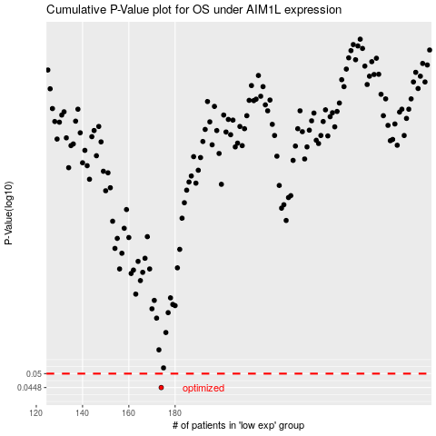

 |  |  |  |  |  | cases_OS | p_OS | rank | exp
 |  |  |  |  |  | 174 | 0.0448 | 311 | -0.39800373925
 |  |  |  |  |  |  | cases_RFS | p_RFS | rank | exp
 |  |  |  |  |  |  | 173 | 0.0448 | 199 | -0.4022991791

