AIP _multivariate
Reported by Tex Li-Hsing Chi. tex@gate.sinica.edu.tw 2019-08-22

Table 2. The clinicopathological features of HNSCC cohort and AIP expression. (Chi square test)
Cutoff at -0.352 (40.1%)
 |  | AIP expression |  | AIP expression |  | (Optimised)
 | Features | Low | (%) | High | (%) | Case no | P-value | Remark | Matthews
Gender | Female | 115 | 27.7 | 191 | 46 | 415 | 0.0823 | 0 | 0
2 | Male | 52 | 12.5 | 57 | 13.7
Age at diagnosis | <=65y | 104 | 25.1 | 170 | 41 | 415 | 0.2234 | 0 | 0
4 | >65y | 63 | 15.2 | 78 | 18.8
Clinical T Status | T1+T2 | 61 | 14.7 | 88 | 21.2 | 415 | 0.9101 | 0 | 0
6 | T3+T4 | 106 | 25.5 | 160 | 38.6
Clinical N Status | N0 | 93 | 22.4 | 123 | 29.6 | 415 | 0.2636 | 0 | 0
8 | N1-3 | 74 | 17.8 | 125 | 30.1
Clinical M Status | M0 | 166 | 40 | 246 | 59.3 | 415 | 1 | 0 | 0
10 | M1 | 1 | 0.2 | 2 | 0.5
Clinical Stage | Stage I+II | 42 | 10.1 | 60 | 14.5 | 415 | 0.9159 | 0 | 0
12 | Stage III+IV | 125 | 30.1 | 188 | 45.3
Surgical Margin status | Negative | 131 | 31.6 | 187 | 45.1 | 415 | 0.5544 | 0 | 0
14 | Positive | 36 | 8.7 | 61 | 14.7
Tobacco Exposure | Low | 69 | 16.6 | 92 | 22.2 | 415 | 0.412 | 0 | 0
16 | High | 98 | 23.6 | 156 | 37.6

Table 3. Univariate/Multivariate Cox's proportional hazards regression analyses on OS time of AIP gene expression in HNSCC

 |  | Univariate |  |  |  | Multivariate
 | Features | HR | CI95%(L) | CI95%(H) | P-value | HR | CI95%(L) | CI95%(H) | P-value
1 | Female | 1 |  |  |  | 1
Gender | Male | 1.157 | 0.843 | 1.587 | 0.367 | 1.226 | 0.877 | 1.714 | 0.233
11 | <=65y | 1 |  |  |  | 1
Age at diagnosis | >65y | 1.329 | 0.99 | 1.784 | 0.058 | 1.422 | 1.046 | 1.934 | 0.025
12 | T1+T2 | 1 |  |  |  | 1
Clinical T Status | T3+T4 | 1.409 | 1.028 | 1.931 | 0.033 | 2.144 | 1.134 | 4.054 | 0.019
13 | N0 | 1 |  |  |  | 1
Clinical N Status | N1-3 | 1.185 | 0.89 | 1.577 | 0.246 | 1.194 | 0.835 | 1.707 | 0.331
14 | M0 | 1 |  |  |  | 1
Clinical M Status | M1 | 4.097 | 1.009 | 16.644 | 0.049 | 8.857 | 1.929 | 40.66 | 0.005
15 | Stage I+II | 1 |  |  |  | 1
Clinical Stage | Stage III+IV | 1.245 | 0.882 | 1.759 | 0.213 | 0.534 | 0.248 | 1.147 | 0.108
16 | Negative | 1 |  |  |  | 1
Surgical Margin status | Positive | 1.591 | 1.155 | 2.191 | 0.004 | 1.64 | 1.187 | 2.266 | 0.003
17 | Low | 1 |  |  |  | 1
Tobacco Exposure | High | 1.364 | 1.008 | 1.844 | 0.044 | 1.451 | 1.053 | 1.999 | 0.023
18 | Low | 1 |  |  |  | 1
RNAseq(z-score) | High | 1.366 | 1.005 | 1.858 | 0.046 | 1.347 | 0.986 | 1.84 | 0.061

Table 4. Univariate/Multivariate Cox's proportional hazards regression analyses on RFS time of AIP gene expression in HNSCC

 |  | Univariate |  |  |  | Multivariate
 | Features | HR | CI95%(L) | CI95%(H) | P-value | HR | CI95%(L) | CI95%(H) | P-value
1 | Female | 1 |  |  |  | 1
Gender | Male | 1.157 | 0.843 | 1.587 | 0.367 | 1.226 | 0.877 | 1.714 | 0.233
11 | <=65y | 1 |  |  |  | 1
Age at diagnosis | >65y | 1.329 | 0.99 | 1.784 | 0.058 | 1.422 | 1.046 | 1.934 | 0.025
12 | T1+T2 | 1 |  |  |  | 1
Clinical T Status | T3+T4 | 1.409 | 1.028 | 1.931 | 0.033 | 2.144 | 1.134 | 4.054 | 0.019
13 | N0 | 1 |  |  |  | 1
Clinical N Status | N1-3 | 1.185 | 0.89 | 1.577 | 0.246 | 1.194 | 0.835 | 1.707 | 0.331
14 | M0 | 1 |  |  |  | 1
Clinical M Status | M1 | 4.097 | 1.009 | 16.644 | 0.049 | 8.857 | 1.929 | 40.66 | 0.005
15 | Stage I+II | 1 |  |  |  | 1
Clinical Stage | Stage III+IV | 1.245 | 0.882 | 1.759 | 0.213 | 0.534 | 0.248 | 1.147 | 0.108
16 | Negative | 1 |  |  |  | 1
Surgical Margin status | Positive | 1.591 | 1.155 | 2.191 | 0.004 | 1.64 | 1.187 | 2.266 | 0.003
17 | Low | 1 |  |  |  | 1
Tobacco Exposure | High | 1.364 | 1.008 | 1.844 | 0.044 | 1.451 | 1.053 | 1.999 | 0.023
18 | Low | 1 |  |  |  | 1
RNAseq(z-score) | High | 1.366 | 1.005 | 1.858 | 0.046 | 1.347 | 0.986 | 1.84 | 0.061

Kaplan-Meier survival estimate: Cutoff at -0.352 (40.1%)

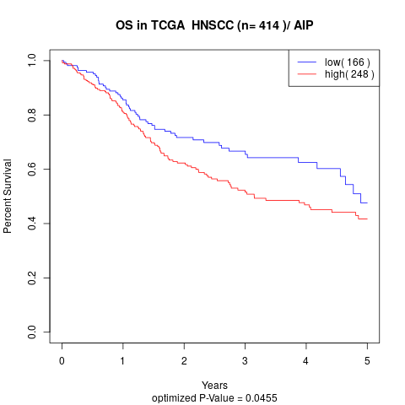

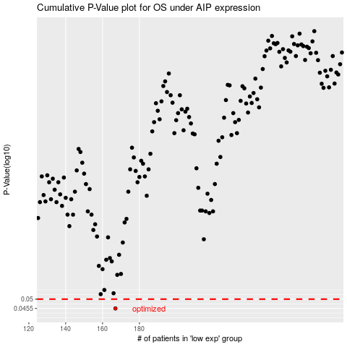

 |  |  |  |  |  | cases_OS | p_OS | rank | exp
 |  |  |  |  |  | 167 | 0.0455 | 225 | -0.35243376906
 |  |  |  |  |  |  | cases_RFS | p_RFS | rank | exp
 |  |  |  |  |  |  | 166 | 0.0455 | 381 | -0.35671501524

