AJAP1 _multivariate
Reported by Tex Li-Hsing Chi. tex@gate.sinica.edu.tw 2019-08-22

Table 2. The clinicopathological features of HNSCC cohort and AJAP1 expression. (Chi square test)
Cutoff at -0.425 (49.8%)
 |  | AJAP1 expression |  | AJAP1 expression |  | (Optimised)
 | Features | Low | (%) | High | (%) | Case no | P-value | Remark | Matthews
Gender | Female | 160 | 38.6 | 146 | 35.2 | 415 | 0.1254 | 0 | 0
2 | Male | 47 | 11.3 | 62 | 14.9
Age at diagnosis | <=65y | 141 | 34 | 133 | 32 | 415 | 0.4272 | 0 | 0
4 | >65y | 66 | 15.9 | 75 | 18.1
Clinical T Status | T1+T2 | 68 | 16.4 | 81 | 19.5 | 415 | 0.2336 | 0 | 0
6 | T3+T4 | 139 | 33.5 | 127 | 30.6
Clinical N Status | N0 | 102 | 24.6 | 114 | 27.5 | 415 | 0.3031 | 0 | 0
8 | N1-3 | 105 | 25.3 | 94 | 22.7
Clinical M Status | M0 | 206 | 49.6 | 206 | 49.6 | 415 | 1 | 0 | 0
10 | M1 | 1 | 0.2 | 2 | 0.5
Clinical Stage | Stage I+II | 43 | 10.4 | 59 | 14.2 | 415 | 0.0925 | 0 | 0
12 | Stage III+IV | 164 | 39.5 | 149 | 35.9
Surgical Margin status | Negative | 157 | 37.8 | 161 | 38.8 | 415 | 0.729 | 0 | 0
14 | Positive | 50 | 12 | 47 | 11.3
Tobacco Exposure | Low | 68 | 16.4 | 93 | 22.4 | 415 | 0.0156 | 1 | 0
16 | High | 139 | 33.5 | 115 | 27.7

Table 3. Univariate/Multivariate Cox's proportional hazards regression analyses on OS time of AJAP1 gene expression in HNSCC

 |  | Univariate |  |  |  | Multivariate
 | Features | HR | CI95%(L) | CI95%(H) | P-value | HR | CI95%(L) | CI95%(H) | P-value
1 | Female | 1 |  |  |  | 1
Gender | Male | 1.157 | 0.843 | 1.587 | 0.367 | 1.193 | 0.852 | 1.669 | 0.304
11 | <=65y | 1 |  |  |  | 1
Age at diagnosis | >65y | 1.329 | 0.99 | 1.784 | 0.058 | 1.391 | 1.024 | 1.891 | 0.035
12 | T1+T2 | 1 |  |  |  | 1
Clinical T Status | T3+T4 | 1.409 | 1.028 | 1.931 | 0.033 | 2.199 | 1.163 | 4.159 | 0.015
13 | N0 | 1 |  |  |  | 1
Clinical N Status | N1-3 | 1.185 | 0.89 | 1.577 | 0.246 | 1.246 | 0.873 | 1.778 | 0.226
14 | M0 | 1 |  |  |  | 1
Clinical M Status | M1 | 4.097 | 1.009 | 16.644 | 0.049 | 9.303 | 2.028 | 42.685 | 0.004
15 | Stage I+II | 1 |  |  |  | 1
Clinical Stage | Stage III+IV | 1.245 | 0.882 | 1.759 | 0.213 | 0.507 | 0.236 | 1.088 | 0.081
16 | Negative | 1 |  |  |  | 1
Surgical Margin status | Positive | 1.591 | 1.155 | 2.191 | 0.004 | 1.669 | 1.208 | 2.306 | 0.002
17 | Low | 1 |  |  |  | 1
Tobacco Exposure | High | 1.364 | 1.008 | 1.844 | 0.044 | 1.462 | 1.059 | 2.017 | 0.021
18 | Low | 1 |  |  |  | 1
RNAseq(z-score) | High | 1.033 | 0.776 | 1.376 | 0.824 | 1.059 | 0.79 | 1.42 | 0.7

Table 4. Univariate/Multivariate Cox's proportional hazards regression analyses on RFS time of AJAP1 gene expression in HNSCC

 |  | Univariate |  |  |  | Multivariate
 | Features | HR | CI95%(L) | CI95%(H) | P-value | HR | CI95%(L) | CI95%(H) | P-value
1 | Female | 1 |  |  |  | 1
Gender | Male | 1.157 | 0.843 | 1.587 | 0.367 | 1.193 | 0.852 | 1.669 | 0.304
11 | <=65y | 1 |  |  |  | 1
Age at diagnosis | >65y | 1.329 | 0.99 | 1.784 | 0.058 | 1.391 | 1.024 | 1.891 | 0.035
12 | T1+T2 | 1 |  |  |  | 1
Clinical T Status | T3+T4 | 1.409 | 1.028 | 1.931 | 0.033 | 2.199 | 1.163 | 4.159 | 0.015
13 | N0 | 1 |  |  |  | 1
Clinical N Status | N1-3 | 1.185 | 0.89 | 1.577 | 0.246 | 1.246 | 0.873 | 1.778 | 0.226
14 | M0 | 1 |  |  |  | 1
Clinical M Status | M1 | 4.097 | 1.009 | 16.644 | 0.049 | 9.303 | 2.028 | 42.685 | 0.004
15 | Stage I+II | 1 |  |  |  | 1
Clinical Stage | Stage III+IV | 1.245 | 0.882 | 1.759 | 0.213 | 0.507 | 0.236 | 1.088 | 0.081
16 | Negative | 1 |  |  |  | 1
Surgical Margin status | Positive | 1.591 | 1.155 | 2.191 | 0.004 | 1.669 | 1.208 | 2.306 | 0.002
17 | Low | 1 |  |  |  | 1
Tobacco Exposure | High | 1.364 | 1.008 | 1.844 | 0.044 | 1.462 | 1.059 | 2.017 | 0.021
18 | Low | 1 |  |  |  | 1
RNAseq(z-score) | High | 1.033 | 0.776 | 1.376 | 0.824 | 1.059 | 0.79 | 1.42 | 0.7

Kaplan-Meier survival estimate: Cutoff at -0.425 (49.8%)



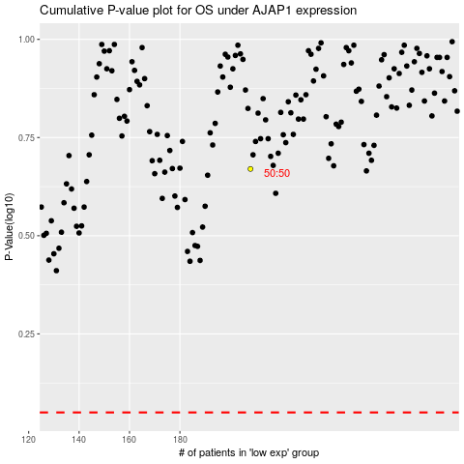

 |  |  |  |  |  | cases_OS | p_OS | rank | exp
 |  |  |  |  |  |  | cases_RFS | p_RFS | rank | exp

