AK3 _multivariate
Reported by Tex Li-Hsing Chi. tex@gate.sinica.edu.tw 2019-08-22

Table 2. The clinicopathological features of HNSCC cohort and AK3 expression. (Chi square test)
Cutoff at -0.176 (49.8%)
 |  | AK3 expression |  | AK3 expression |  | (Optimised)
 | Features | Low | (%) | High | (%) | Case no | P-value | Remark | Matthews
Gender | Female | 162 | 39 | 144 | 34.7 | 415 | 0.0479 | 1 | 0
2 | Male | 45 | 10.8 | 64 | 15.4
Age at diagnosis | <=65y | 141 | 34 | 133 | 32 | 415 | 0.4272 | 0 | 0
4 | >65y | 66 | 15.9 | 75 | 18.1
Clinical T Status | T1+T2 | 69 | 16.6 | 80 | 19.3 | 415 | 0.3239 | 0 | 0
6 | T3+T4 | 138 | 33.3 | 128 | 30.8
Clinical N Status | N0 | 101 | 24.3 | 115 | 27.7 | 415 | 0.2201 | 0 | 0
8 | N1-3 | 106 | 25.5 | 93 | 22.4
Clinical M Status | M0 | 204 | 49.2 | 208 | 50.1 | 415 | 0.1232 | 0 | 0
10 | M1 | 3 | 0.7 | 0 | 0
Clinical Stage | Stage I+II | 44 | 10.6 | 58 | 14 | 415 | 0.1459 | 0 | 0
12 | Stage III+IV | 163 | 39.3 | 150 | 36.1
Surgical Margin status | Negative | 159 | 38.3 | 159 | 38.3 | 415 | 1 | 0 | 0
14 | Positive | 48 | 11.6 | 49 | 11.8
Tobacco Exposure | Low | 69 | 16.6 | 92 | 22.2 | 415 | 0.0266 | 1 | 0
16 | High | 138 | 33.3 | 116 | 28

Table 3. Univariate/Multivariate Cox's proportional hazards regression analyses on OS time of AK3 gene expression in HNSCC

 |  | Univariate |  |  |  | Multivariate
 | Features | HR | CI95%(L) | CI95%(H) | P-value | HR | CI95%(L) | CI95%(H) | P-value
1 | Female | 1 |  |  |  | 1
Gender | Male | 1.157 | 0.843 | 1.587 | 0.367 | 1.212 | 0.866 | 1.696 | 0.263
11 | <=65y | 1 |  |  |  | 1
Age at diagnosis | >65y | 1.329 | 0.99 | 1.784 | 0.058 | 1.388 | 1.021 | 1.887 | 0.036
12 | T1+T2 | 1 |  |  |  | 1
Clinical T Status | T3+T4 | 1.409 | 1.028 | 1.931 | 0.033 | 2.195 | 1.161 | 4.15 | 0.016
13 | N0 | 1 |  |  |  | 1
Clinical N Status | N1-3 | 1.185 | 0.89 | 1.577 | 0.246 | 1.242 | 0.871 | 1.772 | 0.232
14 | M0 | 1 |  |  |  | 1
Clinical M Status | M1 | 4.097 | 1.009 | 16.644 | 0.049 | 9.04 | 1.96 | 41.69 | 0.005
15 | Stage I+II | 1 |  |  |  | 1
Clinical Stage | Stage III+IV | 1.245 | 0.882 | 1.759 | 0.213 | 0.499 | 0.232 | 1.072 | 0.075
16 | Negative | 1 |  |  |  | 1
Surgical Margin status | Positive | 1.591 | 1.155 | 2.191 | 0.004 | 1.678 | 1.214 | 2.319 | 0.002
17 | Low | 1 |  |  |  | 1
Tobacco Exposure | High | 1.364 | 1.008 | 1.844 | 0.044 | 1.444 | 1.047 | 1.992 | 0.025
18 | Low | 1 |  |  |  | 1
RNAseq(z-score) | High | 0.885 | 0.664 | 1.18 | 0.406 | 0.919 | 0.684 | 1.236 | 0.578

Table 4. Univariate/Multivariate Cox's proportional hazards regression analyses on RFS time of AK3 gene expression in HNSCC

 |  | Univariate |  |  |  | Multivariate
 | Features | HR | CI95%(L) | CI95%(H) | P-value | HR | CI95%(L) | CI95%(H) | P-value
1 | Female | 1 |  |  |  | 1
Gender | Male | 1.157 | 0.843 | 1.587 | 0.367 | 1.212 | 0.866 | 1.696 | 0.263
11 | <=65y | 1 |  |  |  | 1
Age at diagnosis | >65y | 1.329 | 0.99 | 1.784 | 0.058 | 1.388 | 1.021 | 1.887 | 0.036
12 | T1+T2 | 1 |  |  |  | 1
Clinical T Status | T3+T4 | 1.409 | 1.028 | 1.931 | 0.033 | 2.195 | 1.161 | 4.15 | 0.016
13 | N0 | 1 |  |  |  | 1
Clinical N Status | N1-3 | 1.185 | 0.89 | 1.577 | 0.246 | 1.242 | 0.871 | 1.772 | 0.232
14 | M0 | 1 |  |  |  | 1
Clinical M Status | M1 | 4.097 | 1.009 | 16.644 | 0.049 | 9.04 | 1.96 | 41.69 | 0.005
15 | Stage I+II | 1 |  |  |  | 1
Clinical Stage | Stage III+IV | 1.245 | 0.882 | 1.759 | 0.213 | 0.499 | 0.232 | 1.072 | 0.075
16 | Negative | 1 |  |  |  | 1
Surgical Margin status | Positive | 1.591 | 1.155 | 2.191 | 0.004 | 1.678 | 1.214 | 2.319 | 0.002
17 | Low | 1 |  |  |  | 1
Tobacco Exposure | High | 1.364 | 1.008 | 1.844 | 0.044 | 1.444 | 1.047 | 1.992 | 0.025
18 | Low | 1 |  |  |  | 1
RNAseq(z-score) | High | 0.885 | 0.664 | 1.18 | 0.406 | 0.919 | 0.684 | 1.236 | 0.578

Kaplan-Meier survival estimate: Cutoff at -0.176 (49.8%)

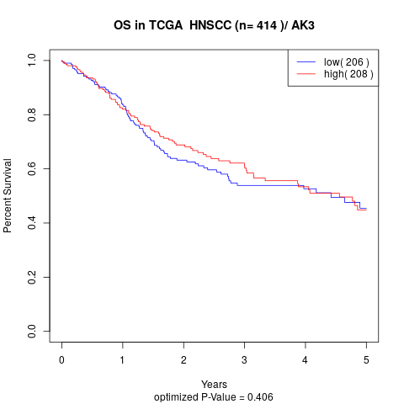

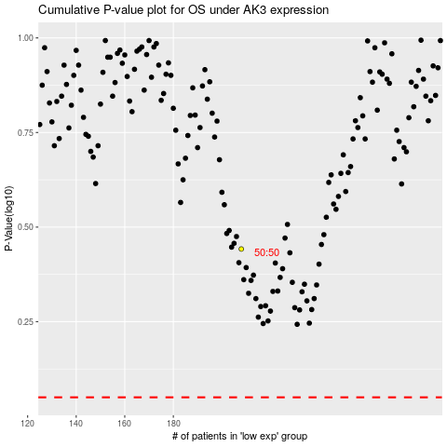

 |  |  |  |  |  | cases_OS | p_OS | rank | exp
 |  |  |  |  |  |  | cases_RFS | p_RFS | rank | exp

