AK3L1 _multivariate
Reported by Tex Li-Hsing Chi. tex@gate.sinica.edu.tw 2019-08-22

Table 2. The clinicopathological features of HNSCC cohort and AK3L1 expression. (Chi square test)
Cutoff at -0.091 (49.8%)
 |  | AK3L1 expression |  | AK3L1 expression |  | (Optimised)
 | Features | Low | (%) | High | (%) | Case no | P-value | Remark | Matthews
Gender | Female | 153 | 36.9 | 153 | 36.9 | 415 | 1 | 0 | 0
2 | Male | 54 | 13 | 55 | 13.3
Age at diagnosis | <=65y | 144 | 34.7 | 130 | 31.3 | 415 | 0.1568 | 0 | 0
4 | >65y | 63 | 15.2 | 78 | 18.8
Clinical T Status | T1+T2 | 83 | 20 | 66 | 15.9 | 415 | 0.0941 | 0 | 0
6 | T3+T4 | 124 | 29.9 | 142 | 34.2
Clinical N Status | N0 | 111 | 26.7 | 105 | 25.3 | 415 | 0.5875 | 0 | 0
8 | N1-3 | 96 | 23.1 | 103 | 24.8
Clinical M Status | M0 | 206 | 49.6 | 206 | 49.6 | 415 | 1 | 0 | 0
10 | M1 | 1 | 0.2 | 2 | 0.5
Clinical Stage | Stage I+II | 56 | 13.5 | 46 | 11.1 | 415 | 0.2918 | 0 | 0
12 | Stage III+IV | 151 | 36.4 | 162 | 39
Surgical Margin status | Negative | 158 | 38.1 | 160 | 38.6 | 415 | 0.9081 | 0 | 0
14 | Positive | 49 | 11.8 | 48 | 11.6
Tobacco Exposure | Low | 88 | 21.2 | 73 | 17.6 | 415 | 0.1314 | 0 | 0
16 | High | 119 | 28.7 | 135 | 32.5

Table 3. Univariate/Multivariate Cox's proportional hazards regression analyses on OS time of AK3L1 gene expression in HNSCC

 |  | Univariate |  |  |  | Multivariate
 | Features | HR | CI95%(L) | CI95%(H) | P-value | HR | CI95%(L) | CI95%(H) | P-value
1 | Female | 1 |  |  |  | 1
Gender | Male | 1.157 | 0.843 | 1.587 | 0.367 | 1.191 | 0.852 | 1.666 | 0.307
11 | <=65y | 1 |  |  |  | 1
Age at diagnosis | >65y | 1.329 | 0.99 | 1.784 | 0.058 | 1.345 | 0.986 | 1.835 | 0.062
12 | T1+T2 | 1 |  |  |  | 1
Clinical T Status | T3+T4 | 1.409 | 1.028 | 1.931 | 0.033 | 2.148 | 1.135 | 4.066 | 0.019
13 | N0 | 1 |  |  |  | 1
Clinical N Status | N1-3 | 1.185 | 0.89 | 1.577 | 0.246 | 1.248 | 0.875 | 1.781 | 0.221
14 | M0 | 1 |  |  |  | 1
Clinical M Status | M1 | 4.097 | 1.009 | 16.644 | 0.049 | 9.016 | 1.964 | 41.383 | 0.005
15 | Stage I+II | 1 |  |  |  | 1
Clinical Stage | Stage III+IV | 1.245 | 0.882 | 1.759 | 0.213 | 0.508 | 0.237 | 1.09 | 0.082
16 | Negative | 1 |  |  |  | 1
Surgical Margin status | Positive | 1.591 | 1.155 | 2.191 | 0.004 | 1.708 | 1.234 | 2.364 | 0.001
17 | Low | 1 |  |  |  | 1
Tobacco Exposure | High | 1.364 | 1.008 | 1.844 | 0.044 | 1.446 | 1.048 | 1.994 | 0.025
18 | Low | 1 |  |  |  | 1
RNAseq(z-score) | High | 1.275 | 0.957 | 1.699 | 0.097 | 1.235 | 0.921 | 1.657 | 0.159

Table 4. Univariate/Multivariate Cox's proportional hazards regression analyses on RFS time of AK3L1 gene expression in HNSCC

 |  | Univariate |  |  |  | Multivariate
 | Features | HR | CI95%(L) | CI95%(H) | P-value | HR | CI95%(L) | CI95%(H) | P-value
1 | Female | 1 |  |  |  | 1
Gender | Male | 1.157 | 0.843 | 1.587 | 0.367 | 1.191 | 0.852 | 1.666 | 0.307
11 | <=65y | 1 |  |  |  | 1
Age at diagnosis | >65y | 1.329 | 0.99 | 1.784 | 0.058 | 1.345 | 0.986 | 1.835 | 0.062
12 | T1+T2 | 1 |  |  |  | 1
Clinical T Status | T3+T4 | 1.409 | 1.028 | 1.931 | 0.033 | 2.148 | 1.135 | 4.066 | 0.019
13 | N0 | 1 |  |  |  | 1
Clinical N Status | N1-3 | 1.185 | 0.89 | 1.577 | 0.246 | 1.248 | 0.875 | 1.781 | 0.221
14 | M0 | 1 |  |  |  | 1
Clinical M Status | M1 | 4.097 | 1.009 | 16.644 | 0.049 | 9.016 | 1.964 | 41.383 | 0.005
15 | Stage I+II | 1 |  |  |  | 1
Clinical Stage | Stage III+IV | 1.245 | 0.882 | 1.759 | 0.213 | 0.508 | 0.237 | 1.09 | 0.082
16 | Negative | 1 |  |  |  | 1
Surgical Margin status | Positive | 1.591 | 1.155 | 2.191 | 0.004 | 1.708 | 1.234 | 2.364 | 0.001
17 | Low | 1 |  |  |  | 1
Tobacco Exposure | High | 1.364 | 1.008 | 1.844 | 0.044 | 1.446 | 1.048 | 1.994 | 0.025
18 | Low | 1 |  |  |  | 1
RNAseq(z-score) | High | 1.275 | 0.957 | 1.699 | 0.097 | 1.235 | 0.921 | 1.657 | 0.159

Kaplan-Meier survival estimate: Cutoff at -0.091 (49.8%)



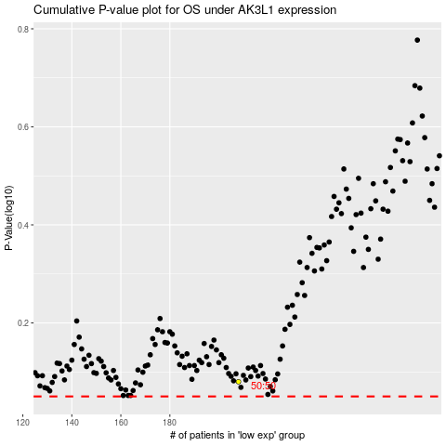

 |  |  |  |  |  | cases_OS | p_OS | rank | exp
 |  |  |  |  |  |  | cases_RFS | p_RFS | rank | exp

