AK5 _multivariate
Reported by Tex Li-Hsing Chi. tex@gate.sinica.edu.tw 2019-08-22

Table 2. The clinicopathological features of HNSCC cohort and AK5 expression. (Chi square test)
Cutoff at -0.327 (49.8%)
 |  | AK5 expression |  | AK5 expression |  | (Optimised)
 | Features | Low | (%) | High | (%) | Case no | P-value | Remark | Matthews
Gender | Female | 152 | 36.6 | 154 | 37.1 | 415 | 0.9766 | 0 | 0
2 | Male | 55 | 13.3 | 54 | 13
Age at diagnosis | <=65y | 139 | 33.5 | 135 | 32.5 | 415 | 0.7044 | 0 | 0
4 | >65y | 68 | 16.4 | 73 | 17.6
Clinical T Status | T1+T2 | 81 | 19.5 | 68 | 16.4 | 415 | 0.206 | 0 | 0
6 | T3+T4 | 126 | 30.4 | 140 | 33.7
Clinical N Status | N0 | 102 | 24.6 | 114 | 27.5 | 415 | 0.3031 | 0 | 0
8 | N1-3 | 105 | 25.3 | 94 | 22.7
Clinical M Status | M0 | 204 | 49.2 | 208 | 50.1 | 415 | 0.1232 | 0 | 0
10 | M1 | 3 | 0.7 | 0 | 0
Clinical Stage | Stage I+II | 48 | 11.6 | 54 | 13 | 415 | 0.5878 | 0 | 0
12 | Stage III+IV | 159 | 38.3 | 154 | 37.1
Surgical Margin status | Negative | 158 | 38.1 | 160 | 38.6 | 415 | 0.9081 | 0 | 0
14 | Positive | 49 | 11.8 | 48 | 11.6
Tobacco Exposure | Low | 77 | 18.6 | 84 | 20.2 | 415 | 0.5459 | 0 | 0
16 | High | 130 | 31.3 | 124 | 29.9

Table 3. Univariate/Multivariate Cox's proportional hazards regression analyses on OS time of AK5 gene expression in HNSCC

 |  | Univariate |  |  |  | Multivariate
 | Features | HR | CI95%(L) | CI95%(H) | P-value | HR | CI95%(L) | CI95%(H) | P-value
1 | Female | 1 |  |  |  | 1
Gender | Male | 1.157 | 0.843 | 1.587 | 0.367 | 1.2 | 0.858 | 1.678 | 0.287
11 | <=65y | 1 |  |  |  | 1
Age at diagnosis | >65y | 1.329 | 0.99 | 1.784 | 0.058 | 1.39 | 1.023 | 1.889 | 0.035
12 | T1+T2 | 1 |  |  |  | 1
Clinical T Status | T3+T4 | 1.409 | 1.028 | 1.931 | 0.033 | 2.334 | 1.228 | 4.435 | 0.01
13 | N0 | 1 |  |  |  | 1
Clinical N Status | N1-3 | 1.185 | 0.89 | 1.577 | 0.246 | 1.246 | 0.874 | 1.778 | 0.224
14 | M0 | 1 |  |  |  | 1
Clinical M Status | M1 | 4.097 | 1.009 | 16.644 | 0.049 | 8.921 | 1.943 | 40.971 | 0.005
15 | Stage I+II | 1 |  |  |  | 1
Clinical Stage | Stage III+IV | 1.245 | 0.882 | 1.759 | 0.213 | 0.475 | 0.22 | 1.024 | 0.057
16 | Negative | 1 |  |  |  | 1
Surgical Margin status | Positive | 1.591 | 1.155 | 2.191 | 0.004 | 1.672 | 1.21 | 2.311 | 0.002
17 | Low | 1 |  |  |  | 1
Tobacco Exposure | High | 1.364 | 1.008 | 1.844 | 0.044 | 1.443 | 1.047 | 1.99 | 0.025
18 | Low | 1 |  |  |  | 1
RNAseq(z-score) | High | 0.826 | 0.62 | 1.101 | 0.193 | 0.812 | 0.607 | 1.086 | 0.161

Table 4. Univariate/Multivariate Cox's proportional hazards regression analyses on RFS time of AK5 gene expression in HNSCC

 |  | Univariate |  |  |  | Multivariate
 | Features | HR | CI95%(L) | CI95%(H) | P-value | HR | CI95%(L) | CI95%(H) | P-value
1 | Female | 1 |  |  |  | 1
Gender | Male | 1.157 | 0.843 | 1.587 | 0.367 | 1.2 | 0.858 | 1.678 | 0.287
11 | <=65y | 1 |  |  |  | 1
Age at diagnosis | >65y | 1.329 | 0.99 | 1.784 | 0.058 | 1.39 | 1.023 | 1.889 | 0.035
12 | T1+T2 | 1 |  |  |  | 1
Clinical T Status | T3+T4 | 1.409 | 1.028 | 1.931 | 0.033 | 2.334 | 1.228 | 4.435 | 0.01
13 | N0 | 1 |  |  |  | 1
Clinical N Status | N1-3 | 1.185 | 0.89 | 1.577 | 0.246 | 1.246 | 0.874 | 1.778 | 0.224
14 | M0 | 1 |  |  |  | 1
Clinical M Status | M1 | 4.097 | 1.009 | 16.644 | 0.049 | 8.921 | 1.943 | 40.971 | 0.005
15 | Stage I+II | 1 |  |  |  | 1
Clinical Stage | Stage III+IV | 1.245 | 0.882 | 1.759 | 0.213 | 0.475 | 0.22 | 1.024 | 0.057
16 | Negative | 1 |  |  |  | 1
Surgical Margin status | Positive | 1.591 | 1.155 | 2.191 | 0.004 | 1.672 | 1.21 | 2.311 | 0.002
17 | Low | 1 |  |  |  | 1
Tobacco Exposure | High | 1.364 | 1.008 | 1.844 | 0.044 | 1.443 | 1.047 | 1.99 | 0.025
18 | Low | 1 |  |  |  | 1
RNAseq(z-score) | High | 0.826 | 0.62 | 1.101 | 0.193 | 0.812 | 0.607 | 1.086 | 0.161

Kaplan-Meier survival estimate: Cutoff at -0.327 (49.8%)



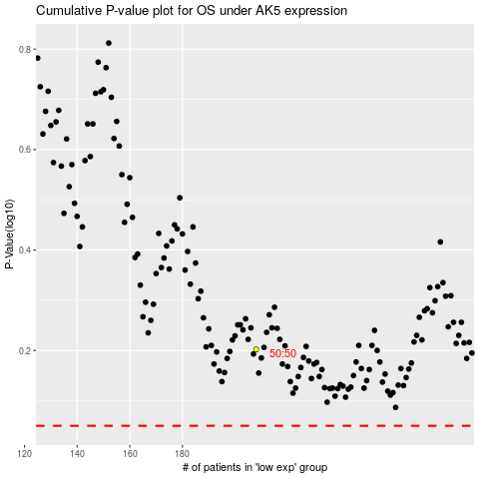

 |  |  |  |  |  | cases_OS | p_OS | rank | exp
 |  |  |  |  |  |  | cases_RFS | p_RFS | rank | exp

