AKAP13 _multivariate
Reported by Tex Li-Hsing Chi. tex@gate.sinica.edu.tw 2019-08-22

Table 2. The clinicopathological features of HNSCC cohort and AKAP13 expression. (Chi square test)
Cutoff at -0.192 (50.0%)
 |  | AKAP13 expression |  | AKAP13 expression |  | (Optimised)
 | Features | Low | (%) | High | (%) | Case no | P-value | Remark | Matthews
Gender | Female | 159 | 38.3 | 147 | 35.4 | 415 | 0.1905 | 0 | 0
2 | Male | 48 | 11.6 | 61 | 14.7
Age at diagnosis | <=65y | 141 | 34 | 133 | 32 | 415 | 0.4272 | 0 | 0
4 | >65y | 66 | 15.9 | 75 | 18.1
Clinical T Status | T1+T2 | 80 | 19.3 | 69 | 16.6 | 415 | 0.2891 | 0 | 0
6 | T3+T4 | 127 | 30.6 | 139 | 33.5
Clinical N Status | N0 | 101 | 24.3 | 115 | 27.7 | 415 | 0.2201 | 0 | 0
8 | N1-3 | 106 | 25.5 | 93 | 22.4
Clinical M Status | M0 | 204 | 49.2 | 208 | 50.1 | 415 | 0.1232 | 0 | 0
10 | M1 | 3 | 0.7 | 0 | 0
Clinical Stage | Stage I+II | 52 | 12.5 | 50 | 12 | 415 | 0.8871 | 0 | 0
12 | Stage III+IV | 155 | 37.3 | 158 | 38.1
Surgical Margin status | Negative | 156 | 37.6 | 162 | 39 | 415 | 0.5636 | 0 | 0
14 | Positive | 51 | 12.3 | 46 | 11.1
Tobacco Exposure | Low | 83 | 20 | 78 | 18.8 | 415 | 0.6152 | 0 | 0
16 | High | 124 | 29.9 | 130 | 31.3

Table 3. Univariate/Multivariate Cox's proportional hazards regression analyses on OS time of AKAP13 gene expression in HNSCC

 |  | Univariate |  |  |  | Multivariate
 | Features | HR | CI95%(L) | CI95%(H) | P-value | HR | CI95%(L) | CI95%(H) | P-value
1 | Female | 1 |  |  |  | 1
Gender | Male | 1.157 | 0.843 | 1.587 | 0.367 | 1.191 | 0.853 | 1.663 | 0.304
11 | <=65y | 1 |  |  |  | 1
Age at diagnosis | >65y | 1.329 | 0.99 | 1.784 | 0.058 | 1.394 | 1.025 | 1.896 | 0.034
12 | T1+T2 | 1 |  |  |  | 1
Clinical T Status | T3+T4 | 1.409 | 1.028 | 1.931 | 0.033 | 2.186 | 1.156 | 4.133 | 0.016
13 | N0 | 1 |  |  |  | 1
Clinical N Status | N1-3 | 1.185 | 0.89 | 1.577 | 0.246 | 1.268 | 0.887 | 1.813 | 0.193
14 | M0 | 1 |  |  |  | 1
Clinical M Status | M1 | 4.097 | 1.009 | 16.644 | 0.049 | 10.164 | 2.203 | 46.894 | 0.003
15 | Stage I+II | 1 |  |  |  | 1
Clinical Stage | Stage III+IV | 1.245 | 0.882 | 1.759 | 0.213 | 0.499 | 0.232 | 1.071 | 0.074
16 | Negative | 1 |  |  |  | 1
Surgical Margin status | Positive | 1.591 | 1.155 | 2.191 | 0.004 | 1.683 | 1.217 | 2.326 | 0.002
17 | Low | 1 |  |  |  | 1
Tobacco Exposure | High | 1.364 | 1.008 | 1.844 | 0.044 | 1.453 | 1.055 | 2.003 | 0.022
18 | Low | 1 |  |  |  | 1
RNAseq(z-score) | High | 1.156 | 0.867 | 1.543 | 0.323 | 1.19 | 0.887 | 1.595 | 0.246

Table 4. Univariate/Multivariate Cox's proportional hazards regression analyses on RFS time of AKAP13 gene expression in HNSCC

 |  | Univariate |  |  |  | Multivariate
 | Features | HR | CI95%(L) | CI95%(H) | P-value | HR | CI95%(L) | CI95%(H) | P-value
1 | Female | 1 |  |  |  | 1
Gender | Male | 1.157 | 0.843 | 1.587 | 0.367 | 1.191 | 0.853 | 1.663 | 0.304
11 | <=65y | 1 |  |  |  | 1
Age at diagnosis | >65y | 1.329 | 0.99 | 1.784 | 0.058 | 1.394 | 1.025 | 1.896 | 0.034
12 | T1+T2 | 1 |  |  |  | 1
Clinical T Status | T3+T4 | 1.409 | 1.028 | 1.931 | 0.033 | 2.186 | 1.156 | 4.133 | 0.016
13 | N0 | 1 |  |  |  | 1
Clinical N Status | N1-3 | 1.185 | 0.89 | 1.577 | 0.246 | 1.268 | 0.887 | 1.813 | 0.193
14 | M0 | 1 |  |  |  | 1
Clinical M Status | M1 | 4.097 | 1.009 | 16.644 | 0.049 | 10.164 | 2.203 | 46.894 | 0.003
15 | Stage I+II | 1 |  |  |  | 1
Clinical Stage | Stage III+IV | 1.245 | 0.882 | 1.759 | 0.213 | 0.499 | 0.232 | 1.071 | 0.074
16 | Negative | 1 |  |  |  | 1
Surgical Margin status | Positive | 1.591 | 1.155 | 2.191 | 0.004 | 1.683 | 1.217 | 2.326 | 0.002
17 | Low | 1 |  |  |  | 1
Tobacco Exposure | High | 1.364 | 1.008 | 1.844 | 0.044 | 1.453 | 1.055 | 2.003 | 0.022
18 | Low | 1 |  |  |  | 1
RNAseq(z-score) | High | 1.156 | 0.867 | 1.543 | 0.323 | 1.19 | 0.887 | 1.595 | 0.246

Kaplan-Meier survival estimate: Cutoff at -0.192 (50.0%)



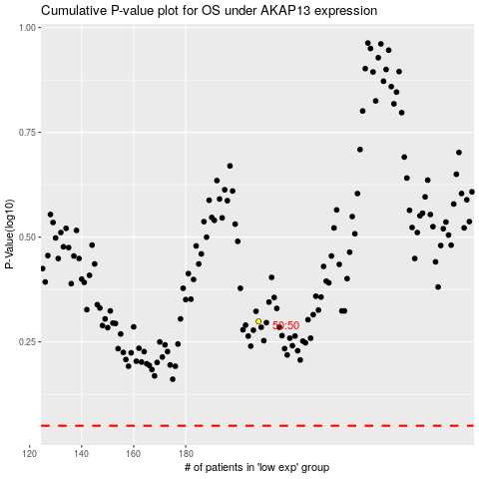

 |  |  |  |  |  | cases_OS | p_OS | rank | exp
 |  |  |  |  |  |  | cases_RFS | p_RFS | rank | exp

