AKAP2 _multivariate
Reported by Tex Li-Hsing Chi. tex@gate.sinica.edu.tw 2019-08-22

Table 2. The clinicopathological features of HNSCC cohort and AKAP2 expression. (Chi square test)
Cutoff at -0.324 (49.8%)
 |  | AKAP2 expression |  | AKAP2 expression |  | (Optimised)
 | Features | Low | (%) | High | (%) | Case no | P-value | Remark | Matthews
Gender | Female | 161 | 38.8 | 145 | 34.9 | 415 | 0.0792 | 0 | 0
2 | Male | 46 | 11.1 | 63 | 15.2
Age at diagnosis | <=65y | 139 | 33.5 | 135 | 32.5 | 415 | 0.7044 | 0 | 0
4 | >65y | 68 | 16.4 | 73 | 17.6
Clinical T Status | T1+T2 | 68 | 16.4 | 81 | 19.5 | 415 | 0.2336 | 0 | 0
6 | T3+T4 | 139 | 33.5 | 127 | 30.6
Clinical N Status | N0 | 104 | 25.1 | 112 | 27 | 415 | 0.5243 | 0 | 0
8 | N1-3 | 103 | 24.8 | 96 | 23.1
Clinical M Status | M0 | 204 | 49.2 | 208 | 50.1 | 415 | 0.1232 | 0 | 0
10 | M1 | 3 | 0.7 | 0 | 0
Clinical Stage | Stage I+II | 42 | 10.1 | 60 | 14.5 | 415 | 0.0561 | 0 | 0
12 | Stage III+IV | 165 | 39.8 | 148 | 35.7
Surgical Margin status | Negative | 152 | 36.6 | 166 | 40 | 415 | 0.1329 | 0 | 0
14 | Positive | 55 | 13.3 | 42 | 10.1
Tobacco Exposure | Low | 81 | 19.5 | 80 | 19.3 | 415 | 0.9199 | 0 | 0
16 | High | 126 | 30.4 | 128 | 30.8

Table 3. Univariate/Multivariate Cox's proportional hazards regression analyses on OS time of AKAP2 gene expression in HNSCC

 |  | Univariate |  |  |  | Multivariate
 | Features | HR | CI95%(L) | CI95%(H) | P-value | HR | CI95%(L) | CI95%(H) | P-value
1 | Female | 1 |  |  |  | 1
Gender | Male | 1.157 | 0.843 | 1.587 | 0.367 | 1.189 | 0.851 | 1.662 | 0.31
11 | <=65y | 1 |  |  |  | 1
Age at diagnosis | >65y | 1.329 | 0.99 | 1.784 | 0.058 | 1.376 | 1.012 | 1.872 | 0.042
12 | T1+T2 | 1 |  |  |  | 1
Clinical T Status | T3+T4 | 1.409 | 1.028 | 1.931 | 0.033 | 2.236 | 1.182 | 4.231 | 0.013
13 | N0 | 1 |  |  |  | 1
Clinical N Status | N1-3 | 1.185 | 0.89 | 1.577 | 0.246 | 1.235 | 0.866 | 1.764 | 0.244
14 | M0 | 1 |  |  |  | 1
Clinical M Status | M1 | 4.097 | 1.009 | 16.644 | 0.049 | 10.464 | 2.26 | 48.445 | 0.003
15 | Stage I+II | 1 |  |  |  | 1
Clinical Stage | Stage III+IV | 1.245 | 0.882 | 1.759 | 0.213 | 0.51 | 0.238 | 1.097 | 0.085
16 | Negative | 1 |  |  |  | 1
Surgical Margin status | Positive | 1.591 | 1.155 | 2.191 | 0.004 | 1.704 | 1.231 | 2.358 | 0.001
17 | Low | 1 |  |  |  | 1
Tobacco Exposure | High | 1.364 | 1.008 | 1.844 | 0.044 | 1.456 | 1.056 | 2.006 | 0.022
18 | Low | 1 |  |  |  | 1
RNAseq(z-score) | High | 1.126 | 0.844 | 1.501 | 0.42 | 1.209 | 0.901 | 1.622 | 0.207

Table 4. Univariate/Multivariate Cox's proportional hazards regression analyses on RFS time of AKAP2 gene expression in HNSCC

 |  | Univariate |  |  |  | Multivariate
 | Features | HR | CI95%(L) | CI95%(H) | P-value | HR | CI95%(L) | CI95%(H) | P-value
1 | Female | 1 |  |  |  | 1
Gender | Male | 1.157 | 0.843 | 1.587 | 0.367 | 1.189 | 0.851 | 1.662 | 0.31
11 | <=65y | 1 |  |  |  | 1
Age at diagnosis | >65y | 1.329 | 0.99 | 1.784 | 0.058 | 1.376 | 1.012 | 1.872 | 0.042
12 | T1+T2 | 1 |  |  |  | 1
Clinical T Status | T3+T4 | 1.409 | 1.028 | 1.931 | 0.033 | 2.236 | 1.182 | 4.231 | 0.013
13 | N0 | 1 |  |  |  | 1
Clinical N Status | N1-3 | 1.185 | 0.89 | 1.577 | 0.246 | 1.235 | 0.866 | 1.764 | 0.244
14 | M0 | 1 |  |  |  | 1
Clinical M Status | M1 | 4.097 | 1.009 | 16.644 | 0.049 | 10.464 | 2.26 | 48.445 | 0.003
15 | Stage I+II | 1 |  |  |  | 1
Clinical Stage | Stage III+IV | 1.245 | 0.882 | 1.759 | 0.213 | 0.51 | 0.238 | 1.097 | 0.085
16 | Negative | 1 |  |  |  | 1
Surgical Margin status | Positive | 1.591 | 1.155 | 2.191 | 0.004 | 1.704 | 1.231 | 2.358 | 0.001
17 | Low | 1 |  |  |  | 1
Tobacco Exposure | High | 1.364 | 1.008 | 1.844 | 0.044 | 1.456 | 1.056 | 2.006 | 0.022
18 | Low | 1 |  |  |  | 1
RNAseq(z-score) | High | 1.126 | 0.844 | 1.501 | 0.42 | 1.209 | 0.901 | 1.622 | 0.207

Kaplan-Meier survival estimate: Cutoff at -0.324 (49.8%)



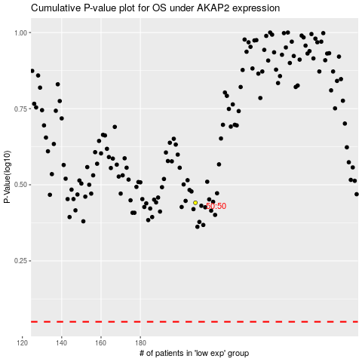

 |  |  |  |  |  | cases_OS | p_OS | rank | exp
 |  |  |  |  |  |  | cases_RFS | p_RFS | rank | exp

