AKAP5 _multivariate
Reported by Tex Li-Hsing Chi. tex@gate.sinica.edu.tw 2019-08-22

Table 2. The clinicopathological features of HNSCC cohort and AKAP5 expression. (Chi square test)
Cutoff at -0.407 (42.0%)
 |  | AKAP5 expression |  | AKAP5 expression |  | (Optimised)
 | Features | Low | (%) | High | (%) | Case no | P-value | Remark | Matthews
Gender | Female | 133 | 32 | 173 | 41.7 | 415 | 0.434 | 0 | 0
2 | Male | 42 | 10.1 | 67 | 16.1
Age at diagnosis | <=65y | 122 | 29.4 | 152 | 36.6 | 415 | 0.2112 | 0 | 0
4 | >65y | 53 | 12.8 | 88 | 21.2
Clinical T Status | T1+T2 | 56 | 13.5 | 93 | 22.4 | 415 | 0.1895 | 0 | 0
6 | T3+T4 | 119 | 28.7 | 147 | 35.4
Clinical N Status | N0 | 87 | 21 | 129 | 31.1 | 415 | 0.4757 | 0 | 0
8 | N1-3 | 88 | 21.2 | 111 | 26.7
Clinical M Status | M0 | 173 | 41.7 | 239 | 57.6 | 415 | 0.5756 | 0 | 0
10 | M1 | 2 | 0.5 | 1 | 0.2
Clinical Stage | Stage I+II | 39 | 9.4 | 63 | 15.2 | 415 | 0.4175 | 0 | 0
12 | Stage III+IV | 136 | 32.8 | 177 | 42.7
Surgical Margin status | Negative | 133 | 32 | 185 | 44.6 | 415 | 0.815 | 0 | 0
14 | Positive | 42 | 10.1 | 55 | 13.3
Tobacco Exposure | Low | 65 | 15.7 | 96 | 23.1 | 415 | 0.6102 | 0 | 0
16 | High | 110 | 26.5 | 144 | 34.7

Table 3. Univariate/Multivariate Cox's proportional hazards regression analyses on OS time of AKAP5 gene expression in HNSCC

 |  | Univariate |  |  |  | Multivariate
 | Features | HR | CI95%(L) | CI95%(H) | P-value | HR | CI95%(L) | CI95%(H) | P-value
1 | Female | 1 |  |  |  | 1
Gender | Male | 1.157 | 0.843 | 1.587 | 0.367 | 1.209 | 0.865 | 1.689 | 0.266
11 | <=65y | 1 |  |  |  | 1
Age at diagnosis | >65y | 1.329 | 0.99 | 1.784 | 0.058 | 1.427 | 1.05 | 1.939 | 0.023
12 | T1+T2 | 1 |  |  |  | 1
Clinical T Status | T3+T4 | 1.409 | 1.028 | 1.931 | 0.033 | 2.151 | 1.138 | 4.064 | 0.018
13 | N0 | 1 |  |  |  | 1
Clinical N Status | N1-3 | 1.185 | 0.89 | 1.577 | 0.246 | 1.221 | 0.856 | 1.741 | 0.272
14 | M0 | 1 |  |  |  | 1
Clinical M Status | M1 | 4.097 | 1.009 | 16.644 | 0.049 | 8.78 | 1.913 | 40.302 | 0.005
15 | Stage I+II | 1 |  |  |  | 1
Clinical Stage | Stage III+IV | 1.245 | 0.882 | 1.759 | 0.213 | 0.515 | 0.24 | 1.103 | 0.088
16 | Negative | 1 |  |  |  | 1
Surgical Margin status | Positive | 1.591 | 1.155 | 2.191 | 0.004 | 1.67 | 1.209 | 2.306 | 0.002
17 | Low | 1 |  |  |  | 1
Tobacco Exposure | High | 1.364 | 1.008 | 1.844 | 0.044 | 1.452 | 1.053 | 2.002 | 0.023
18 | Low | 1 |  |  |  | 1
RNAseq(z-score) | High | 0.745 | 0.557 | 0.996 | 0.047 | 0.741 | 0.553 | 0.994 | 0.045

Table 4. Univariate/Multivariate Cox's proportional hazards regression analyses on RFS time of AKAP5 gene expression in HNSCC

 |  | Univariate |  |  |  | Multivariate
 | Features | HR | CI95%(L) | CI95%(H) | P-value | HR | CI95%(L) | CI95%(H) | P-value
1 | Female | 1 |  |  |  | 1
Gender | Male | 1.157 | 0.843 | 1.587 | 0.367 | 1.209 | 0.865 | 1.689 | 0.266
11 | <=65y | 1 |  |  |  | 1
Age at diagnosis | >65y | 1.329 | 0.99 | 1.784 | 0.058 | 1.427 | 1.05 | 1.939 | 0.023
12 | T1+T2 | 1 |  |  |  | 1
Clinical T Status | T3+T4 | 1.409 | 1.028 | 1.931 | 0.033 | 2.151 | 1.138 | 4.064 | 0.018
13 | N0 | 1 |  |  |  | 1
Clinical N Status | N1-3 | 1.185 | 0.89 | 1.577 | 0.246 | 1.221 | 0.856 | 1.741 | 0.272
14 | M0 | 1 |  |  |  | 1
Clinical M Status | M1 | 4.097 | 1.009 | 16.644 | 0.049 | 8.78 | 1.913 | 40.302 | 0.005
15 | Stage I+II | 1 |  |  |  | 1
Clinical Stage | Stage III+IV | 1.245 | 0.882 | 1.759 | 0.213 | 0.515 | 0.24 | 1.103 | 0.088
16 | Negative | 1 |  |  |  | 1
Surgical Margin status | Positive | 1.591 | 1.155 | 2.191 | 0.004 | 1.67 | 1.209 | 2.306 | 0.002
17 | Low | 1 |  |  |  | 1
Tobacco Exposure | High | 1.364 | 1.008 | 1.844 | 0.044 | 1.452 | 1.053 | 2.002 | 0.023
18 | Low | 1 |  |  |  | 1
RNAseq(z-score) | High | 0.745 | 0.557 | 0.996 | 0.047 | 0.741 | 0.553 | 0.994 | 0.045

Kaplan-Meier survival estimate: Cutoff at -0.407 (42.0%)



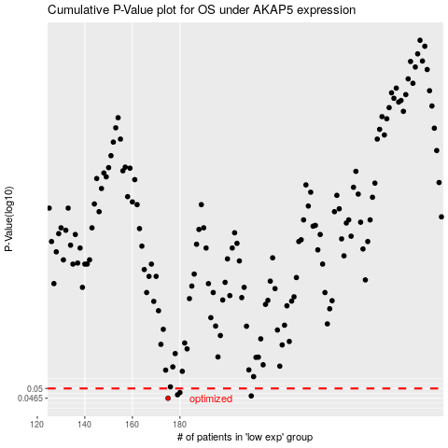

 |  |  |  |  |  | cases_OS | p_OS | rank | exp
 |  |  |  |  |  | 175 | 0.0465 | 197 | -0.40672012519
 |  |  |  |  |  | 210 | 0.0473 | 187 | -0.29897931426
 |  |  |  |  |  | 179 | 0.0477 | 345 | -0.39779850309
 |  |  |  |  |  | 180 | 0.0485 | 235 | -0.39666025481
 |  |  |  |  |  |  | cases_RFS | p_RFS | rank | exp
 |  |  |  |  |  |  | 174 | 0.0465 | 375 | -0.40909681966
 |  |  |  |  |  |  | 209 | 0.0473 | 90 | -0.30314554345
 |  |  |  |  |  |  | 178 | 0.0477 | 64 | -0.40067217921
 |  |  |  |  |  |  | 179 | 0.0485 | 345 | -0.39779850309

