AKAP7 _multivariate
Reported by Tex Li-Hsing Chi. tex@gate.sinica.edu.tw 2019-08-22

Table 2. The clinicopathological features of HNSCC cohort and AKAP7 expression. (Chi square test)
Cutoff at -0.273 (49.8%)
 |  | AKAP7 expression |  | AKAP7 expression |  | (Optimised)
 | Features | Low | (%) | High | (%) | Case no | P-value | Remark | Matthews
Gender | Female | 159 | 38.3 | 147 | 35.4 | 415 | 0.1905 | 0 | 0
2 | Male | 48 | 11.6 | 61 | 14.7
Age at diagnosis | <=65y | 142 | 34.2 | 132 | 31.8 | 415 | 0.3167 | 0 | 0
4 | >65y | 65 | 15.7 | 76 | 18.3
Clinical T Status | T1+T2 | 71 | 17.1 | 78 | 18.8 | 415 | 0.5638 | 0 | 0
6 | T3+T4 | 136 | 32.8 | 130 | 31.3
Clinical N Status | N0 | 102 | 24.6 | 114 | 27.5 | 415 | 0.3031 | 0 | 0
8 | N1-3 | 105 | 25.3 | 94 | 22.7
Clinical M Status | M0 | 204 | 49.2 | 208 | 50.1 | 415 | 0.1232 | 0 | 0
10 | M1 | 3 | 0.7 | 0 | 0
Clinical Stage | Stage I+II | 49 | 11.8 | 53 | 12.8 | 415 | 0.7535 | 0 | 0
12 | Stage III+IV | 158 | 38.1 | 155 | 37.3
Surgical Margin status | Negative | 161 | 38.8 | 157 | 37.8 | 415 | 0.6429 | 0 | 0
14 | Positive | 46 | 11.1 | 51 | 12.3
Tobacco Exposure | Low | 84 | 20.2 | 77 | 18.6 | 415 | 0.4816 | 0 | 0
16 | High | 123 | 29.6 | 131 | 31.6

Table 3. Univariate/Multivariate Cox's proportional hazards regression analyses on OS time of AKAP7 gene expression in HNSCC

 |  | Univariate |  |  |  | Multivariate
 | Features | HR | CI95%(L) | CI95%(H) | P-value | HR | CI95%(L) | CI95%(H) | P-value
1 | Female | 1 |  |  |  | 1
Gender | Male | 1.157 | 0.843 | 1.587 | 0.367 | 1.213 | 0.867 | 1.698 | 0.259
11 | <=65y | 1 |  |  |  | 1
Age at diagnosis | >65y | 1.329 | 0.99 | 1.784 | 0.058 | 1.396 | 1.027 | 1.899 | 0.033
12 | T1+T2 | 1 |  |  |  | 1
Clinical T Status | T3+T4 | 1.409 | 1.028 | 1.931 | 0.033 | 2.166 | 1.145 | 4.098 | 0.018
13 | N0 | 1 |  |  |  | 1
Clinical N Status | N1-3 | 1.185 | 0.89 | 1.577 | 0.246 | 1.232 | 0.864 | 1.757 | 0.25
14 | M0 | 1 |  |  |  | 1
Clinical M Status | M1 | 4.097 | 1.009 | 16.644 | 0.049 | 8.65 | 1.874 | 39.925 | 0.006
15 | Stage I+II | 1 |  |  |  | 1
Clinical Stage | Stage III+IV | 1.245 | 0.882 | 1.759 | 0.213 | 0.508 | 0.237 | 1.091 | 0.082
16 | Negative | 1 |  |  |  | 1
Surgical Margin status | Positive | 1.591 | 1.155 | 2.191 | 0.004 | 1.699 | 1.228 | 2.351 | 0.001
17 | Low | 1 |  |  |  | 1
Tobacco Exposure | High | 1.364 | 1.008 | 1.844 | 0.044 | 1.468 | 1.063 | 2.026 | 0.02
18 | Low | 1 |  |  |  | 1
RNAseq(z-score) | High | 0.857 | 0.643 | 1.142 | 0.291 | 0.85 | 0.635 | 1.138 | 0.274

Table 4. Univariate/Multivariate Cox's proportional hazards regression analyses on RFS time of AKAP7 gene expression in HNSCC

 |  | Univariate |  |  |  | Multivariate
 | Features | HR | CI95%(L) | CI95%(H) | P-value | HR | CI95%(L) | CI95%(H) | P-value
1 | Female | 1 |  |  |  | 1
Gender | Male | 1.157 | 0.843 | 1.587 | 0.367 | 1.213 | 0.867 | 1.698 | 0.259
11 | <=65y | 1 |  |  |  | 1
Age at diagnosis | >65y | 1.329 | 0.99 | 1.784 | 0.058 | 1.396 | 1.027 | 1.899 | 0.033
12 | T1+T2 | 1 |  |  |  | 1
Clinical T Status | T3+T4 | 1.409 | 1.028 | 1.931 | 0.033 | 2.166 | 1.145 | 4.098 | 0.018
13 | N0 | 1 |  |  |  | 1
Clinical N Status | N1-3 | 1.185 | 0.89 | 1.577 | 0.246 | 1.232 | 0.864 | 1.757 | 0.25
14 | M0 | 1 |  |  |  | 1
Clinical M Status | M1 | 4.097 | 1.009 | 16.644 | 0.049 | 8.65 | 1.874 | 39.925 | 0.006
15 | Stage I+II | 1 |  |  |  | 1
Clinical Stage | Stage III+IV | 1.245 | 0.882 | 1.759 | 0.213 | 0.508 | 0.237 | 1.091 | 0.082
16 | Negative | 1 |  |  |  | 1
Surgical Margin status | Positive | 1.591 | 1.155 | 2.191 | 0.004 | 1.699 | 1.228 | 2.351 | 0.001
17 | Low | 1 |  |  |  | 1
Tobacco Exposure | High | 1.364 | 1.008 | 1.844 | 0.044 | 1.468 | 1.063 | 2.026 | 0.02
18 | Low | 1 |  |  |  | 1
RNAseq(z-score) | High | 0.857 | 0.643 | 1.142 | 0.291 | 0.85 | 0.635 | 1.138 | 0.274

Kaplan-Meier survival estimate: Cutoff at -0.273 (49.8%)



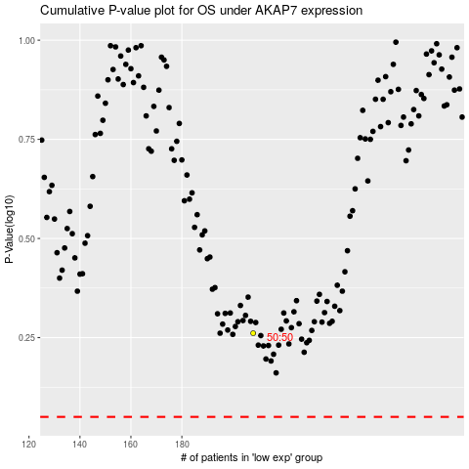

 |  |  |  |  |  | cases_OS | p_OS | rank | exp
 |  |  |  |  |  |  | cases_RFS | p_RFS | rank | exp

