AKAP8 _multivariate
Reported by Tex Li-Hsing Chi. tex@gate.sinica.edu.tw 2019-08-22

Table 2. The clinicopathological features of HNSCC cohort and AKAP8 expression. (Chi square test)
Cutoff at -0.586 (30.7%)
 |  | AKAP8 expression |  | AKAP8 expression |  | (Optimised)
 | Features | Low | (%) | High | (%) | Case no | P-value | Remark | Matthews
Gender | Female | 91 | 21.9 | 215 | 51.8 | 415 | 0.6039 | 0 | 0
2 | Male | 36 | 8.7 | 73 | 17.6
Age at diagnosis | <=65y | 80 | 19.3 | 194 | 46.7 | 415 | 0.4511 | 0 | 0
4 | >65y | 47 | 11.3 | 94 | 22.7
Clinical T Status | T1+T2 | 50 | 12 | 99 | 23.9 | 415 | 0.3862 | 0 | 0
6 | T3+T4 | 77 | 18.6 | 189 | 45.5
Clinical N Status | N0 | 70 | 16.9 | 146 | 35.2 | 415 | 0.4686 | 0 | 0
8 | N1-3 | 57 | 13.7 | 142 | 34.2
Clinical M Status | M0 | 127 | 30.6 | 285 | 68.7 | 415 | 0.5562 | 0 | 0
10 | M1 | 0 | 0 | 3 | 0.7
Clinical Stage | Stage I+II | 39 | 9.4 | 63 | 15.2 | 415 | 0.0715 | 0 | 0
12 | Stage III+IV | 88 | 21.2 | 225 | 54.2
Surgical Margin status | Negative | 101 | 24.3 | 217 | 52.3 | 415 | 0.3806 | 0 | 0
14 | Positive | 26 | 6.3 | 71 | 17.1
Tobacco Exposure | Low | 62 | 14.9 | 99 | 23.9 | 415 | 0.0063 | 1 | 0
16 | High | 65 | 15.7 | 189 | 45.5

Table 3. Univariate/Multivariate Cox's proportional hazards regression analyses on OS time of AKAP8 gene expression in HNSCC

 |  | Univariate |  |  |  | Multivariate
 | Features | HR | CI95%(L) | CI95%(H) | P-value | HR | CI95%(L) | CI95%(H) | P-value
1 | Female | 1 |  |  |  | 1
Gender | Male | 1.157 | 0.843 | 1.587 | 0.367 | 1.172 | 0.84 | 1.635 | 0.349
11 | <=65y | 1 |  |  |  | 1
Age at diagnosis | >65y | 1.329 | 0.99 | 1.784 | 0.058 | 1.371 | 1.01 | 1.862 | 0.043
12 | T1+T2 | 1 |  |  |  | 1
Clinical T Status | T3+T4 | 1.409 | 1.028 | 1.931 | 0.033 | 2.226 | 1.175 | 4.215 | 0.014
13 | N0 | 1 |  |  |  | 1
Clinical N Status | N1-3 | 1.185 | 0.89 | 1.577 | 0.246 | 1.207 | 0.846 | 1.722 | 0.3
14 | M0 | 1 |  |  |  | 1
Clinical M Status | M1 | 4.097 | 1.009 | 16.644 | 0.049 | 11.101 | 2.406 | 51.208 | 0.002
15 | Stage I+II | 1 |  |  |  | 1
Clinical Stage | Stage III+IV | 1.245 | 0.882 | 1.759 | 0.213 | 0.534 | 0.248 | 1.147 | 0.108
16 | Negative | 1 |  |  |  | 1
Surgical Margin status | Positive | 1.591 | 1.155 | 2.191 | 0.004 | 1.784 | 1.285 | 2.478 | 0.001
17 | Low | 1 |  |  |  | 1
Tobacco Exposure | High | 1.364 | 1.008 | 1.844 | 0.044 | 1.525 | 1.107 | 2.1 | 0.01
18 | Low | 1 |  |  |  | 1
RNAseq(z-score) | High | 0.718 | 0.529 | 0.975 | 0.034 | 0.63 | 0.459 | 0.864 | 0.004

Table 4. Univariate/Multivariate Cox's proportional hazards regression analyses on RFS time of AKAP8 gene expression in HNSCC

 |  | Univariate |  |  |  | Multivariate
 | Features | HR | CI95%(L) | CI95%(H) | P-value | HR | CI95%(L) | CI95%(H) | P-value
1 | Female | 1 |  |  |  | 1
Gender | Male | 1.157 | 0.843 | 1.587 | 0.367 | 1.172 | 0.84 | 1.635 | 0.349
11 | <=65y | 1 |  |  |  | 1
Age at diagnosis | >65y | 1.329 | 0.99 | 1.784 | 0.058 | 1.371 | 1.01 | 1.862 | 0.043
12 | T1+T2 | 1 |  |  |  | 1
Clinical T Status | T3+T4 | 1.409 | 1.028 | 1.931 | 0.033 | 2.226 | 1.175 | 4.215 | 0.014
13 | N0 | 1 |  |  |  | 1
Clinical N Status | N1-3 | 1.185 | 0.89 | 1.577 | 0.246 | 1.207 | 0.846 | 1.722 | 0.3
14 | M0 | 1 |  |  |  | 1
Clinical M Status | M1 | 4.097 | 1.009 | 16.644 | 0.049 | 11.101 | 2.406 | 51.208 | 0.002
15 | Stage I+II | 1 |  |  |  | 1
Clinical Stage | Stage III+IV | 1.245 | 0.882 | 1.759 | 0.213 | 0.534 | 0.248 | 1.147 | 0.108
16 | Negative | 1 |  |  |  | 1
Surgical Margin status | Positive | 1.591 | 1.155 | 2.191 | 0.004 | 1.784 | 1.285 | 2.478 | 0.001
17 | Low | 1 |  |  |  | 1
Tobacco Exposure | High | 1.364 | 1.008 | 1.844 | 0.044 | 1.525 | 1.107 | 2.1 | 0.01
18 | Low | 1 |  |  |  | 1
RNAseq(z-score) | High | 0.718 | 0.529 | 0.975 | 0.034 | 0.63 | 0.459 | 0.864 | 0.004

Kaplan-Meier survival estimate: Cutoff at -0.586 (30.7%)

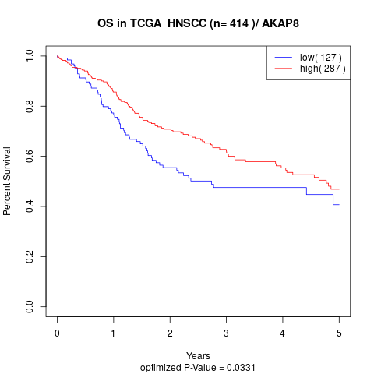

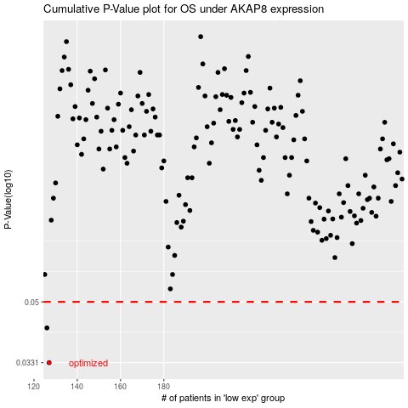

 |  |  |  |  |  | cases_OS | p_OS | rank | exp
 |  |  |  |  |  | 127 | 0.0331 | 245 | -0.58576576737
 |  |  |  |  |  | 126 | 0.0419 | 410 | -0.58615730934
 |  |  |  |  |  |  | cases_RFS | p_RFS | rank | exp
 |  |  |  |  |  |  | 126 | 0.0331 | 410 | -0.58615730934
 |  |  |  |  |  |  | 125 | 0.0419 | 201 | -0.59469312341

