AKAP8L _multivariate
Reported by Tex Li-Hsing Chi. tex@gate.sinica.edu.tw 2019-08-22

Table 2. The clinicopathological features of HNSCC cohort and AKAP8L expression. (Chi square test)
Cutoff at -0.222 (50.0%)
 |  | AKAP8L expression |  | AKAP8L expression |  | (Optimised)
 | Features | Low | (%) | High | (%) | Case no | P-value | Remark | Matthews
Gender | Female | 142 | 34.2 | 164 | 39.5 | 415 | 0.0238 | 1 | 0
2 | Male | 65 | 15.7 | 44 | 10.6
Age at diagnosis | <=65y | 136 | 32.8 | 138 | 33.3 | 415 | 0.9719 | 0 | 0
4 | >65y | 71 | 17.1 | 70 | 16.9
Clinical T Status | T1+T2 | 77 | 18.6 | 72 | 17.3 | 415 | 0.6556 | 0 | 0
6 | T3+T4 | 130 | 31.3 | 136 | 32.8
Clinical N Status | N0 | 105 | 25.3 | 111 | 26.7 | 415 | 0.6598 | 0 | 0
8 | N1-3 | 102 | 24.6 | 97 | 23.4
Clinical M Status | M0 | 206 | 49.6 | 206 | 49.6 | 415 | 1 | 0 | 0
10 | M1 | 1 | 0.2 | 2 | 0.5
Clinical Stage | Stage I+II | 56 | 13.5 | 46 | 11.1 | 415 | 0.2918 | 0 | 0
12 | Stage III+IV | 151 | 36.4 | 162 | 39
Surgical Margin status | Negative | 165 | 39.8 | 153 | 36.9 | 415 | 0.1639 | 0 | 0
14 | Positive | 42 | 10.1 | 55 | 13.3
Tobacco Exposure | Low | 93 | 22.4 | 68 | 16.4 | 415 | 0.0118 | 1 | 0
16 | High | 114 | 27.5 | 140 | 33.7

Table 3. Univariate/Multivariate Cox's proportional hazards regression analyses on OS time of AKAP8L gene expression in HNSCC

 |  | Univariate |  |  |  | Multivariate
 | Features | HR | CI95%(L) | CI95%(H) | P-value | HR | CI95%(L) | CI95%(H) | P-value
1 | Female | 1 |  |  |  | 1
Gender | Male | 1.157 | 0.843 | 1.587 | 0.367 | 1.186 | 0.848 | 1.658 | 0.319
11 | <=65y | 1 |  |  |  | 1
Age at diagnosis | >65y | 1.329 | 0.99 | 1.784 | 0.058 | 1.408 | 1.034 | 1.916 | 0.03
12 | T1+T2 | 1 |  |  |  | 1
Clinical T Status | T3+T4 | 1.409 | 1.028 | 1.931 | 0.033 | 2.191 | 1.158 | 4.145 | 0.016
13 | N0 | 1 |  |  |  | 1
Clinical N Status | N1-3 | 1.185 | 0.89 | 1.577 | 0.246 | 1.231 | 0.862 | 1.757 | 0.253
14 | M0 | 1 |  |  |  | 1
Clinical M Status | M1 | 4.097 | 1.009 | 16.644 | 0.049 | 9.512 | 2.074 | 43.614 | 0.004
15 | Stage I+II | 1 |  |  |  | 1
Clinical Stage | Stage III+IV | 1.245 | 0.882 | 1.759 | 0.213 | 0.515 | 0.24 | 1.108 | 0.09
16 | Negative | 1 |  |  |  | 1
Surgical Margin status | Positive | 1.591 | 1.155 | 2.191 | 0.004 | 1.698 | 1.226 | 2.352 | 0.001
17 | Low | 1 |  |  |  | 1
Tobacco Exposure | High | 1.364 | 1.008 | 1.844 | 0.044 | 1.469 | 1.065 | 2.025 | 0.019
18 | Low | 1 |  |  |  | 1
RNAseq(z-score) | High | 0.965 | 0.725 | 1.285 | 0.808 | 0.883 | 0.658 | 1.184 | 0.406

Table 4. Univariate/Multivariate Cox's proportional hazards regression analyses on RFS time of AKAP8L gene expression in HNSCC

 |  | Univariate |  |  |  | Multivariate
 | Features | HR | CI95%(L) | CI95%(H) | P-value | HR | CI95%(L) | CI95%(H) | P-value
1 | Female | 1 |  |  |  | 1
Gender | Male | 1.157 | 0.843 | 1.587 | 0.367 | 1.186 | 0.848 | 1.658 | 0.319
11 | <=65y | 1 |  |  |  | 1
Age at diagnosis | >65y | 1.329 | 0.99 | 1.784 | 0.058 | 1.408 | 1.034 | 1.916 | 0.03
12 | T1+T2 | 1 |  |  |  | 1
Clinical T Status | T3+T4 | 1.409 | 1.028 | 1.931 | 0.033 | 2.191 | 1.158 | 4.145 | 0.016
13 | N0 | 1 |  |  |  | 1
Clinical N Status | N1-3 | 1.185 | 0.89 | 1.577 | 0.246 | 1.231 | 0.862 | 1.757 | 0.253
14 | M0 | 1 |  |  |  | 1
Clinical M Status | M1 | 4.097 | 1.009 | 16.644 | 0.049 | 9.512 | 2.074 | 43.614 | 0.004
15 | Stage I+II | 1 |  |  |  | 1
Clinical Stage | Stage III+IV | 1.245 | 0.882 | 1.759 | 0.213 | 0.515 | 0.24 | 1.108 | 0.09
16 | Negative | 1 |  |  |  | 1
Surgical Margin status | Positive | 1.591 | 1.155 | 2.191 | 0.004 | 1.698 | 1.226 | 2.352 | 0.001
17 | Low | 1 |  |  |  | 1
Tobacco Exposure | High | 1.364 | 1.008 | 1.844 | 0.044 | 1.469 | 1.065 | 2.025 | 0.019
18 | Low | 1 |  |  |  | 1
RNAseq(z-score) | High | 0.965 | 0.725 | 1.285 | 0.808 | 0.883 | 0.658 | 1.184 | 0.406

Kaplan-Meier survival estimate: Cutoff at -0.222 (50.0%)

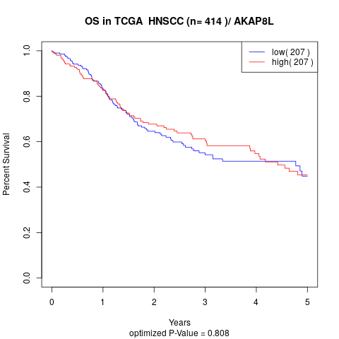

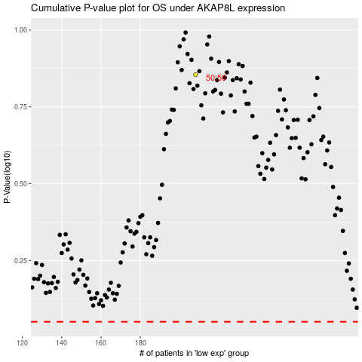

 |  |  |  |  |  | cases_OS | p_OS | rank | exp
 |  |  |  |  |  |  | cases_RFS | p_RFS | rank | exp

