AKD1 _multivariate
Reported by Tex Li-Hsing Chi. tex@gate.sinica.edu.tw 2019-08-22

Table 2. The clinicopathological features of HNSCC cohort and AKD1 expression. (Chi square test)
Cutoff at 0.023 (69.1%)
 |  | AKD1 expression |  | AKD1 expression |  | (Optimised)
 | Features | Low | (%) | High | (%) | Case no | P-value | Remark | Matthews
Gender | Female | 209 | 50.4 | 97 | 23.4 | 415 | 0.6088 | 0 | 0
2 | Male | 78 | 18.8 | 31 | 7.5
Age at diagnosis | <=65y | 182 | 43.9 | 92 | 22.2 | 415 | 0.1168 | 0 | 0
4 | >65y | 105 | 25.3 | 36 | 8.7
Clinical T Status | T1+T2 | 92 | 22.2 | 57 | 13.7 | 415 | 0.0195 | 1 | 0
6 | T3+T4 | 195 | 47 | 71 | 17.1
Clinical N Status | N0 | 145 | 34.9 | 71 | 17.1 | 415 | 0.4093 | 0 | 0
8 | N1-3 | 142 | 34.2 | 57 | 13.7
Clinical M Status | M0 | 285 | 68.7 | 127 | 30.6 | 415 | 1 | 0 | 0
10 | M1 | 2 | 0.5 | 1 | 0.2
Clinical Stage | Stage I+II | 68 | 16.4 | 34 | 8.2 | 415 | 0.6146 | 0 | 0
12 | Stage III+IV | 219 | 52.8 | 94 | 22.7
Surgical Margin status | Negative | 225 | 54.2 | 93 | 22.4 | 415 | 0.2109 | 0 | 0
14 | Positive | 62 | 14.9 | 35 | 8.4
Tobacco Exposure | Low | 104 | 25.1 | 57 | 13.7 | 415 | 0.1268 | 0 | 0
16 | High | 183 | 44.1 | 71 | 17.1

Table 3. Univariate/Multivariate Cox's proportional hazards regression analyses on OS time of AKD1 gene expression in HNSCC

 |  | Univariate |  |  |  | Multivariate
 | Features | HR | CI95%(L) | CI95%(H) | P-value | HR | CI95%(L) | CI95%(H) | P-value
1 | Female | 1 |  |  |  | 1
Gender | Male | 1.157 | 0.843 | 1.587 | 0.367 | 1.181 | 0.844 | 1.652 | 0.333
11 | <=65y | 1 |  |  |  | 1
Age at diagnosis | >65y | 1.329 | 0.99 | 1.784 | 0.058 | 1.379 | 1.014 | 1.874 | 0.04
12 | T1+T2 | 1 |  |  |  | 1
Clinical T Status | T3+T4 | 1.409 | 1.028 | 1.931 | 0.033 | 2.066 | 1.086 | 3.932 | 0.027
13 | N0 | 1 |  |  |  | 1
Clinical N Status | N1-3 | 1.185 | 0.89 | 1.577 | 0.246 | 1.228 | 0.86 | 1.753 | 0.259
14 | M0 | 1 |  |  |  | 1
Clinical M Status | M1 | 4.097 | 1.009 | 16.644 | 0.049 | 9.005 | 1.962 | 41.322 | 0.005
15 | Stage I+II | 1 |  |  |  | 1
Clinical Stage | Stage III+IV | 1.245 | 0.882 | 1.759 | 0.213 | 0.531 | 0.247 | 1.145 | 0.107
16 | Negative | 1 |  |  |  | 1
Surgical Margin status | Positive | 1.591 | 1.155 | 2.191 | 0.004 | 1.686 | 1.221 | 2.329 | 0.002
17 | Low | 1 |  |  |  | 1
Tobacco Exposure | High | 1.364 | 1.008 | 1.844 | 0.044 | 1.41 | 1.02 | 1.949 | 0.037
18 | Low | 1 |  |  |  | 1
RNAseq(z-score) | High | 0.715 | 0.517 | 0.988 | 0.042 | 0.802 | 0.575 | 1.118 | 0.193

Table 4. Univariate/Multivariate Cox's proportional hazards regression analyses on RFS time of AKD1 gene expression in HNSCC

 |  | Univariate |  |  |  | Multivariate
 | Features | HR | CI95%(L) | CI95%(H) | P-value | HR | CI95%(L) | CI95%(H) | P-value
1 | Female | 1 |  |  |  | 1
Gender | Male | 1.157 | 0.843 | 1.587 | 0.367 | 1.181 | 0.844 | 1.652 | 0.333
11 | <=65y | 1 |  |  |  | 1
Age at diagnosis | >65y | 1.329 | 0.99 | 1.784 | 0.058 | 1.379 | 1.014 | 1.874 | 0.04
12 | T1+T2 | 1 |  |  |  | 1
Clinical T Status | T3+T4 | 1.409 | 1.028 | 1.931 | 0.033 | 2.066 | 1.086 | 3.932 | 0.027
13 | N0 | 1 |  |  |  | 1
Clinical N Status | N1-3 | 1.185 | 0.89 | 1.577 | 0.246 | 1.228 | 0.86 | 1.753 | 0.259
14 | M0 | 1 |  |  |  | 1
Clinical M Status | M1 | 4.097 | 1.009 | 16.644 | 0.049 | 9.005 | 1.962 | 41.322 | 0.005
15 | Stage I+II | 1 |  |  |  | 1
Clinical Stage | Stage III+IV | 1.245 | 0.882 | 1.759 | 0.213 | 0.531 | 0.247 | 1.145 | 0.107
16 | Negative | 1 |  |  |  | 1
Surgical Margin status | Positive | 1.591 | 1.155 | 2.191 | 0.004 | 1.686 | 1.221 | 2.329 | 0.002
17 | Low | 1 |  |  |  | 1
Tobacco Exposure | High | 1.364 | 1.008 | 1.844 | 0.044 | 1.41 | 1.02 | 1.949 | 0.037
18 | Low | 1 |  |  |  | 1
RNAseq(z-score) | High | 0.715 | 0.517 | 0.988 | 0.042 | 0.802 | 0.575 | 1.118 | 0.193

Kaplan-Meier survival estimate: Cutoff at 0.023 (69.1%)



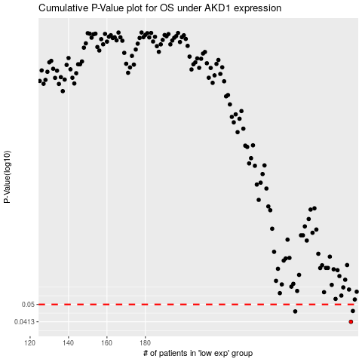

 |  |  |  |  |  | cases_OS | p_OS | rank | exp
 |  |  |  |  |  | 287 | 0.0413 | 353 | 0.023208616141
 |  |  |  |  |  | 258 | 0.0463 | 49 | -0.14647273834
 |  |  |  |  |  | 288 | 0.0465 | 101 | 0.036368415566
 |  |  |  |  |  |  | cases_RFS | p_RFS | rank | exp
 |  |  |  |  |  |  | 286 | 0.0413 | 370 | 0.022748580779
 |  |  |  |  |  |  | 257 | 0.0463 | 70 | -0.15130808837
 |  |  |  |  |  |  | 287 | 0.0465 | 353 | 0.023208616141

