AKIRIN2 _multivariate
Reported by Tex Li-Hsing Chi. tex@gate.sinica.edu.tw 2019-08-22

Table 2. The clinicopathological features of HNSCC cohort and AKIRIN2 expression. (Chi square test)
Cutoff at -0.118 (50.0%)
 |  | AKIRIN2 expression |  | AKIRIN2 expression |  | (Optimised)
 | Features | Low | (%) | High | (%) | Case no | P-value | Remark | Matthews
Gender | Female | 155 | 37.3 | 151 | 36.4 | 415 | 0.6768 | 0 | 0
2 | Male | 52 | 12.5 | 57 | 13.7
Age at diagnosis | <=65y | 140 | 33.7 | 134 | 32.3 | 415 | 0.5574 | 0 | 0
4 | >65y | 67 | 16.1 | 74 | 17.8
Clinical T Status | T1+T2 | 72 | 17.3 | 77 | 18.6 | 415 | 0.7095 | 0 | 0
6 | T3+T4 | 135 | 32.5 | 131 | 31.6
Clinical N Status | N0 | 105 | 25.3 | 111 | 26.7 | 415 | 0.6598 | 0 | 0
8 | N1-3 | 102 | 24.6 | 97 | 23.4
Clinical M Status | M0 | 206 | 49.6 | 206 | 49.6 | 415 | 1 | 0 | 0
10 | M1 | 1 | 0.2 | 2 | 0.5
Clinical Stage | Stage I+II | 49 | 11.8 | 53 | 12.8 | 415 | 0.7535 | 0 | 0
12 | Stage III+IV | 158 | 38.1 | 155 | 37.3
Surgical Margin status | Negative | 155 | 37.3 | 163 | 39.3 | 415 | 0.4187 | 0 | 0
14 | Positive | 52 | 12.5 | 45 | 10.8
Tobacco Exposure | Low | 84 | 20.2 | 77 | 18.6 | 415 | 0.4816 | 0 | 0
16 | High | 123 | 29.6 | 131 | 31.6

Table 3. Univariate/Multivariate Cox's proportional hazards regression analyses on OS time of AKIRIN2 gene expression in HNSCC

 |  | Univariate |  |  |  | Multivariate
 | Features | HR | CI95%(L) | CI95%(H) | P-value | HR | CI95%(L) | CI95%(H) | P-value
1 | Female | 1 |  |  |  | 1
Gender | Male | 1.157 | 0.843 | 1.587 | 0.367 | 1.205 | 0.862 | 1.685 | 0.275
11 | <=65y | 1 |  |  |  | 1
Age at diagnosis | >65y | 1.329 | 0.99 | 1.784 | 0.058 | 1.395 | 1.026 | 1.896 | 0.034
12 | T1+T2 | 1 |  |  |  | 1
Clinical T Status | T3+T4 | 1.409 | 1.028 | 1.931 | 0.033 | 2.299 | 1.213 | 4.355 | 0.011
13 | N0 | 1 |  |  |  | 1
Clinical N Status | N1-3 | 1.185 | 0.89 | 1.577 | 0.246 | 1.256 | 0.88 | 1.792 | 0.209
14 | M0 | 1 |  |  |  | 1
Clinical M Status | M1 | 4.097 | 1.009 | 16.644 | 0.049 | 9.04 | 1.969 | 41.511 | 0.005
15 | Stage I+II | 1 |  |  |  | 1
Clinical Stage | Stage III+IV | 1.245 | 0.882 | 1.759 | 0.213 | 0.483 | 0.224 | 1.037 | 0.062
16 | Negative | 1 |  |  |  | 1
Surgical Margin status | Positive | 1.591 | 1.155 | 2.191 | 0.004 | 1.751 | 1.261 | 2.43 | 0.001
17 | Low | 1 |  |  |  | 1
Tobacco Exposure | High | 1.364 | 1.008 | 1.844 | 0.044 | 1.422 | 1.03 | 1.964 | 0.032
18 | Low | 1 |  |  |  | 1
RNAseq(z-score) | High | 1.253 | 0.94 | 1.669 | 0.124 | 1.317 | 0.982 | 1.765 | 0.066

Table 4. Univariate/Multivariate Cox's proportional hazards regression analyses on RFS time of AKIRIN2 gene expression in HNSCC

 |  | Univariate |  |  |  | Multivariate
 | Features | HR | CI95%(L) | CI95%(H) | P-value | HR | CI95%(L) | CI95%(H) | P-value
1 | Female | 1 |  |  |  | 1
Gender | Male | 1.157 | 0.843 | 1.587 | 0.367 | 1.205 | 0.862 | 1.685 | 0.275
11 | <=65y | 1 |  |  |  | 1
Age at diagnosis | >65y | 1.329 | 0.99 | 1.784 | 0.058 | 1.395 | 1.026 | 1.896 | 0.034
12 | T1+T2 | 1 |  |  |  | 1
Clinical T Status | T3+T4 | 1.409 | 1.028 | 1.931 | 0.033 | 2.299 | 1.213 | 4.355 | 0.011
13 | N0 | 1 |  |  |  | 1
Clinical N Status | N1-3 | 1.185 | 0.89 | 1.577 | 0.246 | 1.256 | 0.88 | 1.792 | 0.209
14 | M0 | 1 |  |  |  | 1
Clinical M Status | M1 | 4.097 | 1.009 | 16.644 | 0.049 | 9.04 | 1.969 | 41.511 | 0.005
15 | Stage I+II | 1 |  |  |  | 1
Clinical Stage | Stage III+IV | 1.245 | 0.882 | 1.759 | 0.213 | 0.483 | 0.224 | 1.037 | 0.062
16 | Negative | 1 |  |  |  | 1
Surgical Margin status | Positive | 1.591 | 1.155 | 2.191 | 0.004 | 1.751 | 1.261 | 2.43 | 0.001
17 | Low | 1 |  |  |  | 1
Tobacco Exposure | High | 1.364 | 1.008 | 1.844 | 0.044 | 1.422 | 1.03 | 1.964 | 0.032
18 | Low | 1 |  |  |  | 1
RNAseq(z-score) | High | 1.253 | 0.94 | 1.669 | 0.124 | 1.317 | 0.982 | 1.765 | 0.066

Kaplan-Meier survival estimate: Cutoff at -0.118 (50.0%)



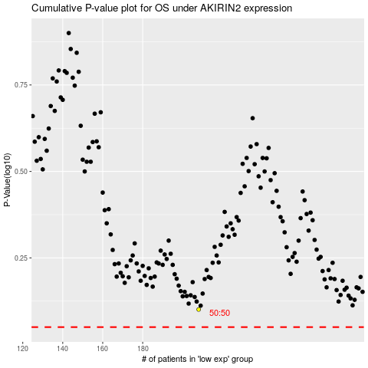

 |  |  |  |  |  | cases_OS | p_OS | rank | exp
 |  |  |  |  |  |  | cases_RFS | p_RFS | rank | exp

