AKNAD1 _multivariate
Reported by Tex Li-Hsing Chi. tex@gate.sinica.edu.tw 2019-08-22

Table 2. The clinicopathological features of HNSCC cohort and AKNAD1 expression. (Chi square test)
Cutoff at -0.194 (50.0%)
 |  | AKNAD1 expression |  | AKNAD1 expression |  | (Optimised)
 | Features | Low | (%) | High | (%) | Case no | P-value | Remark | Matthews
Gender | Female | 164 | 39.5 | 142 | 34.2 | 415 | 0.0153 | 1 | 0
2 | Male | 43 | 10.4 | 66 | 15.9
Age at diagnosis | <=65y | 135 | 32.5 | 139 | 33.5 | 415 | 0.8084 | 0 | 0
4 | >65y | 72 | 17.3 | 69 | 16.6
Clinical T Status | T1+T2 | 72 | 17.3 | 77 | 18.6 | 415 | 0.7095 | 0 | 0
6 | T3+T4 | 135 | 32.5 | 131 | 31.6
Clinical N Status | N0 | 102 | 24.6 | 114 | 27.5 | 415 | 0.3031 | 0 | 0
8 | N1-3 | 105 | 25.3 | 94 | 22.7
Clinical M Status | M0 | 205 | 49.4 | 207 | 49.9 | 415 | 0.6232 | 0 | 0
10 | M1 | 2 | 0.5 | 1 | 0.2
Clinical Stage | Stage I+II | 42 | 10.1 | 60 | 14.5 | 415 | 0.0561 | 0 | 0
12 | Stage III+IV | 165 | 39.8 | 148 | 35.7
Surgical Margin status | Negative | 159 | 38.3 | 159 | 38.3 | 415 | 1 | 0 | 0
14 | Positive | 48 | 11.6 | 49 | 11.8
Tobacco Exposure | Low | 69 | 16.6 | 92 | 22.2 | 415 | 0.0266 | 1 | 0
16 | High | 138 | 33.3 | 116 | 28

Table 3. Univariate/Multivariate Cox's proportional hazards regression analyses on OS time of AKNAD1 gene expression in HNSCC

 |  | Univariate |  |  |  | Multivariate
 | Features | HR | CI95%(L) | CI95%(H) | P-value | HR | CI95%(L) | CI95%(H) | P-value
1 | Female | 1 |  |  |  | 1
Gender | Male | 1.157 | 0.843 | 1.587 | 0.367 | 1.169 | 0.833 | 1.641 | 0.366
11 | <=65y | 1 |  |  |  | 1
Age at diagnosis | >65y | 1.329 | 0.99 | 1.784 | 0.058 | 1.41 | 1.036 | 1.918 | 0.029
12 | T1+T2 | 1 |  |  |  | 1
Clinical T Status | T3+T4 | 1.409 | 1.028 | 1.931 | 0.033 | 2.139 | 1.129 | 4.054 | 0.02
13 | N0 | 1 |  |  |  | 1
Clinical N Status | N1-3 | 1.185 | 0.89 | 1.577 | 0.246 | 1.246 | 0.873 | 1.777 | 0.225
14 | M0 | 1 |  |  |  | 1
Clinical M Status | M1 | 4.097 | 1.009 | 16.644 | 0.049 | 9.222 | 2.011 | 42.285 | 0.004
15 | Stage I+II | 1 |  |  |  | 1
Clinical Stage | Stage III+IV | 1.245 | 0.882 | 1.759 | 0.213 | 0.528 | 0.245 | 1.139 | 0.103
16 | Negative | 1 |  |  |  | 1
Surgical Margin status | Positive | 1.591 | 1.155 | 2.191 | 0.004 | 1.654 | 1.197 | 2.287 | 0.002
17 | Low | 1 |  |  |  | 1
Tobacco Exposure | High | 1.364 | 1.008 | 1.844 | 0.044 | 1.491 | 1.078 | 2.063 | 0.016
18 | Low | 1 |  |  |  | 1
RNAseq(z-score) | High | 1.146 | 0.861 | 1.526 | 0.351 | 1.176 | 0.872 | 1.587 | 0.287

Table 4. Univariate/Multivariate Cox's proportional hazards regression analyses on RFS time of AKNAD1 gene expression in HNSCC

 |  | Univariate |  |  |  | Multivariate
 | Features | HR | CI95%(L) | CI95%(H) | P-value | HR | CI95%(L) | CI95%(H) | P-value
1 | Female | 1 |  |  |  | 1
Gender | Male | 1.157 | 0.843 | 1.587 | 0.367 | 1.169 | 0.833 | 1.641 | 0.366
11 | <=65y | 1 |  |  |  | 1
Age at diagnosis | >65y | 1.329 | 0.99 | 1.784 | 0.058 | 1.41 | 1.036 | 1.918 | 0.029
12 | T1+T2 | 1 |  |  |  | 1
Clinical T Status | T3+T4 | 1.409 | 1.028 | 1.931 | 0.033 | 2.139 | 1.129 | 4.054 | 0.02
13 | N0 | 1 |  |  |  | 1
Clinical N Status | N1-3 | 1.185 | 0.89 | 1.577 | 0.246 | 1.246 | 0.873 | 1.777 | 0.225
14 | M0 | 1 |  |  |  | 1
Clinical M Status | M1 | 4.097 | 1.009 | 16.644 | 0.049 | 9.222 | 2.011 | 42.285 | 0.004
15 | Stage I+II | 1 |  |  |  | 1
Clinical Stage | Stage III+IV | 1.245 | 0.882 | 1.759 | 0.213 | 0.528 | 0.245 | 1.139 | 0.103
16 | Negative | 1 |  |  |  | 1
Surgical Margin status | Positive | 1.591 | 1.155 | 2.191 | 0.004 | 1.654 | 1.197 | 2.287 | 0.002
17 | Low | 1 |  |  |  | 1
Tobacco Exposure | High | 1.364 | 1.008 | 1.844 | 0.044 | 1.491 | 1.078 | 2.063 | 0.016
18 | Low | 1 |  |  |  | 1
RNAseq(z-score) | High | 1.146 | 0.861 | 1.526 | 0.351 | 1.176 | 0.872 | 1.587 | 0.287

Kaplan-Meier survival estimate: Cutoff at -0.194 (50.0%)



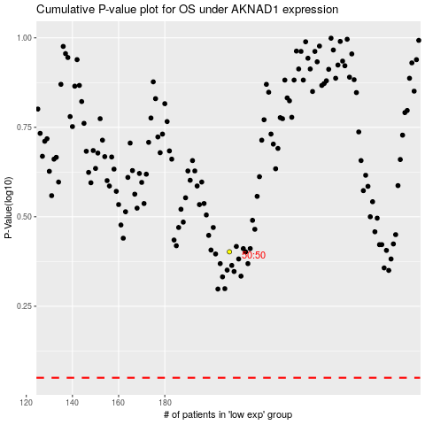

 |  |  |  |  |  | cases_OS | p_OS | rank | exp
 |  |  |  |  |  |  | cases_RFS | p_RFS | rank | exp

