AKR1C1 _multivariate
Reported by Tex Li-Hsing Chi. tex@gate.sinica.edu.tw 2019-08-22

Table 2. The clinicopathological features of HNSCC cohort and AKR1C1 expression. (Chi square test)
Cutoff at -0.339 (49.8%)
 |  | AKR1C1 expression |  | AKR1C1 expression |  | (Optimised)
 | Features | Low | (%) | High | (%) | Case no | P-value | Remark | Matthews
Gender | Female | 144 | 34.7 | 162 | 39 | 415 | 0.0697 | 0 | 0
2 | Male | 63 | 15.2 | 46 | 11.1
Age at diagnosis | <=65y | 138 | 33.3 | 136 | 32.8 | 415 | 0.8634 | 0 | 0
4 | >65y | 69 | 16.6 | 72 | 17.3
Clinical T Status | T1+T2 | 80 | 19.3 | 69 | 16.6 | 415 | 0.2891 | 0 | 0
6 | T3+T4 | 127 | 30.6 | 139 | 33.5
Clinical N Status | N0 | 103 | 24.8 | 113 | 27.2 | 415 | 0.4047 | 0 | 0
8 | N1-3 | 104 | 25.1 | 95 | 22.9
Clinical M Status | M0 | 206 | 49.6 | 206 | 49.6 | 415 | 1 | 0 | 0
10 | M1 | 1 | 0.2 | 2 | 0.5
Clinical Stage | Stage I+II | 53 | 12.8 | 49 | 11.8 | 415 | 0.7113 | 0 | 0
12 | Stage III+IV | 154 | 37.1 | 159 | 38.3
Surgical Margin status | Negative | 163 | 39.3 | 155 | 37.3 | 415 | 0.3537 | 0 | 0
14 | Positive | 44 | 10.6 | 53 | 12.8
Tobacco Exposure | Low | 98 | 23.6 | 63 | 15.2 | 415 | 4e-04 | 1 | 0
16 | High | 109 | 26.3 | 145 | 34.9

Table 3. Univariate/Multivariate Cox's proportional hazards regression analyses on OS time of AKR1C1 gene expression in HNSCC

 |  | Univariate |  |  |  | Multivariate
 | Features | HR | CI95%(L) | CI95%(H) | P-value | HR | CI95%(L) | CI95%(H) | P-value
1 | Female | 1 |  |  |  | 1
Gender | Male | 1.157 | 0.843 | 1.587 | 0.367 | 1.196 | 0.855 | 1.673 | 0.295
11 | <=65y | 1 |  |  |  | 1
Age at diagnosis | >65y | 1.329 | 0.99 | 1.784 | 0.058 | 1.395 | 1.026 | 1.898 | 0.034
12 | T1+T2 | 1 |  |  |  | 1
Clinical T Status | T3+T4 | 1.409 | 1.028 | 1.931 | 0.033 | 2.207 | 1.167 | 4.175 | 0.015
13 | N0 | 1 |  |  |  | 1
Clinical N Status | N1-3 | 1.185 | 0.89 | 1.577 | 0.246 | 1.238 | 0.867 | 1.766 | 0.24
14 | M0 | 1 |  |  |  | 1
Clinical M Status | M1 | 4.097 | 1.009 | 16.644 | 0.049 | 9.471 | 2.065 | 43.446 | 0.004
15 | Stage I+II | 1 |  |  |  | 1
Clinical Stage | Stage III+IV | 1.245 | 0.882 | 1.759 | 0.213 | 0.504 | 0.235 | 1.082 | 0.079
16 | Negative | 1 |  |  |  | 1
Surgical Margin status | Positive | 1.591 | 1.155 | 2.191 | 0.004 | 1.671 | 1.21 | 2.309 | 0.002
17 | Low | 1 |  |  |  | 1
Tobacco Exposure | High | 1.364 | 1.008 | 1.844 | 0.044 | 1.462 | 1.058 | 2.021 | 0.021
18 | Low | 1 |  |  |  | 1
RNAseq(z-score) | High | 1.016 | 0.762 | 1.354 | 0.915 | 0.959 | 0.715 | 1.285 | 0.777

Table 4. Univariate/Multivariate Cox's proportional hazards regression analyses on RFS time of AKR1C1 gene expression in HNSCC

 |  | Univariate |  |  |  | Multivariate
 | Features | HR | CI95%(L) | CI95%(H) | P-value | HR | CI95%(L) | CI95%(H) | P-value
1 | Female | 1 |  |  |  | 1
Gender | Male | 1.157 | 0.843 | 1.587 | 0.367 | 1.196 | 0.855 | 1.673 | 0.295
11 | <=65y | 1 |  |  |  | 1
Age at diagnosis | >65y | 1.329 | 0.99 | 1.784 | 0.058 | 1.395 | 1.026 | 1.898 | 0.034
12 | T1+T2 | 1 |  |  |  | 1
Clinical T Status | T3+T4 | 1.409 | 1.028 | 1.931 | 0.033 | 2.207 | 1.167 | 4.175 | 0.015
13 | N0 | 1 |  |  |  | 1
Clinical N Status | N1-3 | 1.185 | 0.89 | 1.577 | 0.246 | 1.238 | 0.867 | 1.766 | 0.24
14 | M0 | 1 |  |  |  | 1
Clinical M Status | M1 | 4.097 | 1.009 | 16.644 | 0.049 | 9.471 | 2.065 | 43.446 | 0.004
15 | Stage I+II | 1 |  |  |  | 1
Clinical Stage | Stage III+IV | 1.245 | 0.882 | 1.759 | 0.213 | 0.504 | 0.235 | 1.082 | 0.079
16 | Negative | 1 |  |  |  | 1
Surgical Margin status | Positive | 1.591 | 1.155 | 2.191 | 0.004 | 1.671 | 1.21 | 2.309 | 0.002
17 | Low | 1 |  |  |  | 1
Tobacco Exposure | High | 1.364 | 1.008 | 1.844 | 0.044 | 1.462 | 1.058 | 2.021 | 0.021
18 | Low | 1 |  |  |  | 1
RNAseq(z-score) | High | 1.016 | 0.762 | 1.354 | 0.915 | 0.959 | 0.715 | 1.285 | 0.777

Kaplan-Meier survival estimate: Cutoff at -0.339 (49.8%)



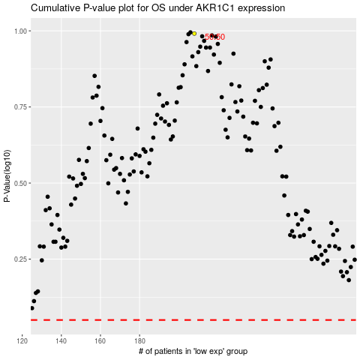

 |  |  |  |  |  | cases_OS | p_OS | rank | exp
 |  |  |  |  |  |  | cases_RFS | p_RFS | rank | exp

