AKR1E2 _multivariate
Reported by Tex Li-Hsing Chi. tex@gate.sinica.edu.tw 2019-08-22

Table 2. The clinicopathological features of HNSCC cohort and AKR1E2 expression. (Chi square test)
Cutoff at -0.254 (49.8%)
 |  | AKR1E2 expression |  | AKR1E2 expression |  | (Optimised)
 | Features | Low | (%) | High | (%) | Case no | P-value | Remark | Matthews
Gender | Female | 149 | 35.9 | 157 | 37.8 | 415 | 0.4848 | 0 | 0
2 | Male | 58 | 14 | 51 | 12.3
Age at diagnosis | <=65y | 135 | 32.5 | 139 | 33.5 | 415 | 0.8084 | 0 | 0
4 | >65y | 72 | 17.3 | 69 | 16.6
Clinical T Status | T1+T2 | 79 | 19 | 70 | 16.9 | 415 | 0.3924 | 0 | 0
6 | T3+T4 | 128 | 30.8 | 138 | 33.3
Clinical N Status | N0 | 104 | 25.1 | 112 | 27 | 415 | 0.5243 | 0 | 0
8 | N1-3 | 103 | 24.8 | 96 | 23.1
Clinical M Status | M0 | 206 | 49.6 | 206 | 49.6 | 415 | 1 | 0 | 0
10 | M1 | 1 | 0.2 | 2 | 0.5
Clinical Stage | Stage I+II | 55 | 13.3 | 47 | 11.3 | 415 | 0.4087 | 0 | 0
12 | Stage III+IV | 152 | 36.6 | 161 | 38.8
Surgical Margin status | Negative | 171 | 41.2 | 147 | 35.4 | 415 | 0.0052 | 1 | 0
14 | Positive | 36 | 8.7 | 61 | 14.7
Tobacco Exposure | Low | 82 | 19.8 | 79 | 19 | 415 | 0.763 | 0 | 0
16 | High | 125 | 30.1 | 129 | 31.1

Table 3. Univariate/Multivariate Cox's proportional hazards regression analyses on OS time of AKR1E2 gene expression in HNSCC

 |  | Univariate |  |  |  | Multivariate
 | Features | HR | CI95%(L) | CI95%(H) | P-value | HR | CI95%(L) | CI95%(H) | P-value
1 | Female | 1 |  |  |  | 1
Gender | Male | 1.157 | 0.843 | 1.587 | 0.367 | 1.202 | 0.86 | 1.679 | 0.282
11 | <=65y | 1 |  |  |  | 1
Age at diagnosis | >65y | 1.329 | 0.99 | 1.784 | 0.058 | 1.387 | 1.019 | 1.887 | 0.037
12 | T1+T2 | 1 |  |  |  | 1
Clinical T Status | T3+T4 | 1.409 | 1.028 | 1.931 | 0.033 | 2.206 | 1.167 | 4.173 | 0.015
13 | N0 | 1 |  |  |  | 1
Clinical N Status | N1-3 | 1.185 | 0.89 | 1.577 | 0.246 | 1.234 | 0.863 | 1.763 | 0.249
14 | M0 | 1 |  |  |  | 1
Clinical M Status | M1 | 4.097 | 1.009 | 16.644 | 0.049 | 9.575 | 2.08 | 44.075 | 0.004
15 | Stage I+II | 1 |  |  |  | 1
Clinical Stage | Stage III+IV | 1.245 | 0.882 | 1.759 | 0.213 | 0.506 | 0.236 | 1.087 | 0.081
16 | Negative | 1 |  |  |  | 1
Surgical Margin status | Positive | 1.591 | 1.155 | 2.191 | 0.004 | 1.694 | 1.213 | 2.364 | 0.002
17 | Low | 1 |  |  |  | 1
Tobacco Exposure | High | 1.364 | 1.008 | 1.844 | 0.044 | 1.458 | 1.057 | 2.012 | 0.021
18 | Low | 1 |  |  |  | 1
RNAseq(z-score) | High | 1.052 | 0.789 | 1.401 | 0.731 | 0.954 | 0.706 | 1.287 | 0.756

Table 4. Univariate/Multivariate Cox's proportional hazards regression analyses on RFS time of AKR1E2 gene expression in HNSCC

 |  | Univariate |  |  |  | Multivariate
 | Features | HR | CI95%(L) | CI95%(H) | P-value | HR | CI95%(L) | CI95%(H) | P-value
1 | Female | 1 |  |  |  | 1
Gender | Male | 1.157 | 0.843 | 1.587 | 0.367 | 1.202 | 0.86 | 1.679 | 0.282
11 | <=65y | 1 |  |  |  | 1
Age at diagnosis | >65y | 1.329 | 0.99 | 1.784 | 0.058 | 1.387 | 1.019 | 1.887 | 0.037
12 | T1+T2 | 1 |  |  |  | 1
Clinical T Status | T3+T4 | 1.409 | 1.028 | 1.931 | 0.033 | 2.206 | 1.167 | 4.173 | 0.015
13 | N0 | 1 |  |  |  | 1
Clinical N Status | N1-3 | 1.185 | 0.89 | 1.577 | 0.246 | 1.234 | 0.863 | 1.763 | 0.249
14 | M0 | 1 |  |  |  | 1
Clinical M Status | M1 | 4.097 | 1.009 | 16.644 | 0.049 | 9.575 | 2.08 | 44.075 | 0.004
15 | Stage I+II | 1 |  |  |  | 1
Clinical Stage | Stage III+IV | 1.245 | 0.882 | 1.759 | 0.213 | 0.506 | 0.236 | 1.087 | 0.081
16 | Negative | 1 |  |  |  | 1
Surgical Margin status | Positive | 1.591 | 1.155 | 2.191 | 0.004 | 1.694 | 1.213 | 2.364 | 0.002
17 | Low | 1 |  |  |  | 1
Tobacco Exposure | High | 1.364 | 1.008 | 1.844 | 0.044 | 1.458 | 1.057 | 2.012 | 0.021
18 | Low | 1 |  |  |  | 1
RNAseq(z-score) | High | 1.052 | 0.789 | 1.401 | 0.731 | 0.954 | 0.706 | 1.287 | 0.756

Kaplan-Meier survival estimate: Cutoff at -0.254 (49.8%)



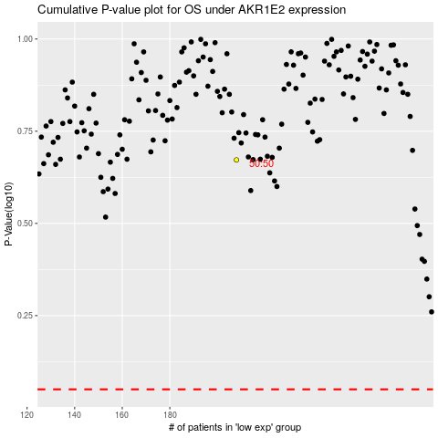

 |  |  |  |  |  | cases_OS | p_OS | rank | exp
 |  |  |  |  |  |  | cases_RFS | p_RFS | rank | exp

